Outlines
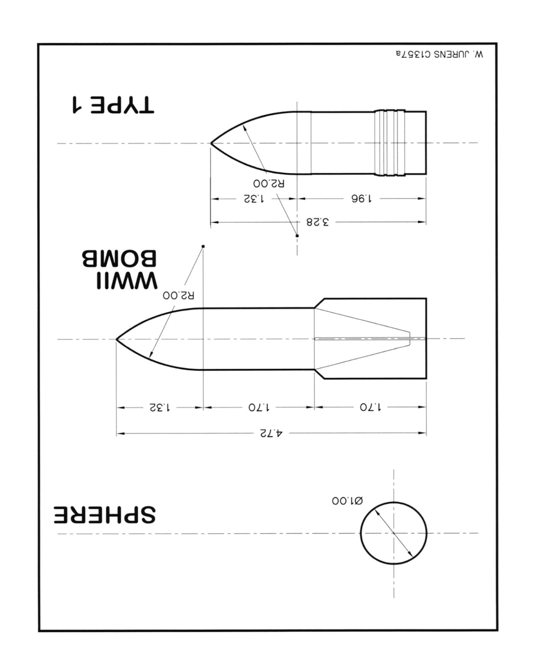
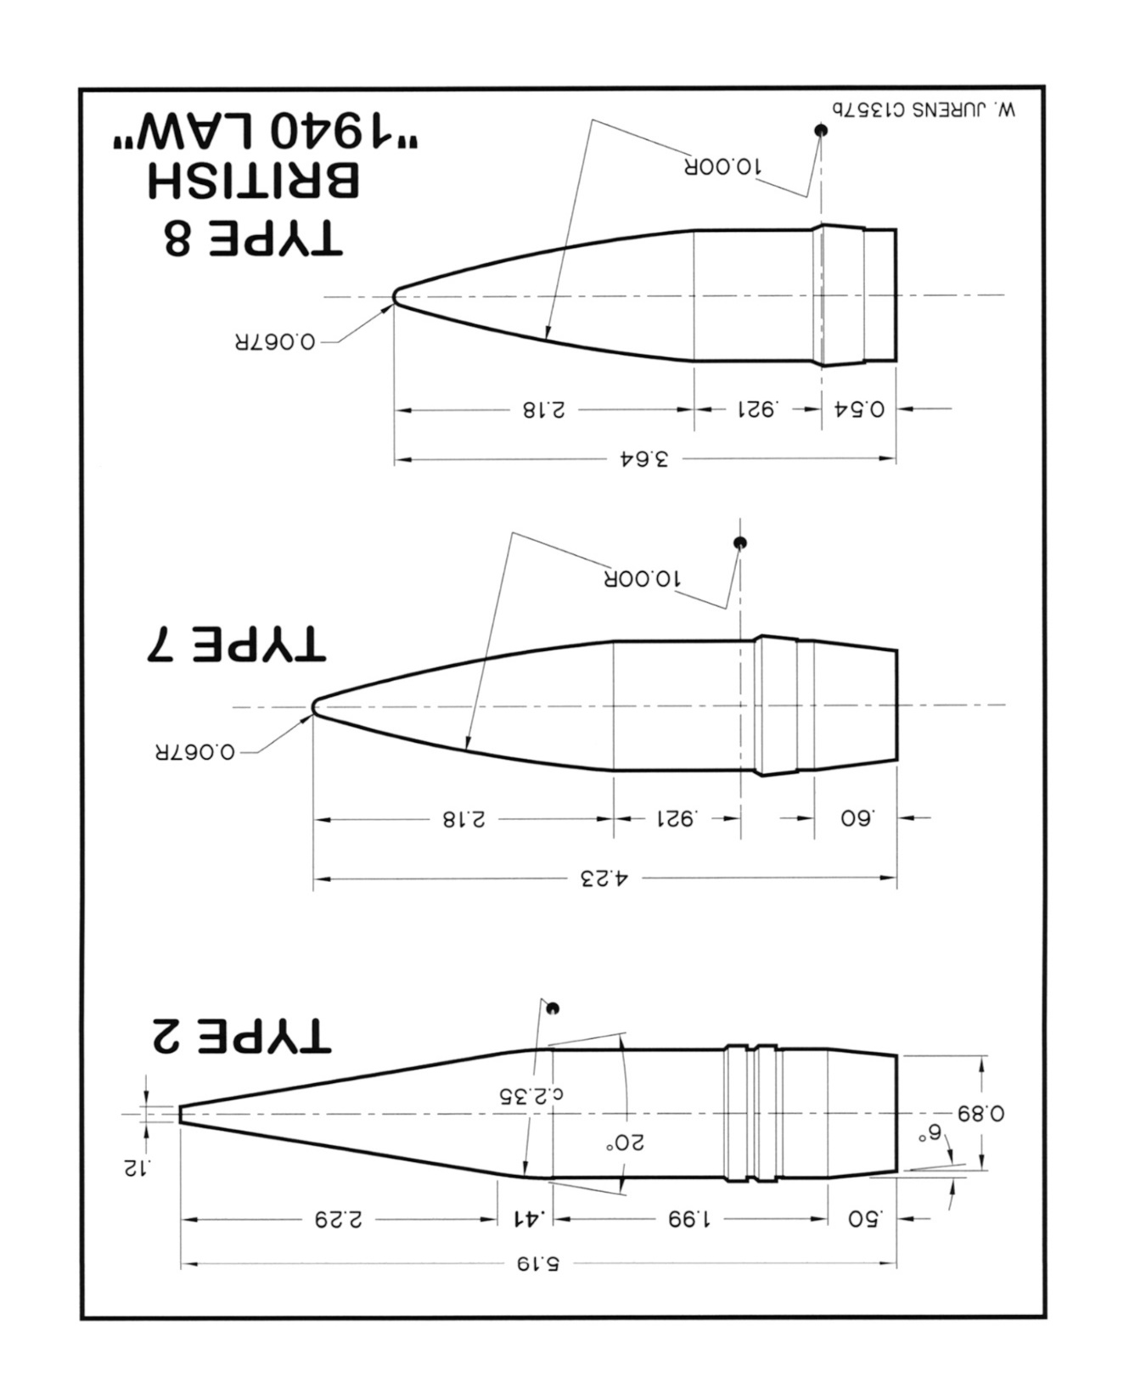
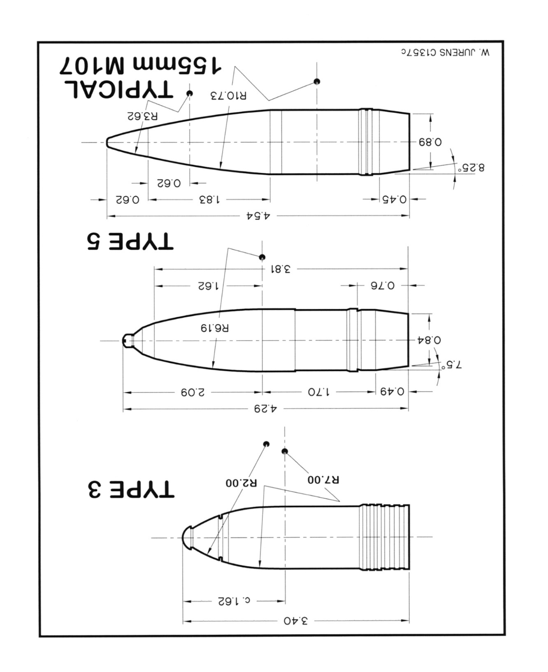

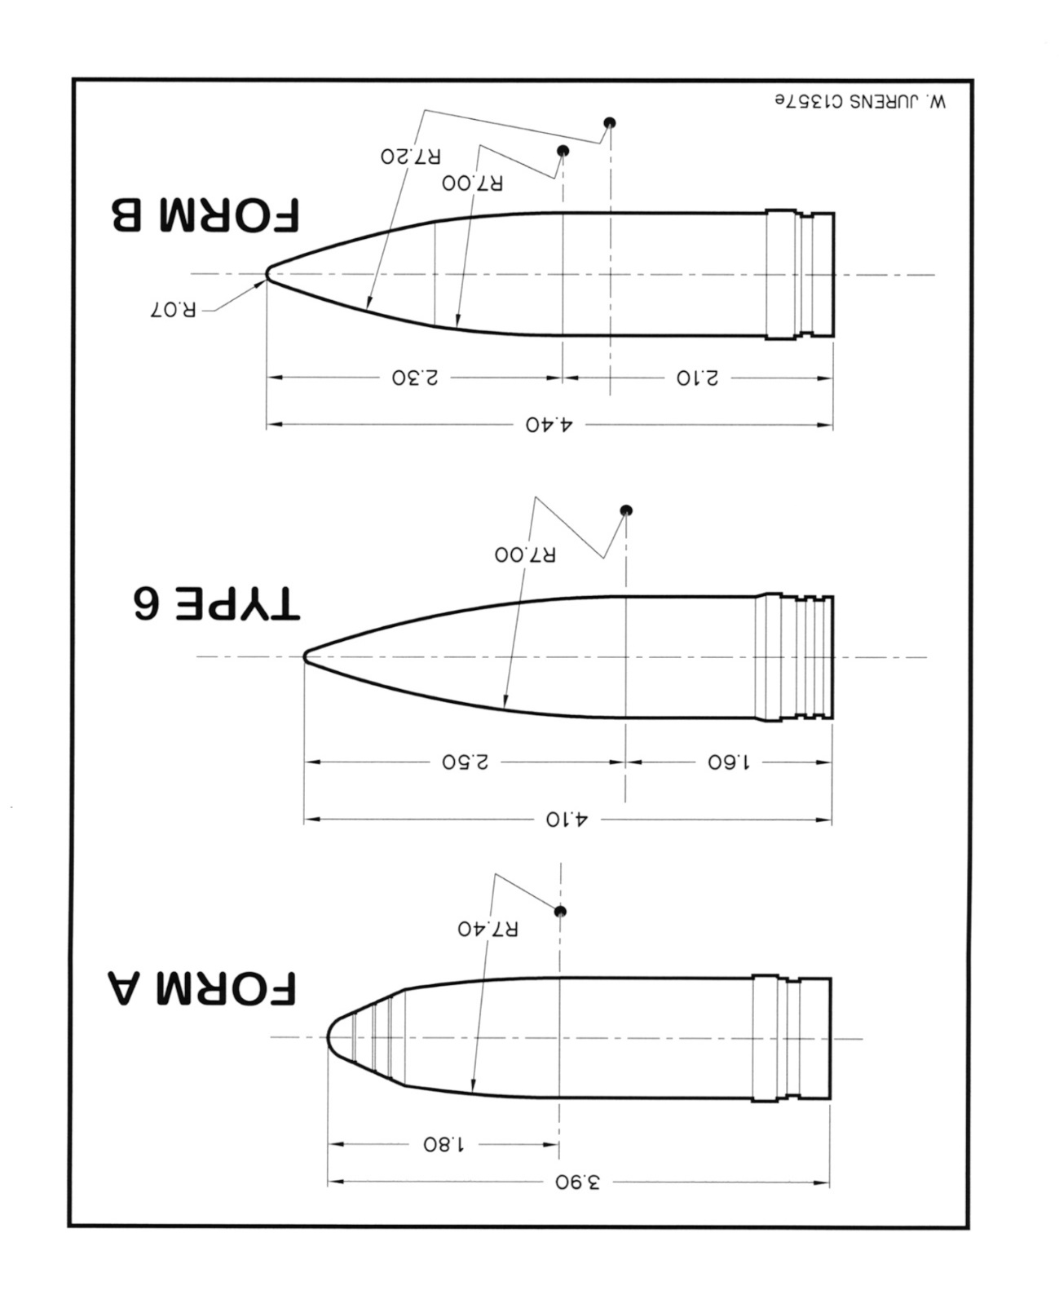
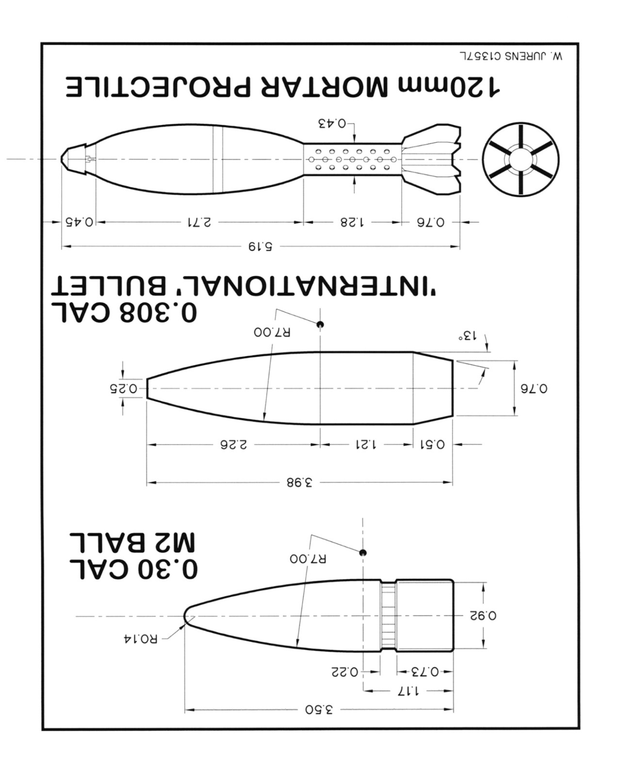

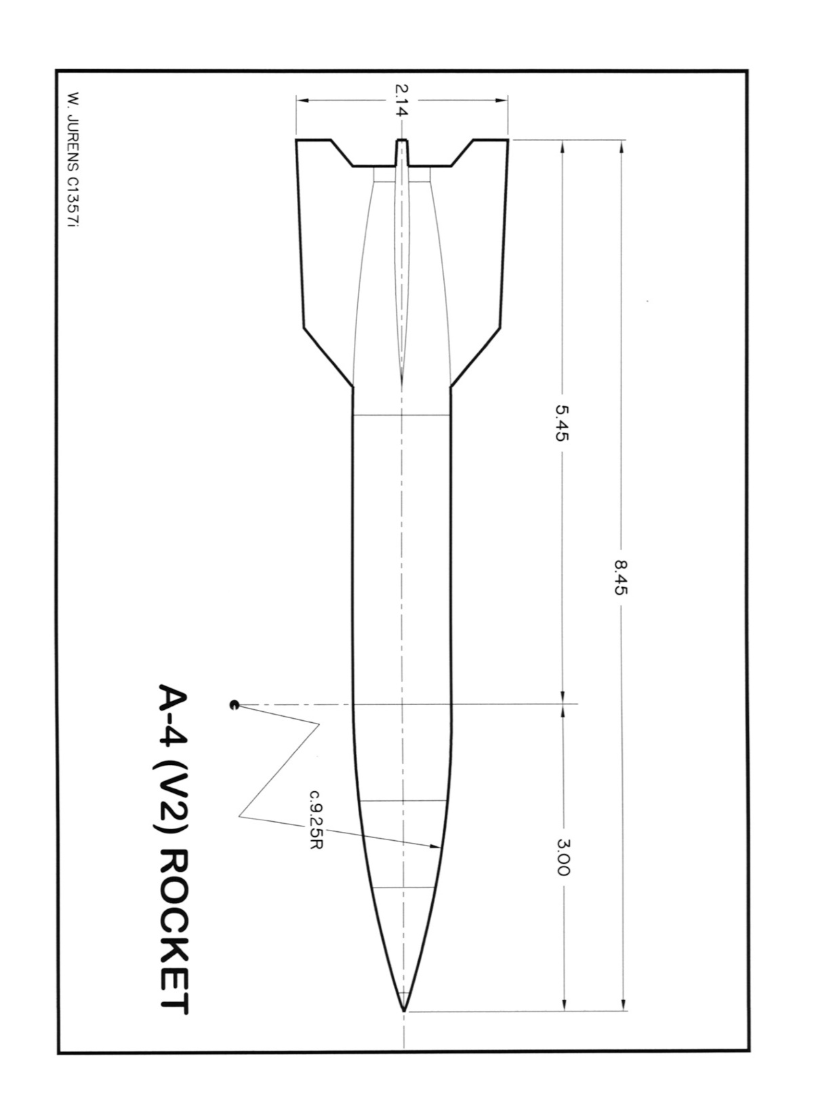
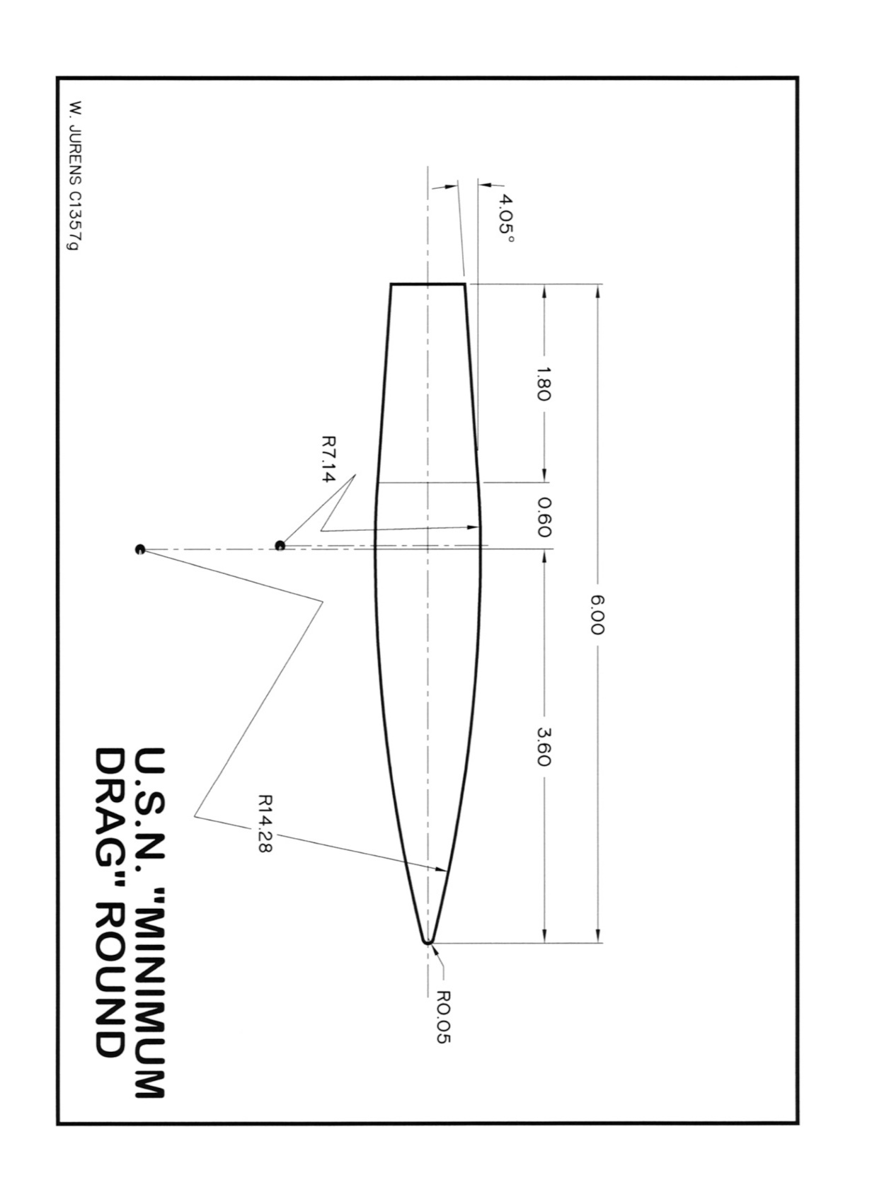
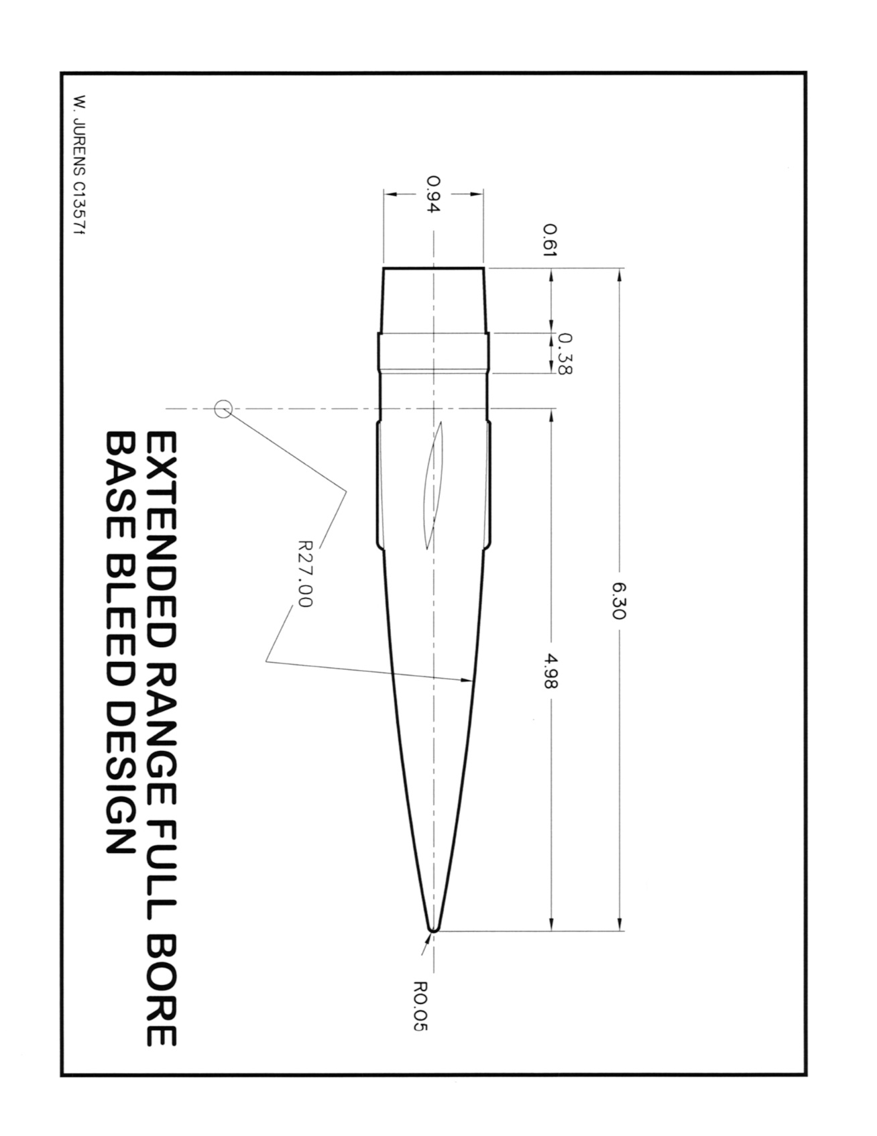

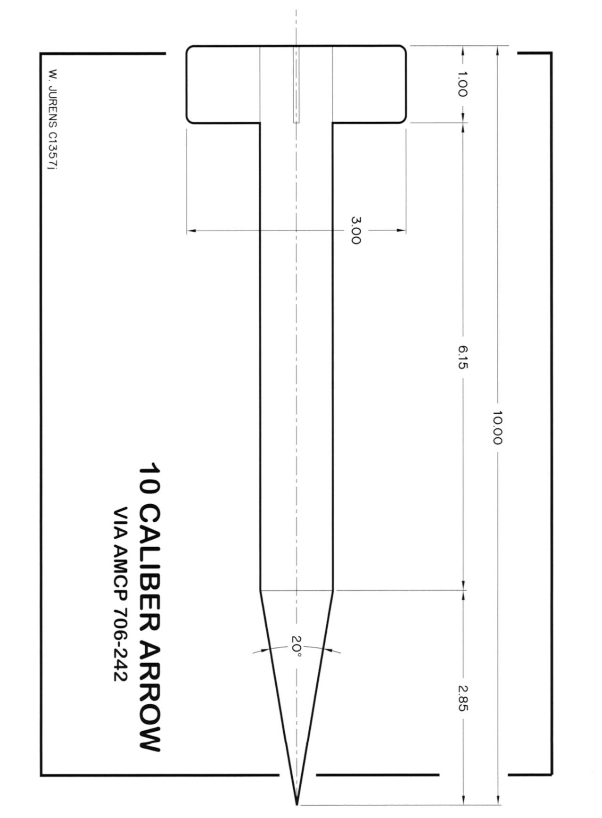
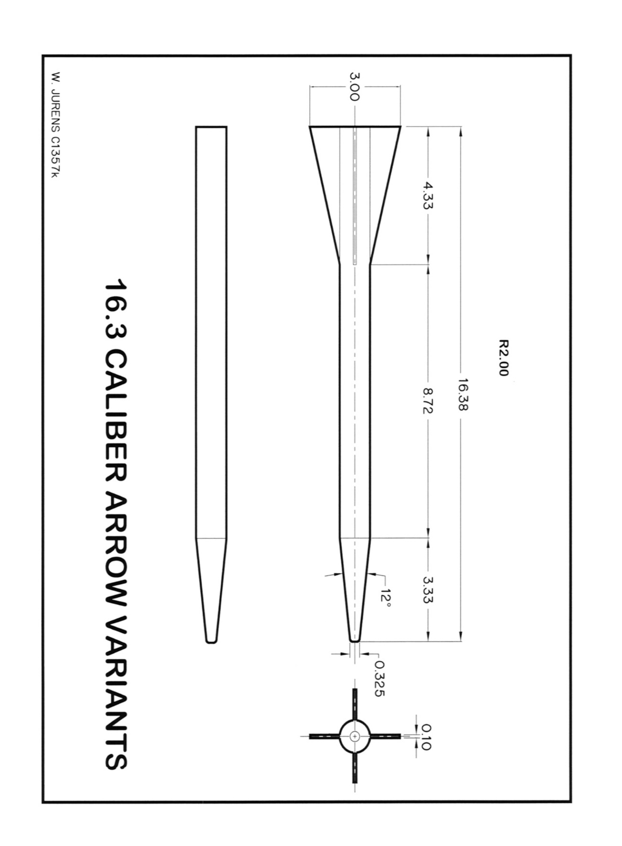
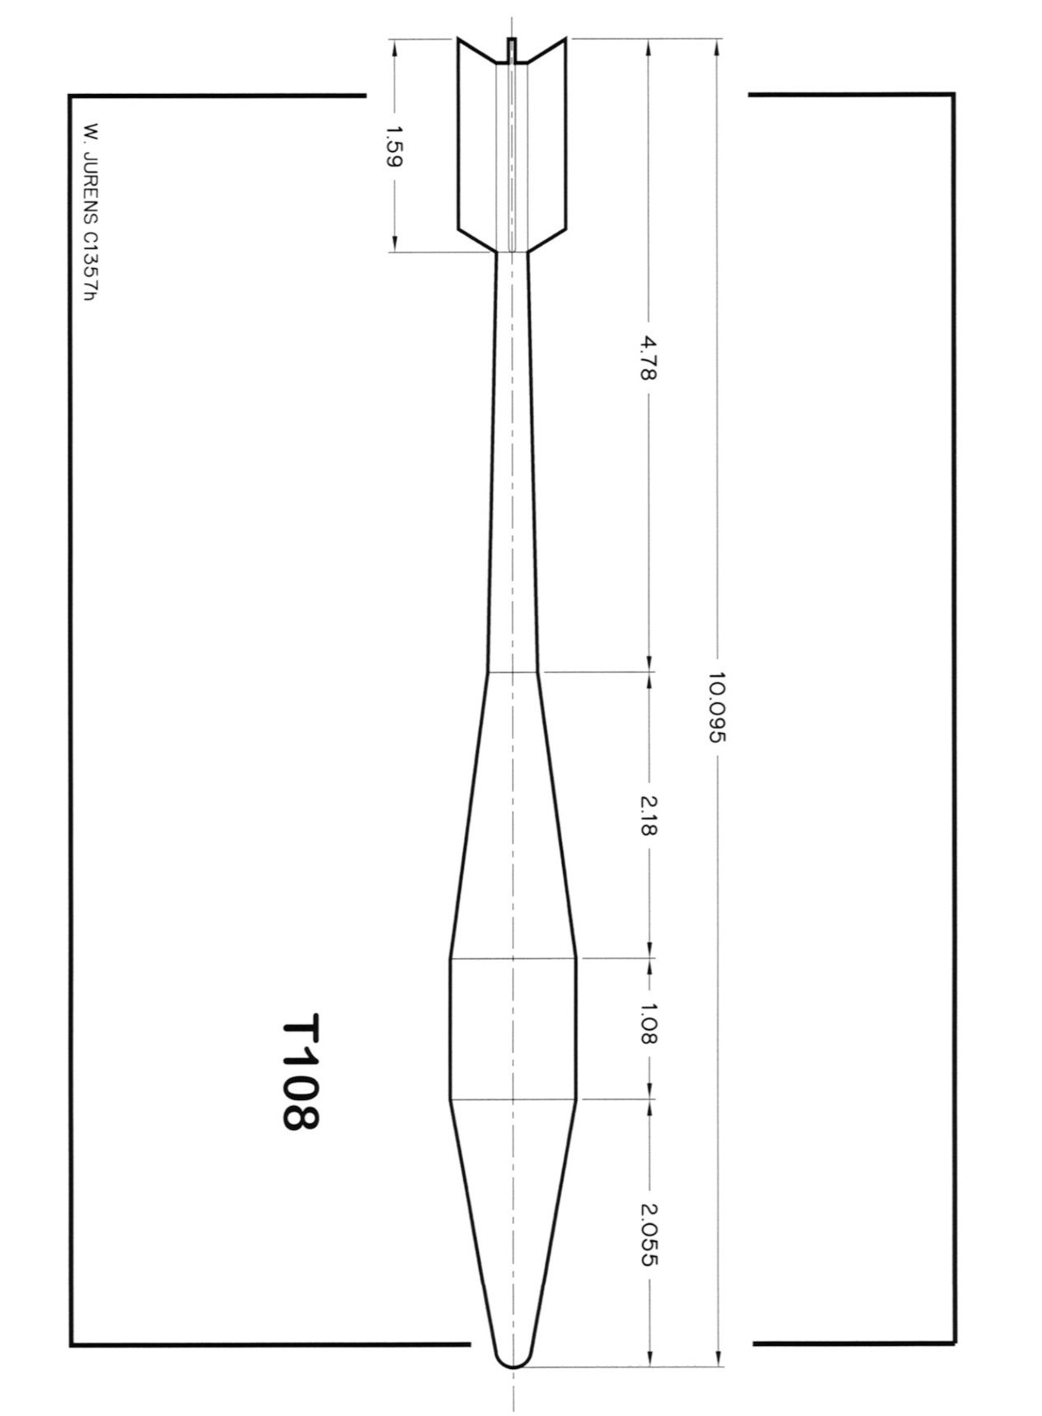

Drag Function
 |  | EBTBONI = Exterior Ballistics Tables Based on Numerical Integration by Ordnance Department, US Army, 1924 |  |  |  |  |  |  |  |  |  |  |  | Set row height = 35
4 | ←To see a drag function, put its index number here. | MEB = Modern Exterior Ballistics, McCoy, 1999
1.000 | ← Put a scale factor here | AMCP = Army Material Command Pamphlet 706-242
Gâvre derived EBTBONI, 1924 |  | BRL = Ballistic Research Lab Handbook of Ballistic and Engineering Data

7 | ←To see a drag function, put its index number here. |  |  |  |  |  |  |  |  |  |  |  |  |  |  |  |  |  |  |  |  |  |  |  |  |  |  |  |  |  |  |  |  |  |  |  |  |  |  |  |  |  |  |  |  |  |  |  |  |  |  |  |  |  |  |  | 
1.000 | ← Put a scale factor here
Type 7/KD7 |  |  |  |  | 1 |  | 2 |  | 3 |  | 4 |  | 5 |  | 6 |  | 7 |  | 8 |  | 9 |  | 10 |  | 11 |  | 12 |  | 13 |  | 14 |  | 15 |  | 16 |  | 17 |  | 18 |  | 19 |  | 20 |  | 21 |  | 22 |  | 23 |  | 24 |  | 25 |  | 26 |  | 27 |  | 28 |  | 29 |  | 30 |  | 31 |  | 32 |  | 33 |  | 34 |  | 35 |  | 36 |  | 37 |  | 38 |  | 39 |  | 40 |  | 41 |  | 42 |  | 43 |  | 44 |  | 45 |  | 46 |  | 47 |  | 48 |  | 49 |  | 50 |  | 51 |  | 52 |  | 53 |  | 54 |  | 55 |  | 56 |  | 57 |  | 58 |  | 59 |  | 60 |  | 61 |  | 62 |  | 63 |  | 64 |  | 65 |  | 66 |  | 67 |  | 68 |  | 69 |  | 70 |  | 71 |  | 72 |  | 73 |  | 74 |  | 75 |  | 76 |  | 77 |  | 78 |  | 79 |  | 80 |  | 81 |  | 82 |  | 83 |  | 84 |  | 85 |  | 86 |  | 87 |  | 88 |  | 89 |  | 90 |  | 91 |  | 92 |  | 93 |  | 94 |  | 95 |  | 96 |  | 97 |  | 98 |  | 99 |  | 100 |  | 101 |  | 102 |  | 103 |  | 104 |  | 105 |  | 106 |  | 107 |  | 108 |  | 109 |  | 110 |  | 111 |  | 112 |  | 113 |  | 114 |  | 115 |  | 116 |  | 117 |  | 118 |  | 119 |  | 120
 |  |  |  | name | Type 1/KD1 |  | Type 2/KD2 |  | Type 3/KD3 |  | Gâvre derived EBTBONI, 1924 |  | Ingalls ( McCoy ) |  | Type 6/KD6 |  | Type 7/KD7 |  | Type 8/KD8 |  | USN Min Drag |  | RN 1940 LAW |  | RN form A |  | RN form B |  | 3 inch blunt nosed AP |  | US 16 in 2700lb |  | US Army T108 HEAT |  | WW2 sub-sonic bomb |  | very low drag boat tailed |  | spinning flat nosed cylinder |  | V2 rocket |  | 10 caliber finned arrow |  | 16.38 caliber finned penetrator |  | 16.38 caliber unfinned penetrator |  | US Army 155 mm M107 ( McCoy ) |  | 0.3 Ball M2 ( McCoy ) |  | 120mm finned mortar ( McCoy ) |  |  |  | 14mm sphere |  | 25mm sphere |  | 38mm sphere |  | 50mm sphere |  | 75mm sphere |  | 100mm sphere |  | 125mm sphere |  | 175mm sphere |  | 200mm sphere |  | 225mm sphere |  | constant |  |  |  | 0.4 / sqrt{ M } |  | AMCP 5" 46 lbs. |  | 104.8 mm Army HE M1 Projectile |  | .308 168 Grain Sierra International Bullet |  |  |  | AMCP 175mm, 147.5 lbs. |  | Average Sphere |  | Kd5 |  | Low res Type 7 |  | user |  | user |  | user |  | user |  | user |  | user |  | user |  | user |  | user |  | user |  | user |  | user |  | user |  | user |  | user |  | user |  | user |  | user |  | user |  | user |  | user |  | user |  | user |  | user |  | user |  | user |  | user |  | user |  | user |  | user |  | user |  | user |  | user |  | user |  | user |  | user |  | user |  | user |  | user |  | user |  | user |  | user |  | user |  | user |  | user |  | user |  | user |  | user |  | user |  | user |  | user |  | user |  | user |  | user |  | user |  | user |  | user |  | user |  | user |  | user |  | user |  | user |  | user |  | user |  | user |  | user |  | user |  | user |  | user |  | user |  | user |  | user |  | user
 |  |  |  |  | type 1/KD1 projectile (average of several different 2-caliber CRH tangent ogive designs) |  | type 2/KD2 projectile (similar to Japanese type 91 AP projectile) |  |  |  | EBTBONI, Vol 1 |  | MEB, p.12 |  |  |  |  |  | Type 8/kd8 projectile (similar to 'British 1940 law' projectile) |  | US. Navy experimental minimum drag, very long, extra-long-boat-tail, spin-stabilized 'racing yacht hull' projectile |  | British 1940 law projectile (similar to 'type 8/kd8' projectile) |  | British form 'A' projectile |  | British form 'B' projectile |  | 3-inch blunt-nosed ap monobloc shot (pistol bullet) projectile (very blunt point) |  | US navy 4.5-caliber-long, 2700-pound, 16-inch mark 8 ap projectile |  | US army type t108 heat (long-tailed, finned tear drop) projectile |  | Typical ww2 subsonic aircraft bomb (blunt nose, short body, big tail fins) |  | extended range full-bore base-bleed very-low-drag boat-tailed projectile (similar to front end of minimum drag projectile with smaller boat-tail & 'base-bleed' flare to increase base pressure and reduce base drag) |  | Spin-stabilized, flat-nosed, cylindrical slug (slightly-beveled forward edge) |  | German WW2 v-2 ("type a-4") rocket |  | 10-caliber-long, fin-stabilized, needle-nosed ("arrow" or apfsds) projectile |  | 16.38-caliber-long, fin-stabilized, truncated-cone-nosed ("arrow" or apfsds) projectile |  | 16.38-caliber-long, fin-stabilized, truncated-cone-nosed ("arrow" or apfsds) projectile with fins removed |  | MEB, p.182 |  | MEB, p.171 |  | MEB, tabulated p.220 |  |  |  | spherical "cannon ball" projectile, smoothly polished, perfectly round, and not spinning. |  | spherical "cannon ball" projectile, smoothly polished, perfectly round, and not spinning. |  | spherical "cannon ball" projectile, smoothly polished, perfectly round, and not spinning. |  | spherical "cannon ball" projectile, smoothly polished, perfectly round, and not spinning. |  | spherical "cannon ball" projectile, smoothly polished, perfectly round, and not spinning. |  | spherical "cannon ball" projectile, smoothly polished, perfectly round, and not spinning. |  | spherical "cannon ball" projectile, smoothly polished, perfectly round, and not spinning. |  | spherical "cannon ball" projectile, smoothly polished, perfectly round, and not spinning. |  | spherical "cannon ball" projectile, smoothly polished, perfectly round, and not spinning. |  | spherical "cannon ball" projectile, smoothly polished, perfectly round, and not spinning. |  |  |  |  |  |  |  | AMCP |  | MEB, p.218 |  | MEB, p.217 |  |  |  | AMCP |  | Average over 10 spheres |  | BRL
 |  |  |  |  | Mach | Cd | Mach | Cd | Mach | Cd | Mach | Cd | Mach | Cd | Mach | Cd | Mach | Cd | Mach | Cd | Mach | Cd | Mach | Cd | Mach | Cd | Mach | Cd | Mach | Cd | Mach | Cd | Mach | Cd | Mach | Cd | Mach | Cd | Mach | Cd | Mach | Cd | Mach | Cd | Mach | Cd | Mach | Cd | Mach | CD₀ | Mach | CD₀ | Mach | CD₀ | Mach | CD₀ | Mach | Cd | Mach | Cd | Mach | Cd | Mach | Cd | Mach | Cd | Mach | Cd | Mach | Cd | Mach | Cd | Mach | Cd | Mach | Cd | Mach | Cd | Mach | Cd | Mach | Cd | Mach | CD₀ | Mach | CD₀ | Mach | CD₀ | Mach | Cd | Mach | CD₀ | Mach | Cd | Mach | Cd | Mach | Cd | Mach | Cd | Mach | Cd | Mach | Cd | Mach | Cd | Mach | Cd | Mach | Cd | Mach | Cd | Mach | Cd | Mach | Cd | Mach | Cd | Mach | Cd | Mach | Cd | Mach | Cd | Mach | Cd | Mach | Cd | Mach | Cd | Mach | Cd | Mach | Cd | Mach | Cd | Mach | Cd | Mach | Cd | Mach | Cd | Mach | Cd | Mach | Cd | Mach | Cd | Mach | Cd | Mach | Cd | Mach | Cd | Mach | Cd | Mach | Cd | Mach | Cd | Mach | Cd | Mach | Cd | Mach | Cd | Mach | Cd | Mach | Cd | Mach | Cd | Mach | Cd | Mach | Cd | Mach | Cd | Mach | Cd | Mach | Cd | Mach | Cd | Mach | Cd | Mach | Cd | Mach | Cd | Mach | Cd | Mach | Cd | Mach | Cd | Mach | Cd | Mach | Cd | Mach | Cd | Mach | Cd | Mach | Cd | Mach | Cd | Mach | Cd | Mach | Cd | Mach | Cd | Mach | Cd | Mach | Cd | Mach | Cd | Mach | Cd | Mach | Cd | Mach | Cd | Mach | Cd | Mach | Cd | Mach | Cd | Mach | Cd | Mach | Cd | Mach | Cd | Mach | Cd | Mach | Cd | Mach
 |  |  |  | Mins | 0.300 | 0.202 | 0.250 | 0.153 | 0.000 | 0.125 | 0.000 | 0.202 | 0.040 | 0.228 | 0.000 | 0.087 | 0.000 | 0.094 | 0.000 | 0.174 | 0.000 | 0.053 | 0.300 | 0.172 | 0.000 | 0.224 | 0.000 | 0.121 | 0.000 | 0.331 | 0.300 | 0.069 | 0.000 | 0.153 | 0.000 | 0.191 | 0.000 | 0.076 | 0.000 | 0.484 | 0.000 | 0.120 | 0.000 | 0.288 | 0.000 | 0.207 | 0.000 | 0.167 | 0.001 | 0.124 | 0.000 | 0.245 | 0.000 | 0.119 | 0.000 | 0.000 | 0.000 | 0.484 | 0.000 | 0.115 | 0.000 | 0.250 | 0.000 | 0.127 | 0.000 | 0.127 | 0.000 | 0.479 | 0.000 | 0.479 | 0.000 | 0.303 | 0.000 | 0.400 | 0.000 | 0.476 | 0.000 | 1.000 | 0.000 | 0.000 | 0.000 | 0.080 | 0.320 | 0.168 | 0.000 | 0.124 | 0.000 | 0.140 | 0.000 | 0.000 | 1.100 | 0.203 | 0.000 | 0.352 | 0.000 | 0.147 | 0.000 | 0.000 | 0.000 | 0.000 | 0.000 | 0.000 | 0.000 | 0.000 | 0.000 | 0.000 | 0.000 | 0.000 | 0.000 | 0.000 | 0.000 | 0.000 | 0.000 | 0.000 | 0.000 | 0.000 | 0.000 | 0.000 | 0.000 | 0.000 | 0.000 | 0.000 | 0.000 | 0.000 | 0.000 | 0.000 | 0.000 | 0.000 | 0.000 | 0.000 | 0.000 | 0.000 | 0.000 | 0.000 | 0.000 | 0.000 | 0.000 | 0.000 | 0.000 | 0.000 | 0.000 | 0.000 | 0.000 | 0.000 | 0.000 | 0.000 | 0.000 | 0.000 | 0.000 | 0.000 | 0.000 | 0.000 | 0.000 | 0.000 | 0.000 | 0.000 | 0.000 | 0.000 | 0.000 | 0.000 | 0.000 | 0.000 | 0.000 | 0.000 | 0.000 | 0.000 | 0.000 | 0.000 | 0.000 | 0.000 | 0.000 | 0.000 | 0.000 | 0.000 | 0.000 | 0.000 | 0.000 | 0.000 | 0.000 | 0.000 | 0.000 | 0.000 | 0.000 | 0.000 | 0.000 | 0.000 | 0.000 | 0.000 | 0.000 | 0.000 | 0.000 | 0.000 | 0.000 | 0.000 | 0.000 | 0.000 | 0.000 | 0.000 | 0.000 | 0.000 | 0.000 | 0.000 | 0.000 | 0.000 | 0.000 | 0.000 | 0.000 | 0.000 | 0.000 | 0.000 | 0.000 | 0.000 | 0.000 | 0.000 | 0.000 | 0.000 | 0.000 | 0.000 | 0.000 | 0.000 | 0.000 | 0.000 | 0.000 | 0.000 | 0.000 | 0.000 | 0.000 | 0.000 | 0.000 | 0.000 | 0.000 | 0.000 | 0.000 | 0.000 | 0.000 | 0.000 | 0.000 | 0.000 | 0.000 | 0.000 | 0.000 | 0.000 | 0.000
 |  |  |  | Maxes | 6.000 | 0.663 | 6.000 | 0.409 | 6.000 | 0.637 | 5.330 | 0.663 | 4.000 | 0.642 | 6.000 | 0.456 | 6.000 | 0.406 | 6.000 | 0.446 | 6.000 | 0.257 | 6.000 | 0.463 | 6.000 | 0.629 | 6.000 | 0.466 | 6.000 | 0.759 | 6.000 | 0.448 | 6.000 | 0.480 | 6.000 | 0.848 | 6.000 | 0.183 | 6.000 | 1.271 | 6.000 | 0.379 | 6.000 | 0.902 | 6.000 | 0.771 | 6.000 | 0.580 | 3.304 | 0.415 | 3.000 | 0.460 | 0.950 | 0.182 | 0.000 | 0.000 | 6.000 | 1.044 | 6.000 | 1.019 | 6.000 | 1.016 | 6.000 | 0.978 | 6.000 | 1.019 | 6.000 | 1.006 | 6.000 | 0.985 | 6.000 | 1.006 | 6.000 | 1.006 | 6.000 | 1.001 | 6.000 | 1.000 | 0.000 | 0.000 | 25.000 | 0.400 | 1.720 | 0.397 | 2.500 | 0.415 | 2.500 | 0.449 | 0.000 | 0.000 | 2.680 | 0.335 | 5.000 | 1.007 | 2.700 | 0.441 | 0.000 | 0.000 | 0.000 | 0.000 | 0.000 | 0.000 | 0.000 | 0.000 | 0.000 | 0.000 | 0.000 | 0.000 | 0.000 | 0.000 | 0.000 | 0.000 | 0.000 | 0.000 | 0.000 | 0.000 | 0.000 | 0.000 | 0.000 | 0.000 | 0.000 | 0.000 | 0.000 | 0.000 | 0.000 | 0.000 | 0.000 | 0.000 | 0.000 | 0.000 | 0.000 | 0.000 | 0.000 | 0.000 | 0.000 | 0.000 | 0.000 | 0.000 | 0.000 | 0.000 | 0.000 | 0.000 | 0.000 | 0.000 | 0.000 | 0.000 | 0.000 | 0.000 | 0.000 | 0.000 | 0.000 | 0.000 | 0.000 | 0.000 | 0.000 | 0.000 | 0.000 | 0.000 | 0.000 | 0.000 | 0.000 | 0.000 | 0.000 | 0.000 | 0.000 | 0.000 | 0.000 | 0.000 | 0.000 | 0.000 | 0.000 | 0.000 | 0.000 | 0.000 | 0.000 | 0.000 | 0.000 | 0.000 | 0.000 | 0.000 | 0.000 | 0.000 | 0.000 | 0.000 | 0.000 | 0.000 | 0.000 | 0.000 | 0.000 | 0.000 | 0.000 | 0.000 | 0.000 | 0.000 | 0.000 | 0.000 | 0.000 | 0.000 | 0.000 | 0.000 | 0.000 | 0.000 | 0.000 | 0.000 | 0.000 | 0.000 | 0.000 | 0.000 | 0.000 | 0.000 | 0.000 | 0.000 | 0.000 | 0.000 | 0.000 | 0.000 | 0.000 | 0.000 | 0.000 | 0.000 | 0.000 | 0.000 | 0.000 | 0.000 | 0.000 | 0.000 | 0.000 | 0.000 | 0.000 | 0.000 | 0.000 | 0.000 | 0.000 | 0.000 | 0.000 | 0.000 | 0.000 | 0.000 | 0.000 | 0.000 | 0.000 | 0.000 | 0.000
 |  |  |  | 1 | 0.3000 | 0.2419 | 0.2500 | 0.2165 | 0.0000 | 0.3107 | 0.0000 | 0.2582 | 0.0400 | 0.2280 | 0.0000 | 0.2648 | 0.0000 | 0.1171 | 0.0000 | 0.2101 | 0.0000 | 0.0710 | 0.3000 | 0.2165 | 0.0000 | 0.2241 | 0.0000 | 0.2343 | 0.0000 | 0.3310 | 0.3000 | 0.2279 | 0.0000 | 0.1528 | 0.0000 | 0.1910 | 0.0000 | 0.0891 | 0.0000 | 0.4838 | 0.0000 | 0.1306 | 0.0000 | 0.2878 | 0.0000 | 0.5452 | 0.0000 | 0.3967 | 0.0010 | 0.1240 | 0.0000 | 0.2450 | 0.0000 | 0.1190 |  |  | 0.0000 | 0.4838 | 0.0000 | 0.4736 | 0.0000 | 0.4838 | 0.0000 | 0.4838 | 0.0000 | 0.4787 | 0.0000 | 0.4838 | 0.0000 | 0.4838 | 0.0000 | 0.4813 | 0.0000 | 0.4813 | 0.0000 | 0.4787 | 0.0000 | 1.0000 |  |  | 0.0000 | 0.4000 | 0.32 | 0.3750 | 0.00 | 0.1240 | 0.00 | 0.1400 |  |  | 1.1000 | 0.3350 | 0.0000 | 0.4813 | 0.0000 | 0.1744
 |  |  |  | 2 | 0.5000 | 0.2024 | 0.5000 | 0.1986 | 0.1000 | 0.3030 | 0.0588 | 0.2542 | 0.5000 | 0.2280 | 0.0500 | 0.2572 | 0.5000 | 0.1171 | 0.1000 | 0.2101 | 0.1000 | 0.0695 | 0.5000 | 0.2165 | 0.1000 | 0.2241 | 0.1000 | 0.2343 | 0.2000 | 0.3310 | 0.4000 | 0.2210 | 0.2000 | 0.1528 | 0.2500 | 0.1910 | 0.2000 | 0.0891 | 0.2000 | 0.4838 | 0.1000 | 0.1253 | 0.2000 | 0.2878 | 0.2000 | 0.5495 | 0.2000 | 0.3960 | 0.0054 | 0.1240 | 0.7000 | 0.2500 | 0.7000 | 0.1190 |  |  | 0.1000 | 0.4838 | 0.1000 | 0.4838 | 0.1000 | 0.4813 | 0.1000 | 0.4533 | 0.1000 | 0.4354 | 0.1000 | 0.4813 | 0.1000 | 0.4813 | 0.1000 | 0.4635 | 0.1000 | 0.4762 | 0.0150 | 0.4787 | 1.0000 | 1.0000 |  |  | 0.20 | 0.4000 | 0.35 | 0.3040 | 0.88 | 0.1240 | 0.80 | 0.1400 |  |  | 1.1400 | 0.3320 | 0.1000 | 0.4719 | 0.1000 | 0.1732
 |  |  |  | 3 | 0.7000 | 0.2165 | 0.7000 | 0.1719 | 0.2000 | 0.2941 | 0.0720 | 0.2524 | 0.6000 | 0.2280 | 0.1000 | 0.2451 | 0.7500 | 0.1171 | 0.2000 | 0.2101 | 0.2000 | 0.0680 | 0.7000 | 0.2165 | 0.5000 | 0.2241 | 0.2000 | 0.2355 | 0.5000 | 0.3310 | 0.5000 | 0.2159 | 0.5000 | 0.1528 | 0.5000 | 0.1910 | 0.4000 | 0.0891 | 0.4000 | 0.4838 | 0.2000 | 0.1217 | 0.5000 | 0.2878 | 0.4000 | 0.5579 | 0.4000 | 0.3955 | 0.0296 | 0.1240 | 1.0000 | 0.4000 | 0.8500 | 0.1200 |  |  | 0.2000 | 0.4838 | 0.2000 | 0.4660 | 0.2000 | 0.4762 | 0.2000 | 0.2928 | 0.2000 | 0.1273 | 0.2000 | 0.4787 | 0.2000 | 0.4787 | 0.2000 | 0.3565 | 0.2000 | 0.4329 | 0.0200 | 0.4787 | 2.0000 | 1.0000 |  |  | 0.30 | 0.4000 | 0.43 | 0.1960 | 0.93 | 0.1500 | 0.85 | 0.1420 |  |  | 1.1600 | 0.3260 | 0.2000 | 0.4071 | 0.2000 | 0.1706
 |  |  |  | 4 | 0.8000 | 0.2521 | 0.8000 | 0.1706 | 0.3000 | 0.2827 | 0.0929 | 0.2494 | 0.7000 | 0.2280 | 0.1500 | 0.2381 | 0.8090 | 0.1227 | 0.3000 | 0.2101 | 0.3000 | 0.0652 | 0.8000 | 0.2165 | 0.7000 | 0.2241 | 0.3000 | 0.2343 | 0.6000 | 0.3310 | 0.6000 | 0.2129 | 0.6000 | 0.1528 | 0.6000 | 0.1974 | 0.6000 | 0.0891 | 0.5000 | 0.4864 | 0.3000 | 0.1202 | 0.6000 | 0.2934 | 0.6000 | 0.5730 | 0.6000 | 0.3967 | 0.1609 | 0.1240 | 1.0800 | 0.4600 | 0.8700 | 0.1220 |  |  | 0.3000 | 0.4915 | 0.3000 | 0.2419 | 0.3000 | 0.4329 | 0.3000 | 0.1732 | 0.3000 | 0.1630 | 0.3000 | 0.4787 | 0.3000 | 0.4787 | 0.3000 | 0.3030 | 0.3000 | 0.3998 | 0.1000 | 0.4787 | 3.0000 | 1.0000 |  |  | 0.40 | 0.4000 | 0.70 | 0.1680 | 0.97 | 0.2000 | 0.90 | 0.1600 |  |  | 1.3000 | 0.3070 | 0.3000 | 0.3646 | 0.3000 | 0.1681
 |  |  |  | 5 | 0.9000 | 0.3468 | 0.9000 | 0.1846 | 0.4000 | 0.2699 | 0.1100 | 0.2471 | 0.8000 | 0.2600 | 0.2000 | 0.2292 | 0.8400 | 0.1273 | 0.4000 | 0.2101 | 0.4000 | 0.0639 | 0.9000 | 0.2165 | 0.7500 | 0.2292 | 0.4000 | 0.2343 | 0.7000 | 0.3310 | 0.7000 | 0.2121 | 0.8000 | 0.1602 | 0.7000 | 0.2037 | 0.8000 | 0.0891 | 0.6000 | 0.4991 | 0.4000 | 0.1202 | 0.7000 | 0.3967 | 0.8000 | 0.6142 | 0.8000 | 0.4031 | 0.8750 | 0.1240 | 1.6100 | 0.4000 | 0.9000 | 0.1260 |  |  | 0.4000 | 0.4991 | 0.4000 | 0.1146 | 0.4000 | 0.3310 | 0.4000 | 0.1273 | 0.4000 | 0.2292 | 0.4000 | 0.4838 | 0.4000 | 0.4787 | 0.4000 | 0.3336 | 0.4000 | 0.4253 | 0.1500 | 0.4762 | 4.0000 | 1.0000 |  |  | 0.50 | 0.4000 | 0.76 | 0.1680 | 0.99 | 0.3500 | 0.95 | 0.2400 |  |  | 1.5400 | 0.2790 | 0.4000 | 0.3516 | 0.4000 | 0.1655
 |  |  |  | 6 | 0.9500 | 0.4100 | 0.9500 | 0.2419 | 0.5000 | 0.2572 | 0.1498 | 0.2415 | 0.9000 | 0.3170 | 0.2500 | 0.2241 | 0.8750 | 0.1375 | 0.5000 | 0.2101 | 0.5000 | 0.0637 | 0.9500 | 0.2165 | 0.8000 | 0.2419 | 0.5000 | 0.2343 | 0.8000 | 0.3310 | 0.8000 | 0.2149 | 0.9000 | 0.1986 | 0.8000 | 0.2546 | 0.9000 | 0.1019 | 0.7000 | 0.5169 | 0.5000 | 0.1217 | 0.8000 | 0.7851 | 0.9000 | 0.6835 | 0.9000 | 0.4207 | 0.8872 | 0.1300 | 2.1000 | 0.3400 | 0.9300 | 0.1480 |  |  | 0.5000 | 0.5093 | 0.5000 | 0.1146 | 0.5000 | 0.2725 | 0.5000 | 0.1273 | 0.5000 | 0.2928 | 0.5000 | 0.5093 | 0.5000 | 0.4838 | 0.5000 | 0.3794 | 0.5000 | 0.4584 | 0.3240 | 0.4838 | 5.0000 | 1.0000 |  |  | 0.60 | 0.4000 | 0.84 | 0.2200 | 1.03 | 0.3750 | 1.00 | 0.4300 |  |  | 1.8000 | 0.2600 | 0.5000 | 0.3654 | 0.5000 | 0.1592
 |  |  |  | 7 | 1.0000 | 0.4838 | 1.0000 | 0.3820 | 0.6000 | 0.2445 | 0.1610 | 0.2400 | 0.9500 | 0.3730 | 0.3000 | 0.2177 | 0.9250 | 0.1592 | 0.6000 | 0.2101 | 0.6000 | 0.0621 | 1.0000 | 0.4074 | 0.8500 | 0.2546 | 0.6000 | 0.2343 | 0.9000 | 0.3310 | 0.8250 | 0.2170 | 0.9500 | 0.2483 | 0.8500 | 0.3565 | 1.0000 | 0.1502 | 0.8000 | 0.5526 | 0.6000 | 0.1273 | 0.9000 | 0.8895 | 1.0000 | 0.7454 | 1.0000 | 0.5006 | 0.8997 | 0.1364 | 2.3300 | 0.3250 | 0.9500 | 0.1820 |  |  | 0.6000 | 0.5246 | 0.6000 | 0.1961 | 0.6000 | 0.2496 | 0.6000 | 0.1859 | 0.6000 | 0.3692 | 0.6000 | 0.5399 | 0.6000 | 0.4915 | 0.6000 | 0.4329 | 0.6000 | 0.5093 | 0.5380 | 0.5118 | 6.0000 | 1.0000 |  |  | 0.70 | 0.4000 | 0.87 | 0.2530 | 1.09 | 0.4150 | 1.05 | 0.4490 |  |  | 2.0700 | 0.2400 | 0.6000 | 0.4025 | 0.6000 | 0.1518
 |  |  |  | 8 | 1.0500 | 0.5424 | 1.0500 | 0.4074 | 0.7000 | 0.2343 | 0.1811 | 0.2373 | 1.0000 | 0.4350 | 0.3500 | 0.2126 | 0.9400 | 0.1719 | 0.7000 | 0.2101 | 0.7000 | 0.0670 | 1.0500 | 0.4520 | 0.9000 | 0.2878 | 0.7000 | 0.2381 | 0.9500 | 0.4584 | 0.8500 | 0.2190 | 1.0000 | 0.3733 | 0.9000 | 0.5093 | 1.1000 | 0.1808 | 0.9000 | 0.6341 | 0.7000 | 0.1434 | 1.0000 | 0.9017 | 1.1000 | 0.7683 | 1.1000 | 0.5798 | 0.9122 | 0.1430 | 3.0000 | 0.2700 |  |  |  |  | 0.7000 | 0.5577 | 0.7000 | 0.4431 | 0.7000 | 0.3692 | 0.7000 | 0.3438 | 0.7000 | 0.4584 | 0.7000 | 0.5857 | 0.7000 | 0.5093 | 0.7000 | 0.5093 | 0.7000 | 0.5602 | 0.6570 | 0.5399 |  |  |  |  | 0.80 | 0.4000 | 1.16 | 0.3970 | 1.19 | 0.4150 | 1.10 | 0.4470 |  |  | 2.3600 | 0.2220 | 0.7000 | 0.4900 | 0.6500 | 0.1472
 |  |  |  | 9 | 1.1000 | 0.5844 | 1.1000 | 0.4087 | 0.7500 | 0.2292 | 0.1993 | 0.2348 | 1.0500 | 0.5030 | 0.4000 | 0.2088 | 1.0000 | 0.3718 | 0.8000 | 0.2101 | 0.8000 | 0.0779 | 1.1000 | 0.4635 | 0.9500 | 0.3438 | 0.7500 | 0.2419 | 1.0000 | 0.5602 | 0.8750 | 0.2241 | 1.0500 | 0.4579 | 0.9500 | 0.7512 | 1.1500 | 0.1833 | 1.0000 | 0.8658 | 0.8000 | 0.1706 | 1.1000 | 0.8709 | 1.2000 | 0.7713 | 1.2000 | 0.5763 | 0.9250 | 0.1500 |  |  |  |  |  |  | 0.8000 | 0.6315 | 0.8000 | 0.6010 | 0.8000 | 0.5475 | 0.8000 | 0.5475 | 0.8000 | 0.5730 | 0.8000 | 0.6748 | 0.8000 | 0.5602 | 0.8000 | 0.5984 | 0.8000 | 0.6290 | 0.7470 | 0.5882 |  |  |  |  | 0.90 | 0.4000 | 1.23 | 0.3880 | 1.35 | 0.3850 | 1.20 | 0.4340 |  |  | 2.6800 | 0.2030 | 0.8000 | 0.5986 | 0.7000 | 0.1467
 |  |  |  | 10 | 1.1500 | 0.6162 | 1.1500 | 0.4074 | 0.8000 | 0.2305 | 0.2078 | 0.2335 | 1.1000 | 0.5760 | 0.4500 | 0.2063 | 1.0200 | 0.3973 | 0.9000 | 0.2190 | 0.9000 | 0.0973 | 1.1500 | 0.4609 | 1.0000 | 0.4074 | 0.8000 | 0.2496 | 1.0500 | 0.6366 | 0.9000 | 0.2310 | 1.1000 | 0.4678 | 1.0000 | 0.8480 | 1.2000 | 0.1808 | 1.1000 | 1.0084 | 0.9000 | 0.2233 | 1.2000 | 0.7525 | 1.4000 | 0.7354 | 1.4000 | 0.5531 | 0.9348 | 0.1612 |  |  |  |  |  |  | 0.9000 | 0.7589 | 0.9000 | 0.7334 | 0.9000 | 0.7639 | 0.9000 | 0.6875 | 0.9000 | 0.7487 | 0.9000 | 0.7894 | 0.9000 | 0.7130 | 0.9000 | 0.7639 | 0.9000 | 0.7003 | 0.8290 | 0.6417 |  |  |  |  | 1.00 | 0.4000 | 1.31 | 0.3770 | 1.80 | 0.3350 | 1.40 | 0.4100 |  |  |  |  | 0.9000 | 0.7357 | 0.7500 | 0.1467
 |  |  |  | 11 | 1.2000 | 0.6392 | 1.2000 | 0.4023 | 0.8500 | 0.2355 | 0.2159 | 0.2325 | 1.2000 | 0.6280 | 0.5000 | 0.2037 | 1.0600 | 0.4062 | 1.0000 | 0.3565 | 1.0000 | 0.1345 | 1.2000 | 0.4558 | 1.0500 | 0.4838 | 0.8500 | 0.2623 | 1.1000 | 0.6875 | 0.9100 | 0.2350 | 1.2000 | 0.4798 | 1.0500 | 0.8454 | 1.3000 | 0.1732 | 1.2000 | 1.0746 | 1.0000 | 0.3056 | 1.3000 | 0.6988 | 1.6000 | 0.6896 | 1.6000 | 0.5289 | 0.9448 | 0.1732 |  |  |  |  |  |  | 1.0000 | 0.8505 | 1.0000 | 0.8454 | 1.0000 | 0.8785 | 1.0000 | 0.7996 | 1.0000 | 0.8454 | 1.0000 | 0.8607 | 1.0000 | 0.8378 | 1.0000 | 0.8607 | 1.0000 | 0.7767 | 0.8970 | 0.6952 |  |  |  |  | 1.10 | 0.3814 | 1.41 | 0.3640 | 2.00 | 0.3180 | 1.60 | 0.3850 |  |  |  |  | 1.0000 | 0.8344 | 0.8000 | 0.1497
 |  |  |  | 12 | 1.2500 | 0.6506 | 1.2500 | 0.3973 | 0.9000 | 0.2534 | 0.2238 | 0.2314 | 1.3000 | 0.6420 | 0.5500 | 0.2037 | 1.1650 | 0.3947 | 1.1000 | 0.4456 | 1.1000 | 0.2422 | 1.2500 | 0.4456 | 1.1000 | 0.5348 | 0.9000 | 0.2801 | 1.2000 | 0.7283 | 0.9200 | 0.2391 | 1.4000 | 0.4393 | 1.1000 | 0.8352 | 1.4000 | 0.1681 | 1.4000 | 1.1688 | 1.1000 | 0.3794 | 1.4000 | 0.6606 | 1.8000 | 0.6557 | 1.8000 | 0.5047 | 0.9548 | 0.1861 |  |  |  |  |  |  | 1.1000 | 0.9091 | 1.1000 | 0.9269 | 1.1000 | 0.9397 | 1.1000 | 0.8709 | 1.1000 | 0.9116 | 1.1000 | 0.9065 | 1.1000 | 0.9015 | 1.1000 | 0.9244 | 1.1000 | 0.8531 | 0.9480 | 0.7461 |  |  |  |  | 1.20 | 0.3651 | 1.52 | 0.3510 | 2.50 | 0.2760 | 1.80 | 0.3650 |  |  |  |  | 1.1000 | 0.9015 | 0.8500 | 0.1607
 |  |  |  | 13 | 1.3000 | 0.6570 | 1.3000 | 0.3896 | 0.9500 | 0.2928 | 0.2314 | 0.2304 | 1.4000 | 0.6420 | 0.6000 | 0.2024 | 1.2350 | 0.3820 | 1.2000 | 0.4380 | 1.2000 | 0.2546 | 1.3000 | 0.4329 | 1.1500 | 0.5831 | 0.9500 | 0.3056 | 1.3000 | 0.7461 | 0.9300 | 0.2450 | 1.5000 | 0.4230 | 1.1500 | 0.8276 | 1.5000 | 0.1630 | 1.6000 | 1.2249 | 1.2000 | 0.3756 | 1.5000 | 0.6303 | 2.0000 | 0.6071 | 2.0000 | 0.4805 | 0.9650 | 0.2000 |  |  |  |  |  |  | 1.2000 | 0.9447 | 1.2000 | 0.9728 | 1.2000 | 0.9702 | 1.2000 | 0.9167 | 1.2000 | 0.9498 | 1.2000 | 0.9371 | 1.2000 | 0.9371 | 1.2000 | 0.9575 | 1.2000 | 0.9167 | 1.0230 | 0.8072 |  |  |  |  | 1.30 | 0.3508 | 1.60 | 0.3440 |  |  | 2.00 | 0.3500 |  |  |  |  | 1.2000 | 0.9436 | 0.9000 | 0.1813
 |  |  |  | 14 | 1.3500 | 0.6621 | 1.3500 | 0.3820 | 1.0000 | 0.4074 | 0.2387 | 0.2294 | 1.5000 | 0.6420 | 0.6500 | 0.2024 | 1.3500 | 0.3629 | 1.3000 | 0.4225 | 1.3000 | 0.2572 | 1.3500 | 0.4227 | 1.2000 | 0.6112 | 1.0000 | 0.3310 | 1.4000 | 0.7563 | 0.9400 | 0.2521 | 1.6000 | 0.4123 | 1.2000 | 0.8136 | 1.6000 | 0.1579 | 1.8000 | 1.2529 | 1.3000 | 0.3514 | 1.6000 | 0.6038 | 2.4000 | 0.5434 | 2.4000 | 0.4357 | 0.9712 | 0.2300 |  |  |  |  |  |  | 1.3000 | 0.9728 | 1.3000 | 0.9880 | 1.3000 | 0.9906 | 1.3000 | 0.9549 | 1.3000 | 0.9778 | 1.3000 | 0.9600 | 1.3000 | 0.9549 | 1.3000 | 0.9753 | 1.3000 | 0.9549 | 1.1030 | 0.8734 |  |  |  |  | 1.40 | 0.3381 | 1.61 | 0.3420 |  |  | 2.20 | 0.3390 |  |  |  |  | 1.3000 | 0.9685 | 0.9250 | 0.2035
 |  |  |  | 15 | 1.4000 | 0.6634 | 1.4000 | 0.3743 | 1.0500 | 0.4838 | 0.2459 | 0.2285 | 1.6000 | 0.6420 | 0.7000 | 0.2037 | 1.5000 | 0.3425 | 1.4000 | 0.4067 | 1.4000 | 0.2518 | 1.4000 | 0.4151 | 1.2500 | 0.6239 | 1.0500 | 0.3565 | 1.5000 | 0.7589 | 0.9500 | 0.2631 | 1.7000 | 0.4026 | 1.3000 | 0.7958 | 1.7000 | 0.1528 | 2.0000 | 1.2681 | 1.4000 | 0.3259 | 1.7000 | 0.5803 | 2.8000 | 0.4762 | 2.8000 | 0.3914 | 0.9774 | 0.2646 |  |  |  |  |  |  | 1.4000 | 0.9931 | 1.4000 | 1.0008 | 1.4000 | 1.0033 | 1.4000 | 0.9677 | 1.4000 | 0.9957 | 1.4000 | 0.9753 | 1.4000 | 0.9677 | 1.4000 | 0.9906 | 1.4000 | 0.9753 | 1.1950 | 0.9320 |  |  |  |  | 1.60 | 0.3162 | 1.72 | 0.3310 |  |  | 2.50 | 0.3200 |  |  |  |  | 1.4000 | 0.9848 | 0.9500 | 0.2674
 |  |  |  | 16 | 1.4500 | 0.6621 | 1.4500 | 0.3667 | 1.1000 | 0.5348 | 0.2528 | 0.2276 | 1.8000 | 0.6210 | 0.7500 | 0.2080 | 1.7500 | 0.3183 | 1.5000 | 0.3909 | 1.5000 | 0.2394 | 1.4500 | 0.4074 | 1.3000 | 0.6277 | 1.1000 | 0.3922 | 1.6000 | 0.7563 | 0.9600 | 0.2760 | 1.8000 | 0.3939 | 1.4000 | 0.7741 | 1.8000 | 0.1477 | 2.2000 | 1.2707 | 1.5000 | 0.3005 | 1.8000 | 0.5602 | 3.2000 | 0.4217 | 3.2000 | 0.3565 | 0.9837 | 0.3043 |  |  |  |  |  |  | 1.6000 | 1.0160 | 1.6000 | 1.0160 | 1.6000 | 1.0160 | 1.6000 | 0.9778 | 1.6000 | 1.0135 | 1.6000 | 1.0008 | 1.6000 | 0.9804 | 1.6000 | 1.0033 | 1.6000 | 1.0008 | 1.4400 | 0.9880 |  |  |  |  | 1.80 | 0.2981 |  |  |  |  |  |  |  |  |  |  | 1.5000 | 0.9939 | 1.0000 | 0.3440
 |  |  |  | 17 | 1.5000 | 0.6570 | 1.5000 | 0.3591 | 1.1500 | 0.5679 | 0.2595 | 0.2267 | 2.0000 | 0.6020 | 0.8000 | 0.2165 | 2.0000 | 0.2962 | 1.6000 | 0.3761 | 1.6000 | 0.2221 | 1.5000 | 0.3998 | 1.3500 | 0.6290 | 1.1500 | 0.4202 | 1.7000 | 0.7487 | 0.9700 | 0.2954 | 1.9000 | 0.3860 | 1.5000 | 0.7576 | 2.0000 | 0.1426 | 2.4000 | 1.2529 | 1.6000 | 0.2763 | 1.9000 | 0.5381 | 3.6000 | 0.3710 | 3.6000 | 0.3214 | 0.9900 | 0.3500 |  |  |  |  |  |  | 1.8000 | 1.0441 | 1.8000 | 1.0186 | 1.8000 | 1.0135 | 1.8000 | 0.9728 | 1.8000 | 1.0186 | 1.8000 | 1.0059 | 1.8000 | 0.9855 | 1.8000 | 1.0059 | 1.8000 | 1.0059 | 1.6430 | 1.0008 |  |  |  |  | 2.00 | 0.2828 |  |  |  |  |  |  |  |  |  |  | 1.6000 | 1.0023 | 1.0500 | 0.3947
 |  |  |  | 18 | 1.5500 | 0.6532 | 1.5500 | 0.3514 | 1.2000 | 0.5857 | 0.2661 | 0.2258 | 2.2000 | 0.5850 | 0.8500 | 0.2292 | 2.2500 | 0.2801 | 1.7000 | 0.3629 | 1.7000 | 0.2068 | 1.5500 | 0.3922 | 1.4000 | 0.6290 | 1.2000 | 0.4456 | 1.8000 | 0.7398 | 0.9800 | 0.3209 | 2.0000 | 0.3784 | 1.6000 | 0.7385 | 2.2000 | 0.1350 | 2.6000 | 1.1994 | 1.8000 | 0.2373 | 2.0000 | 0.5177 | 4.0000 | 0.3272 | 4.0000 | 0.2875 | 0.9986 | 0.3561 |  |  |  |  |  |  | 2.0000 | 1.0160 | 2.0000 | 1.0135 | 2.0000 | 1.0008 | 2.0000 | 0.9677 | 2.0000 | 1.0135 | 2.0000 | 1.0008 | 2.0000 | 0.9829 | 2.0000 | 1.0008 | 2.0000 | 1.0008 | 1.9500 | 0.9982 |  |  |  |  | 2.50 | 0.2530 |  |  |  |  |  |  |  |  |  |  | 1.7000 | 1.0048 | 1.1000 | 0.4141
 |  |  |  | 19 | 1.6000 | 0.6468 | 1.6000 | 0.3438 | 1.2500 | 0.6010 | 0.2725 | 0.2250 | 2.5000 | 0.5580 | 0.9000 | 0.2546 | 2.5000 | 0.2661 | 1.8000 | 0.3507 | 1.8000 | 0.1930 | 1.6000 | 0.3845 | 1.4500 | 0.6252 | 1.2500 | 0.4584 | 1.9000 | 0.7334 | 0.9900 | 0.3463 | 2.2000 | 0.3624 | 1.7000 | 0.7207 | 2.5000 | 0.1248 | 2.8000 | 1.1561 | 2.0000 | 0.2114 | 2.2000 | 0.4775 | 4.4000 | 0.2939 | 4.4000 | 0.2625 | 1.0073 | 0.3623 |  |  |  |  |  |  | 2.5000 | 0.9778 | 2.5000 | 0.9778 | 2.5000 | 0.9728 | 2.5000 | 0.9473 | 2.5000 | 0.9804 | 2.5000 | 0.9728 | 2.5000 | 0.9651 | 2.5000 | 0.9728 | 2.5000 | 0.9728 | 2.3000 | 0.9829 |  |  |  |  | 3.00 | 0.2309 |  |  |  |  |  |  |  |  |  |  | 1.8000 | 1.0070 | 1.2000 | 0.4306
 |  |  |  | 20 | 1.6500 | 0.6417 | 1.6500 | 0.3361 | 1.3000 | 0.6162 | 0.2788 | 0.2242 | 3.0000 | 0.5140 | 0.9500 | 0.2928 | 2.7200 | 0.2541 | 1.9000 | 0.3392 | 1.9000 | 0.1808 | 1.6500 | 0.3794 | 1.5000 | 0.6226 | 1.3000 | 0.4609 | 2.0000 | 0.7219 | 1.0000 | 0.3718 | 2.4000 | 0.3450 | 1.8000 | 0.7054 | 3.0000 | 0.1120 | 3.0000 | 1.1357 | 2.2000 | 0.1943 | 2.5000 | 0.4268 | 4.8000 | 0.2681 | 4.8000 | 0.2330 | 1.0161 | 0.3686 |  |  |  |  |  |  | 3.0000 | 0.9498 | 3.0000 | 0.9498 | 3.0000 | 0.9498 | 3.0000 | 0.9397 | 3.0000 | 0.9498 | 3.0000 | 0.9498 | 3.0000 | 0.9498 | 3.0000 | 0.9498 | 3.0000 | 0.9498 | 2.6880 | 0.9626 |  |  |  |  | 3.50 | 0.2138 |  |  |  |  |  |  |  |  |  |  | 1.9000 | 1.0032 | 1.3000 | 0.4380
 |  |  |  | 21 | 1.7000 | 0.6353 | 1.7000 | 0.3285 | 1.3500 | 0.6252 | 0.2849 | 0.2234 | 3.5000 | 0.4825 | 1.0000 | 0.3820 | 3.0000 | 0.2404 | 2.0000 | 0.3285 | 2.0000 | 0.1709 | 1.7000 | 0.3705 | 1.5500 | 0.6162 | 1.3500 | 0.4635 | 2.1000 | 0.7130 | 1.0100 | 0.3871 | 2.6000 | 0.3275 | 1.9000 | 0.6875 | 3.5000 | 0.1044 | 3.5000 | 1.1205 | 2.4000 | 0.1859 | 3.0000 | 0.3754 | 5.2000 | 0.2475 | 5.2000 | 0.2086 | 1.0250 | 0.3750 |  |  |  |  |  |  | 3.5000 | 0.9346 | 3.5000 | 0.9346 | 3.5000 | 0.9346 | 3.5000 | 0.9346 | 3.5000 | 0.9346 | 3.5000 | 0.9346 | 3.5000 | 0.9346 | 3.5000 | 0.9346 | 3.5000 | 0.9346 | 3.0470 | 0.9498 |  |  |  |  | 4.00 | 0.2000 |  |  |  |  |  |  |  |  |  |  | 2.0000 | 0.9993 | 1.4000 | 0.4405
 |  |  |  | 22 | 1.7500 | 0.6290 | 1.7500 | 0.3234 | 1.4000 | 0.6315 | 0.2909 | 0.2227 | 4.0000 | 0.4510 | 1.0500 | 0.4405 | 3.2500 | 0.2254 | 2.1000 | 0.3183 | 2.1000 | 0.1604 | 1.7500 | 0.3641 | 1.6000 | 0.6112 | 1.4000 | 0.4635 | 2.2000 | 0.7054 | 1.0200 | 0.3998 | 3.0000 | 0.3025 | 2.0000 | 0.6723 | 4.0000 | 0.0942 | 4.0000 | 1.1205 | 2.6000 | 0.1795 | 3.5000 | 0.3484 | 5.6000 | 0.2269 | 5.6000 | 0.1874 | 1.0397 | 0.3846 |  |  |  |  |  |  | 4.0000 | 0.9244 | 4.0000 | 0.9244 | 4.0000 | 0.9244 | 4.0000 | 0.9244 | 4.0000 | 0.9244 | 4.0000 | 0.9244 | 4.0000 | 0.9244 | 4.0000 | 0.9244 | 4.0000 | 0.9244 | 3.3230 | 0.9397 |  |  |  |  | 4.50 | 0.1886 |  |  |  |  |  |  |  |  |  |  | 2.1000 | 0.9937 | 1.5000 | 0.4377
 |  |  | 0.3000 | 23 | 1.8000 | 0.6226 | 1.8000 | 0.3158 | 1.4500 | 0.6353 | 0.3011 | 0.2214 |  |  | 1.1000 | 0.4545 | 3.5000 | 0.2101 | 2.2000 | 0.3089 | 2.2000 | 0.1528 | 1.8000 | 0.3578 | 1.6500 | 0.6086 | 1.4500 | 0.4660 | 2.3000 | 0.6952 | 1.0300 | 0.4125 | 3.5000 | 0.2771 | 2.5000 | 0.5984 | 4.5000 | 0.0891 | 5.0000 | 1.1205 | 2.8000 | 0.1749 | 4.0000 | 0.3313 | 6.0000 | 0.2070 | 6.0000 | 0.1673 | 1.0546 | 0.3945 |  |  |  |  |  |  | 4.5000 | 0.9142 | 4.5000 | 0.9142 | 4.5000 | 0.9142 | 4.5000 | 0.9142 | 4.5000 | 0.9142 | 4.5000 | 0.9142 | 4.5000 | 0.9142 | 4.5000 | 0.9142 | 4.5000 | 0.9142 | 3.5400 | 0.9346 |  |  |  |  | 5.00 | 0.1789 |  |  |  |  |  |  |  |  |  |  | 2.2000 | 0.9881 | 1.6000 | 0.4301
 |  |  |  | 24 | 1.8500 | 0.6162 | 1.8500 | 0.3081 | 1.5000 | 0.6366 | 0.3151 | 0.2198 |  |  | 1.1500 | 0.4558 | 4.0000 | 0.1833 | 2.3000 | 0.3000 | 2.3000 | 0.1449 | 1.8500 | 0.3514 | 1.7000 | 0.6010 | 1.5000 | 0.4660 | 2.4000 | 0.6875 | 1.0400 | 0.4202 | 4.0000 | 0.2567 | 3.0000 | 0.5348 | 5.0000 | 0.0840 | 5.5000 | 1.1205 | 3.0000 | 0.1711 | 4.5000 | 0.3196 |  |  |  |  | 1.0697 | 0.4046 |  |  |  |  |  |  | 5.0000 | 0.9040 | 5.0000 | 0.9040 | 5.0000 | 0.9040 | 5.0000 | 0.9040 | 5.0000 | 0.9040 | 5.0000 | 0.9040 | 5.0000 | 0.9040 | 5.0000 | 0.9040 | 5.0000 | 0.9040 | 3.7200 | 0.9295 |  |  |  |  | 5.50 | 0.1706 |  |  |  |  |  |  |  |  |  |  | 2.3000 | 0.9825 | 1.7000 | 0.4189
 |  |  |  | 25 | 1.9000 | 0.6086 | 1.9000 | 0.3030 | 1.6000 | 0.6341 | 0.3285 | 0.2182 |  |  | 1.2000 | 0.4533 | 4.5000 | 0.1536 | 2.4000 | 0.2911 | 2.4000 | 0.1390 | 1.9000 | 0.3438 | 1.7500 | 0.5984 | 1.6000 | 0.4584 | 2.5000 | 0.6799 | 1.0500 | 0.4278 | 4.5000 | 0.2399 | 4.0000 | 0.4762 | 5.5000 | 0.0815 | 6.0000 | 1.1205 | 3.5000 | 0.1632 | 5.0000 | 0.3127 |  |  |  |  | 1.0850 | 0.4150 |  |  |  |  |  |  | 5.5000 | 0.8989 | 5.5000 | 0.8989 | 5.5000 | 0.8989 | 5.5000 | 0.8989 | 5.5000 | 0.8989 | 5.5000 | 0.8989 | 5.5000 | 0.8989 | 5.5000 | 0.8989 | 5.5000 | 0.8989 | 3.9650 | 0.9244 |  |  |  |  | 6.00 | 0.1633 |  |  |  |  |  |  |  |  |  |  | 2.4000 | 0.9769 | 1.8000 | 0.4069
 |  |  |  | 26 | 1.9500 | 0.6010 | 1.9500 | 0.2979 | 1.7000 | 0.6264 | 0.3414 | 0.2167 |  |  | 1.2500 | 0.4482 | 5.0000 | 0.1273 | 2.5000 | 0.2827 | 2.5000 | 0.1342 | 1.9500 | 0.3387 | 1.8000 | 0.5908 | 1.7000 | 0.4507 | 2.6000 | 0.6672 | 1.0750 | 0.4405 | 5.0000 | 0.2391 | 5.0000 | 0.4253 | 6.0000 | 0.0764 |  |  | 4.0000 | 0.1556 | 5.5000 | 0.3081 |  |  |  |  | 1.1103 | 0.4150 |  |  |  |  |  |  | 6.0000 | 0.8913 | 6.0000 | 0.8913 | 6.0000 | 0.8913 | 6.0000 | 0.8913 | 6.0000 | 0.8913 | 6.0000 | 0.8913 | 6.0000 | 0.8913 | 6.0000 | 0.8913 | 6.0000 | 0.8913 | 5.0000 | 0.9065 |  |  |  |  | 6.25 | 0.1600 |  |  |  |  |  |  |  |  |  |  | 2.5000 | 0.9712 | 1.9000 | 0.3942
 |  |  |  | 27 | 2.0000 | 0.5933 | 2.0000 | 0.2928 | 1.8000 | 0.6213 | 0.3539 | 0.2152 |  |  | 1.3000 | 0.4431 | 5.5000 | 0.1095 | 2.6000 | 0.2750 | 3.0000 | 0.1103 | 2.0000 | 0.3336 | 1.9000 | 0.5806 | 1.8500 | 0.4329 | 3.0000 | 0.6386 | 1.2000 | 0.4482 | 5.5000 | 0.2279 | 6.0000 | 0.3896 |  |  |  |  | 4.5000 | 0.1490 | 6.0000 | 0.3056 |  |  |  |  | 1.1363 | 0.4150 |  |  |  |  |  |  |  |  |  |  |  |  |  |  |  |  |  |  |  |  |  |  |  |  | 5.5000 | 0.8976 |  |  |  |  | 6.50 | 0.1569 |  |  |  |  |  |  |  |  |  |  | 2.6000 | 0.9666 | 2.0000 | 0.3820
 |  |  |  | 28 | 2.0500 | 0.5882 | 2.0500 | 0.2878 | 1.9000 | 0.6137 | 0.3659 | 0.2139 |  |  | 1.3500 | 0.4354 | 6.0000 | 0.0942 | 2.7000 | 0.2679 | 3.5000 | 0.0940 | 2.0500 | 0.3285 | 2.0000 | 0.5653 | 1.9000 | 0.4265 | 3.5000 | 0.6068 | 1.3000 | 0.4405 | 6.0000 | 0.2205 |  |  |  |  |  |  | 5.0000 | 0.1431 |  |  |  |  |  |  | 1.1628 | 0.4150 |  |  |  |  |  |  |  |  |  |  |  |  |  |  |  |  |  |  |  |  |  |  |  |  | 6.0000 | 0.8913 |  |  |  |  | 6.75 | 0.1540 |  |  |  |  |  |  |  |  |  |  | 2.7000 | 0.9621 | 2.1000 | 0.3692
 |  |  |  | 29 | 2.1000 | 0.5806 | 2.1000 | 0.2839 | 2.0000 | 0.6010 | 0.3775 | 0.2127 |  |  | 1.4000 | 0.4316 |  |  | 2.8000 | 0.2608 | 4.0000 | 0.0820 | 2.1000 | 0.3221 | 2.1000 | 0.5531 | 2.0000 | 0.4125 | 4.0000 | 0.5798 | 1.4000 | 0.4278 |  |  |  |  |  |  |  |  | 5.5000 | 0.1401 |  |  |  |  |  |  | 1.1900 | 0.4150 |  |  |  |  |  |  |  |  |  |  |  |  |  |  |  |  |  |  |  |  |  |  |  |  |  |  |  |  |  |  | 7.00 | 0.1512 |  |  |  |  |  |  |  |  |  |  | 2.8000 | 0.9577 | 2.2000 | 0.3591
 |  |  |  | 30 | 2.1500 | 0.5742 | 2.1500 | 0.2801 | 2.1000 | 0.5908 | 0.3887 | 0.2115 |  |  | 1.4500 | 0.4265 |  |  | 2.9000 | 0.2536 | 4.5000 | 0.0731 | 2.1500 | 0.3181 | 2.2000 | 0.5373 | 2.1000 | 0.4049 | 4.5000 | 0.5569 | 1.5000 | 0.4151 |  |  |  |  |  |  |  |  | 6.0000 | 0.1362 |  |  |  |  |  |  | 1.2281 | 0.4073 |  |  |  |  |  |  |  |  |  |  |  |  |  |  |  |  |  |  |  |  |  |  |  |  |  |  |  |  |  |  | 7.25 | 0.1486 |  |  |  |  |  |  |  |  |  |  | 2.9000 | 0.9534 | 2.3000 | 0.3504
 |  |  |  | 31 | 2.2000 | 0.5704 | 2.2000 | 0.2750 | 2.2000 | 0.5806 | 0.3997 | 0.2105 |  |  | 1.5000 | 0.4202 |  |  | 3.0000 | 0.2468 | 5.0000 | 0.0660 | 2.2000 | 0.3119 | 2.3000 | 0.5246 | 2.2000 | 0.3922 | 5.0000 | 0.5373 | 1.6000 | 0.4049 |  |  |  |  |  |  |  |  |  |  |  |  |  |  |  |  | 1.2675 | 0.3997 |  |  |  |  |  |  |  |  |  |  |  |  |  |  |  |  |  |  |  |  |  |  |  |  |  |  |  |  |  |  | 7.50 | 0.1461 |  |  |  |  |  |  |  |  |  |  | 3.0000 | 0.9490 | 2.4000 | 0.3433
 |  |  |  | 32 | 2.2500 | 0.5640 | 2.2500 | 0.2737 | 2.3000 | 0.5653 | 0.4104 | 0.2095 |  |  | 1.6000 | 0.4074 |  |  | 3.1000 | 0.2396 | 5.5000 | 0.0611 | 2.2500 | 0.3056 | 2.5000 | 0.4966 | 2.3000 | 0.3820 | 5.5000 | 0.5297 | 1.7000 | 0.3922 |  |  |  |  |  |  |  |  |  |  |  |  |  |  |  |  | 1.3081 | 0.3923 |  |  |  |  |  |  |  |  |  |  |  |  |  |  |  |  |  |  |  |  |  |  |  |  |  |  |  |  |  |  | 7.75 | 0.1437 |  |  |  |  |  |  |  |  |  |  | 3.1000 | 0.9461 | 2.5000 | 0.3377
 |  |  |  | 33 | 2.3000 | 0.5577 | 2.3000 | 0.2712 | 2.4000 | 0.5526 | 0.4207 | 0.2086 |  |  | 1.7000 | 0.3947 |  |  | 3.2000 | 0.2327 | 6.0000 | 0.0535 | 2.5000 | 0.2865 | 3.0000 | 0.4635 | 2.4000 | 0.3692 | 6.0000 | 0.5157 | 1.8000 | 0.3794 |  |  |  |  |  |  |  |  |  |  |  |  |  |  |  |  | 1.3500 | 0.3850 |  |  |  |  |  |  |  |  |  |  |  |  |  |  |  |  |  |  |  |  |  |  |  |  |  |  |  |  |  |  | 8.00 | 0.1414 |  |  |  |  |  |  |  |  |  |  | 3.2000 | 0.9432 | 2.6000 | 0.3351
 |  |  |  | 34 | 2.3500 | 0.5526 | 2.3500 | 0.2674 | 2.5000 | 0.5399 | 0.4309 | 0.2077 |  |  | 1.8000 | 0.3820 |  |  | 3.3000 | 0.2259 |  |  | 2.7500 | 0.2674 | 3.5000 | 0.4174 | 2.5000 | 0.3565 |  |  | 1.9000 | 0.3667 |  |  |  |  |  |  |  |  |  |  |  |  |  |  |  |  | 1.4507 | 0.3718 |  |  |  |  |  |  |  |  |  |  |  |  |  |  |  |  |  |  |  |  |  |  |  |  |  |  |  |  |  |  | 8.25 | 0.1393 |  |  |  |  |  |  |  |  |  |  | 3.3000 | 0.9402 | 2.7000 | 0.3336
 |  |  |  | 35 | 2.4000 | 0.5475 | 2.4000 | 0.2661 | 3.0000 | 0.4533 | 0.4408 | 0.2069 |  |  | 1.9000 | 0.3692 |  |  | 3.4000 | 0.2195 |  |  | 3.0000 | 0.2483 | 4.0000 | 0.3807 | 3.0000 | 0.2903 |  |  | 2.0000 | 0.3540 |  |  |  |  |  |  |  |  |  |  |  |  |  |  |  |  | 1.5588 | 0.3591 |  |  |  |  |  |  |  |  |  |  |  |  |  |  |  |  |  |  |  |  |  |  |  |  |  |  |  |  |  |  | 8.50 | 0.1372 |  |  |  |  |  |  |  |  |  |  | 3.4000 | 0.9374
 |  |  |  | 36 | 2.4500 | 0.5437 | 2.4500 | 0.2636 | 3.5000 | 0.3843 | 0.4505 | 0.2062 |  |  | 2.0000 | 0.3565 |  |  | 3.5000 | 0.2142 |  |  | 3.5000 | 0.2251 | 4.5000 | 0.3522 | 3.5000 | 0.2437 |  |  | 2.1000 | 0.3412 |  |  |  |  |  |  |  |  |  |  |  |  |  |  |  |  | 1.6751 | 0.3469 |  |  |  |  |  |  |  |  |  |  |  |  |  |  |  |  |  |  |  |  |  |  |  |  |  |  |  |  |  |  | 8.75 | 0.1352 |  |  |  |  |  |  |  |  |  |  | 3.5000 | 0.9347
 |  |  |  | 37 | 2.5000 | 0.5399 | 2.5000 | 0.2610 | 4.0000 | 0.3226 | 0.4600 | 0.2056 |  |  | 2.1000 | 0.3438 |  |  | 3.6000 | 0.2096 |  |  | 4.0000 | 0.2058 | 5.0000 | 0.3310 | 4.0000 | 0.2080 |  |  | 2.2000 | 0.3285 |  |  |  |  |  |  |  |  |  |  |  |  |  |  |  |  | 1.8000 | 0.3350 |  |  |  |  |  |  |  |  |  |  |  |  |  |  |  |  |  |  |  |  |  |  |  |  |  |  |  |  |  |  | 9.00 | 0.1333 |  |  |  |  |  |  |  |  |  |  | 3.6000 | 0.9326
 |  |  |  | 38 | 2.5500 | 0.5360 | 2.5500 | 0.2585 | 4.5000 | 0.2679 | 0.4693 | 0.2050 |  |  | 2.2000 | 0.3310 |  |  | 3.7000 | 0.2055 |  |  | 4.5000 | 0.1912 | 5.5000 | 0.3254 | 4.5000 | 0.1760 |  |  | 2.3000 | 0.3132 |  |  |  |  |  |  |  |  |  |  |  |  |  |  |  |  | 1.8480 | 0.3307 |  |  |  |  |  |  |  |  |  |  |  |  |  |  |  |  |  |  |  |  |  |  |  |  |  |  |  |  |  |  | 9.25 | 0.1315 |  |  |  |  |  |  |  |  |  |  | 3.7000 | 0.9304
 |  |  |  | 39 | 2.6000 | 0.5335 | 2.6000 | 0.2559 | 5.0000 | 0.2198 | 0.4784 | 0.2044 |  |  | 2.3000 | 0.3183 |  |  | 3.8000 | 0.2022 |  |  | 5.0000 | 0.1816 | 6.0000 | 0.3028 | 5.0000 | 0.1604 |  |  | 2.4000 | 0.3030 |  |  |  |  |  |  |  |  |  |  |  |  |  |  |  |  | 1.8974 | 0.3264 |  |  |  |  |  |  |  |  |  |  |  |  |  |  |  |  |  |  |  |  |  |  |  |  |  |  |  |  |  |  | 9.50 | 0.1298 |  |  |  |  |  |  |  |  |  |  | 3.8000 | 0.9284
 |  |  |  | 40 | 2.6500 | 0.5297 | 2.6500 | 0.2534 | 5.5000 | 0.1706 | 0.4873 | 0.2039 |  |  | 2.4000 | 0.3030 |  |  | 3.9000 | 0.1989 |  |  | 5.5000 | 0.1770 |  |  | 5.5000 | 0.1401 |  |  | 2.5000 | 0.2903 |  |  |  |  |  |  |  |  |  |  |  |  |  |  |  |  | 1.9480 | 0.3222 |  |  |  |  |  |  |  |  |  |  |  |  |  |  |  |  |  |  |  |  |  |  |  |  |  |  |  |  |  |  | 9.75 | 0.1281 |  |  |  |  |  |  |  |  |  |  | 3.9000 | 0.9263
 |  |  |  | 41 | 2.7000 | 0.5271 | 2.7000 | 0.2508 | 6.0000 | 0.1248 | 0.4961 | 0.2035 |  |  | 2.5000 | 0.2928 |  |  | 4.0000 | 0.1961 |  |  | 6.0000 | 0.1719 |  |  | 6.0000 | 0.1210 |  |  | 2.6000 | 0.2776 |  |  |  |  |  |  |  |  |  |  |  |  |  |  |  |  | 2.0000 | 0.3180 |  |  |  |  |  |  |  |  |  |  |  |  |  |  |  |  |  |  |  |  |  |  |  |  |  |  |  |  |  |  | 10.00 | 0.1265 |  |  |  |  |  |  |  |  |  |  | 4.0000 | 0.9243
 |  |  |  | 42 | 2.7500 | 0.5246 | 2.7500 | 0.2496 |  |  | 0.5047 | 0.2031 |  |  | 3.0000 | 0.2195 |  |  | 4.1000 | 0.1933 |  |  |  |  |  |  |  |  |  |  | 2.6500 | 0.2699 |  |  |  |  |  |  |  |  |  |  |  |  |  |  |  |  | 2.1147 | 0.3069 |  |  |  |  |  |  |  |  |  |  |  |  |  |  |  |  |  |  |  |  |  |  |  |  |  |  |  |  |  |  | 10.25 | 0.1249 |  |  |  |  |  |  |  |  |  |  | 4.1000 | 0.9223
 |  |  |  | 43 | 2.8000 | 0.5220 | 2.8000 | 0.2470 |  |  | 0.5132 | 0.2029 |  |  | 3.5000 | 0.1859 |  |  | 4.2000 | 0.1910 |  |  |  |  |  |  |  |  |  |  | 3.0000 | 0.2366 |  |  |  |  |  |  |  |  |  |  |  |  |  |  |  |  | 2.2361 | 0.2963 |  |  |  |  |  |  |  |  |  |  |  |  |  |  |  |  |  |  |  |  |  |  |  |  |  |  |  |  |  |  | 10.50 | 0.1234 |  |  |  |  |  |  |  |  |  |  | 4.2000 | 0.9203
 |  |  |  | 44 | 2.8500 | 0.5208 | 2.8500 | 0.2445 |  |  | 0.5215 | 0.2026 |  |  | 4.0000 | 0.1579 |  |  | 4.3000 | 0.1889 |  |  |  |  |  |  |  |  |  |  | 3.5000 | 0.1861 |  |  |  |  |  |  |  |  |  |  |  |  |  |  |  |  | 2.3644 | 0.2859 |  |  |  |  |  |  |  |  |  |  |  |  |  |  |  |  |  |  |  |  |  |  |  |  |  |  |  |  |  |  | 10.75 | 0.1220 |  |  |  |  |  |  |  |  |  |  | 4.3000 | 0.9183
 |  |  |  | 45 | 2.9000 | 0.5169 | 2.9000 | 0.2419 |  |  | 0.5298 | 0.2024 |  |  | 4.5000 | 0.1362 |  |  | 4.4000 | 0.1872 |  |  |  |  |  |  |  |  |  |  | 4.0000 | 0.1464 |  |  |  |  |  |  |  |  |  |  |  |  |  |  |  |  | 2.5000 | 0.2760 |  |  |  |  |  |  |  |  |  |  |  |  |  |  |  |  |  |  |  |  |  |  |  |  |  |  |  |  |  |  | 11.00 | 0.1206 |  |  |  |  |  |  |  |  |  |  | 4.4000 | 0.9163
 |  |  |  | 46 | 2.9500 | 0.5157 | 2.9500 | 0.2394 |  |  | 0.5378 | 0.2023 |  |  | 5.0000 | 0.1207 |  |  | 4.5000 | 0.1859 |  |  |  |  |  |  |  |  |  |  | 4.5000 | 0.1174 |  |  |  |  |  |  |  |  |  |  |  |  |  |  |  |  | 2.6434 | 0.2664 |  |  |  |  |  |  |  |  |  |  |  |  |  |  |  |  |  |  |  |  |  |  |  |  |  |  |  |  |  |  | 11.25 | 0.1193 |  |  |  |  |  |  |  |  |  |  | 4.5000 | 0.9143
 |  |  |  | 47 | 3.0000 | 0.5144 | 3.0000 | 0.2368 |  |  | 0.5458 | 0.2021 |  |  | 5.5000 | 0.1019 |  |  | 5.0000 | 0.1798 |  |  |  |  |  |  |  |  |  |  | 5.0000 | 0.0935 |  |  |  |  |  |  |  |  |  |  |  |  |  |  |  |  | 2.7951 | 0.2571 |  |  |  |  |  |  |  |  |  |  |  |  |  |  |  |  |  |  |  |  |  |  |  |  |  |  |  |  |  |  | 11.50 | 0.1180 |  |  |  |  |  |  |  |  |  |  | 4.6000 | 0.9123
 |  |  |  | 48 | 3.1000 | 0.5118 | 3.1000 | 0.2317 |  |  | 0.5537 | 0.2021 |  |  | 6.0000 | 0.0866 |  |  | 5.5000 | 0.1772 |  |  |  |  |  |  |  |  |  |  | 5.5000 | 0.0764 |  |  |  |  |  |  |  |  |  |  |  |  |  |  |  |  | 2.9554 | 0.2482 |  |  |  |  |  |  |  |  |  |  |  |  |  |  |  |  |  |  |  |  |  |  |  |  |  |  |  |  |  |  | 11.75 | 0.1167 |  |  |  |  |  |  |  |  |  |  | 4.7000 | 0.9103
 |  |  |  | 49 | 3.2000 | 0.5093 | 3.2000 | 0.2266 |  |  | 0.5614 | 0.2022 |  |  |  |  |  |  | 6.0000 | 0.1744 |  |  |  |  |  |  |  |  |  |  | 6.0000 | 0.0688 |  |  |  |  |  |  |  |  |  |  |  |  |  |  |  |  | 3.1250 | 0.2395 |  |  |  |  |  |  |  |  |  |  |  |  |  |  |  |  |  |  |  |  |  |  |  |  |  |  |  |  |  |  | 12.00 | 0.1155 |  |  |  |  |  |  |  |  |  |  | 4.8000 | 0.9083
 |  |  |  | 50 | 4.0000 | 0.5042 | 4.0000 | 0.1900 |  |  | 0.5691 | 0.2023 |  |  |  |  |  |  |  |  |  |  |  |  |  |  |  |  |  |  |  |  |  |  |  |  |  |  |  |  |  |  |  |  |  |  |  |  | 3.3043 | 0.2312 |  |  |  |  |  |  |  |  |  |  |  |  |  |  |  |  |  |  |  |  |  |  |  |  |  |  |  |  |  |  | 12.25 | 0.1143 |  |  |  |  |  |  |  |  |  |  | 4.9000 | 0.9063
 |  |  |  | 51 | 4.5000 | 0.5011 | 4.5000 | 0.1739 |  |  | 0.5766 | 0.2024 |  |  |  |  |  |  |  |  |  |  |  |  |  |  |  |  |  |  |  |  |  |  |  |  |  |  |  |  |  |  |  |  |  |  |  |  |  |  |  |  |  |  |  |  |  |  |  |  |  |  |  |  |  |  |  |  |  |  |  |  |  |  |  |  |  |  |  |  | 12.50 | 0.1131 |  |  |  |  |  |  |  |  |  |  | 5.0000 | 0.9043
 |  |  |  | 52 | 5.0000 | 0.4966 | 5.0000 | 0.1642 |  |  | 0.5840 | 0.2026 |  |  |  |  |  |  |  |  |  |  |  |  |  |  |  |  |  |  |  |  |  |  |  |  |  |  |  |  |  |  |  |  |  |  |  |  |  |  |  |  |  |  |  |  |  |  |  |  |  |  |  |  |  |  |  |  |  |  |  |  |  |  |  |  |  |  |  |  | 12.75 | 0.1120
 |  |  |  | 53 | 5.5000 | 0.4953 | 5.5000 | 0.1604 |  |  | 0.5950 | 0.2031 |  |  |  |  |  |  |  |  |  |  |  |  |  |  |  |  |  |  |  |  |  |  |  |  |  |  |  |  |  |  |  |  |  |  |  |  |  |  |  |  |  |  |  |  |  |  |  |  |  |  |  |  |  |  |  |  |  |  |  |  |  |  |  |  |  |  |  |  | 13.00 | 0.1109
 |  |  |  | 54 | 6.0000 | 0.4940 | 6.0000 | 0.1528 |  |  | 0.6094 | 0.2038 |  |  |  |  |  |  |  |  |  |  |  |  |  |  |  |  |  |  |  |  |  |  |  |  |  |  |  |  |  |  |  |  |  |  |  |  |  |  |  |  |  |  |  |  |  |  |  |  |  |  |  |  |  |  |  |  |  |  |  |  |  |  |  |  |  |  |  |  | 13.25 | 0.1099
 |  |  |  | 55 |  |  |  |  |  |  | 0.6234 | 0.2048 |  |  |  |  |  |  |  |  |  |  |  |  |  |  |  |  |  |  |  |  |  |  |  |  |  |  |  |  |  |  |  |  |  |  |  |  |  |  |  |  |  |  |  |  |  |  |  |  |  |  |  |  |  |  |  |  |  |  |  |  |  |  |  |  |  |  |  |  | 13.50 | 0.1089
 |  |  |  | 56 |  |  |  |  |  |  | 0.6371 | 0.2061 |  |  |  |  |  |  |  |  |  |  |  |  |  |  |  |  |  |  |  |  |  |  |  |  |  |  |  |  |  |  |  |  |  |  |  |  |  |  |  |  |  |  |  |  |  |  |  |  |  |  |  |  |  |  |  |  |  |  |  |  |  |  |  |  |  |  |  |  | 13.75 | 0.1079
 |  |  |  | 57 |  |  |  |  |  |  | 0.6505 | 0.2076 |  |  |  |  |  |  |  |  |  |  |  |  |  |  |  |  |  |  |  |  |  |  |  |  |  |  |  |  |  |  |  |  |  |  |  |  |  |  |  |  |  |  |  |  |  |  |  |  |  |  |  |  |  |  |  |  |  |  |  |  |  |  |  |  |  |  |  |  | 14.00 | 0.1069
 |  |  |  | 58 |  |  |  |  |  |  | 0.6636 | 0.2093 |  |  |  |  |  |  |  |  |  |  |  |  |  |  |  |  |  |  |  |  |  |  |  |  |  |  |  |  |  |  |  |  |  |  |  |  |  |  |  |  |  |  |  |  |  |  |  |  |  |  |  |  |  |  |  |  |  |  |  |  |  |  |  |  |  |  |  |  | 14.25 | 0.1060
 |  |  |  | 59 |  |  |  |  |  |  | 0.6765 | 0.2114 |  |  |  |  |  |  |  |  |  |  |  |  |  |  |  |  |  |  |  |  |  |  |  |  |  |  |  |  |  |  |  |  |  |  |  |  |  |  |  |  |  |  |  |  |  |  |  |  |  |  |  |  |  |  |  |  |  |  |  |  |  |  |  |  |  |  |  |  | 14.50 | 0.1050
 |  |  |  | 60 |  |  |  |  |  |  | 0.6892 | 0.2137 |  |  |  |  |  |  |  |  |  |  |  |  |  |  |  |  |  |  |  |  |  |  |  |  |  |  |  |  |  |  |  |  |  |  |  |  |  |  |  |  |  |  |  |  |  |  |  |  |  |  |  |  |  |  |  |  |  |  |  |  |  |  |  |  |  |  |  |  | 14.75 | 0.1042
 |  |  |  | 61 |  |  |  |  |  |  | 0.7016 | 0.2163 |  |  |  |  |  |  |  |  |  |  |  |  |  |  |  |  |  |  |  |  |  |  |  |  |  |  |  |  |  |  |  |  |  |  |  |  |  |  |  |  |  |  |  |  |  |  |  |  |  |  |  |  |  |  |  |  |  |  |  |  |  |  |  |  |  |  |  |  | 15.00 | 0.1033
 |  |  |  | 62 |  |  |  |  |  |  | 0.7138 | 0.2193 |  |  |  |  |  |  |  |  |  |  |  |  |  |  |  |  |  |  |  |  |  |  |  |  |  |  |  |  |  |  |  |  |  |  |  |  |  |  |  |  |  |  |  |  |  |  |  |  |  |  |  |  |  |  |  |  |  |  |  |  |  |  |  |  |  |  |  |  | 15.25 | 0.1024
 |  |  |  | 63 |  |  |  |  |  |  | 0.7258 | 0.2226 |  |  |  |  |  |  |  |  |  |  |  |  |  |  |  |  |  |  |  |  |  |  |  |  |  |  |  |  |  |  |  |  |  |  |  |  |  |  |  |  |  |  |  |  |  |  |  |  |  |  |  |  |  |  |  |  |  |  |  |  |  |  |  |  |  |  |  |  | 15.50 | 0.1016
 |  |  |  | 64 |  |  |  |  |  |  | 0.7376 | 0.2262 |  |  |  |  |  |  |  |  |  |  |  |  |  |  |  |  |  |  |  |  |  |  |  |  |  |  |  |  |  |  |  |  |  |  |  |  |  |  |  |  |  |  |  |  |  |  |  |  |  |  |  |  |  |  |  |  |  |  |  |  |  |  |  |  |  |  |  |  | 15.75 | 0.1008
 |  |  |  | 65 |  |  |  |  |  |  | 0.7492 | 0.2301 |  |  |  |  |  |  |  |  |  |  |  |  |  |  |  |  |  |  |  |  |  |  |  |  |  |  |  |  |  |  |  |  |  |  |  |  |  |  |  |  |  |  |  |  |  |  |  |  |  |  |  |  |  |  |  |  |  |  |  |  |  |  |  |  |  |  |  |  | 16.00 | 0.1000
 |  |  |  | 66 |  |  |  |  |  |  | 0.7606 | 0.2344 |  |  |  |  |  |  |  |  |  |  |  |  |  |  |  |  |  |  |  |  |  |  |  |  |  |  |  |  |  |  |  |  |  |  |  |  |  |  |  |  |  |  |  |  |  |  |  |  |  |  |  |  |  |  |  |  |  |  |  |  |  |  |  |  |  |  |  |  | 16.25 | 0.0992
 |  |  |  | 67 |  |  |  |  |  |  | 0.7719 | 0.2391 |  |  |  |  |  |  |  |  |  |  |  |  |  |  |  |  |  |  |  |  |  |  |  |  |  |  |  |  |  |  |  |  |  |  |  |  |  |  |  |  |  |  |  |  |  |  |  |  |  |  |  |  |  |  |  |  |  |  |  |  |  |  |  |  |  |  |  |  | 16.50 | 0.0985
 |  |  |  | 68 |  |  |  |  |  |  | 0.7830 | 0.2442 |  |  |  |  |  |  |  |  |  |  |  |  |  |  |  |  |  |  |  |  |  |  |  |  |  |  |  |  |  |  |  |  |  |  |  |  |  |  |  |  |  |  |  |  |  |  |  |  |  |  |  |  |  |  |  |  |  |  |  |  |  |  |  |  |  |  |  |  | 16.75 | 0.0977
 |  |  |  | 69 |  |  |  |  |  |  | 0.7940 | 0.2498 |  |  |  |  |  |  |  |  |  |  |  |  |  |  |  |  |  |  |  |  |  |  |  |  |  |  |  |  |  |  |  |  |  |  |  |  |  |  |  |  |  |  |  |  |  |  |  |  |  |  |  |  |  |  |  |  |  |  |  |  |  |  |  |  |  |  |  |  | 17.00 | 0.0970
 |  |  |  | 70 |  |  |  |  |  |  | 0.8048 | 0.2558 |  |  |  |  |  |  |  |  |  |  |  |  |  |  |  |  |  |  |  |  |  |  |  |  |  |  |  |  |  |  |  |  |  |  |  |  |  |  |  |  |  |  |  |  |  |  |  |  |  |  |  |  |  |  |  |  |  |  |  |  |  |  |  |  |  |  |  |  | 17.25 | 0.0963
 |  |  |  | 71 |  |  |  |  |  |  | 0.8154 | 0.2623 |  |  |  |  |  |  |  |  |  |  |  |  |  |  |  |  |  |  |  |  |  |  |  |  |  |  |  |  |  |  |  |  |  |  |  |  |  |  |  |  |  |  |  |  |  |  |  |  |  |  |  |  |  |  |  |  |  |  |  |  |  |  |  |  |  |  |  |  | 17.50 | 0.0956
 |  |  |  | 72 |  |  |  |  |  |  | 0.8259 | 0.2693 |  |  |  |  |  |  |  |  |  |  |  |  |  |  |  |  |  |  |  |  |  |  |  |  |  |  |  |  |  |  |  |  |  |  |  |  |  |  |  |  |  |  |  |  |  |  |  |  |  |  |  |  |  |  |  |  |  |  |  |  |  |  |  |  |  |  |  |  | 17.75 | 0.0949
 |  |  |  | 73 |  |  |  |  |  |  | 0.8363 | 0.2767 |  |  |  |  |  |  |  |  |  |  |  |  |  |  |  |  |  |  |  |  |  |  |  |  |  |  |  |  |  |  |  |  |  |  |  |  |  |  |  |  |  |  |  |  |  |  |  |  |  |  |  |  |  |  |  |  |  |  |  |  |  |  |  |  |  |  |  |  | 18.00 | 0.0943
 |  |  |  | 74 |  |  |  |  |  |  | 0.8466 | 0.2848 |  |  |  |  |  |  |  |  |  |  |  |  |  |  |  |  |  |  |  |  |  |  |  |  |  |  |  |  |  |  |  |  |  |  |  |  |  |  |  |  |  |  |  |  |  |  |  |  |  |  |  |  |  |  |  |  |  |  |  |  |  |  |  |  |  |  |  |  | 18.25 | 0.0936
 |  |  |  | 75 |  |  |  |  |  |  | 0.8567 | 0.2934 |  |  |  |  |  |  |  |  |  |  |  |  |  |  |  |  |  |  |  |  |  |  |  |  |  |  |  |  |  |  |  |  |  |  |  |  |  |  |  |  |  |  |  |  |  |  |  |  |  |  |  |  |  |  |  |  |  |  |  |  |  |  |  |  |  |  |  |  | 18.50 | 0.0930
 |  |  |  | 76 |  |  |  |  |  |  | 0.8668 | 0.3026 |  |  |  |  |  |  |  |  |  |  |  |  |  |  |  |  |  |  |  |  |  |  |  |  |  |  |  |  |  |  |  |  |  |  |  |  |  |  |  |  |  |  |  |  |  |  |  |  |  |  |  |  |  |  |  |  |  |  |  |  |  |  |  |  |  |  |  |  | 18.75 | 0.0924
 |  |  |  | 77 |  |  |  |  |  |  | 0.8767 | 0.3123 |  |  |  |  |  |  |  |  |  |  |  |  |  |  |  |  |  |  |  |  |  |  |  |  |  |  |  |  |  |  |  |  |  |  |  |  |  |  |  |  |  |  |  |  |  |  |  |  |  |  |  |  |  |  |  |  |  |  |  |  |  |  |  |  |  |  |  |  | 19.00 | 0.0918
 |  |  |  | 78 |  |  |  |  |  |  | 0.8865 | 0.3225 |  |  |  |  |  |  |  |  |  |  |  |  |  |  |  |  |  |  |  |  |  |  |  |  |  |  |  |  |  |  |  |  |  |  |  |  |  |  |  |  |  |  |  |  |  |  |  |  |  |  |  |  |  |  |  |  |  |  |  |  |  |  |  |  |  |  |  |  | 19.25 | 0.0912
 |  |  |  | 79 |  |  |  |  |  |  | 0.8961 | 0.3333 |  |  |  |  |  |  |  |  |  |  |  |  |  |  |  |  |  |  |  |  |  |  |  |  |  |  |  |  |  |  |  |  |  |  |  |  |  |  |  |  |  |  |  |  |  |  |  |  |  |  |  |  |  |  |  |  |  |  |  |  |  |  |  |  |  |  |  |  | 19.50 | 0.0906
 |  |  |  | 80 |  |  |  |  |  |  | 0.9057 | 0.3447 |  |  |  |  |  |  |  |  |  |  |  |  |  |  |  |  |  |  |  |  |  |  |  |  |  |  |  |  |  |  |  |  |  |  |  |  |  |  |  |  |  |  |  |  |  |  |  |  |  |  |  |  |  |  |  |  |  |  |  |  |  |  |  |  |  |  |  |  | 19.75 | 0.0900
 |  |  |  | 81 |  |  |  |  |  |  | 0.9152 | 0.3564 |  |  |  |  |  |  |  |  |  |  |  |  |  |  |  |  |  |  |  |  |  |  |  |  |  |  |  |  |  |  |  |  |  |  |  |  |  |  |  |  |  |  |  |  |  |  |  |  |  |  |  |  |  |  |  |  |  |  |  |  |  |  |  |  |  |  |  |  | 20.00 | 0.0894
 |  |  |  | 82 |  |  |  |  |  |  | 0.9246 | 0.3686 |  |  |  |  |  |  |  |  |  |  |  |  |  |  |  |  |  |  |  |  |  |  |  |  |  |  |  |  |  |  |  |  |  |  |  |  |  |  |  |  |  |  |  |  |  |  |  |  |  |  |  |  |  |  |  |  |  |  |  |  |  |  |  |  |  |  |  |  | 20.25 | 0.0889
 |  |  |  | 83 |  |  |  |  |  |  | 0.9339 | 0.3811 |  |  |  |  |  |  |  |  |  |  |  |  |  |  |  |  |  |  |  |  |  |  |  |  |  |  |  |  |  |  |  |  |  |  |  |  |  |  |  |  |  |  |  |  |  |  |  |  |  |  |  |  |  |  |  |  |  |  |  |  |  |  |  |  |  |  |  |  | 20.50 | 0.0883
 |  |  |  | 84 |  |  |  |  |  |  | 0.9431 | 0.3939 |  |  |  |  |  |  |  |  |  |  |  |  |  |  |  |  |  |  |  |  |  |  |  |  |  |  |  |  |  |  |  |  |  |  |  |  |  |  |  |  |  |  |  |  |  |  |  |  |  |  |  |  |  |  |  |  |  |  |  |  |  |  |  |  |  |  |  |  | 20.75 | 0.0878
 |  |  |  | 85 |  |  |  |  |  |  | 0.9522 | 0.4069 |  |  |  |  |  |  |  |  |  |  |  |  |  |  |  |  |  |  |  |  |  |  |  |  |  |  |  |  |  |  |  |  |  |  |  |  |  |  |  |  |  |  |  |  |  |  |  |  |  |  |  |  |  |  |  |  |  |  |  |  |  |  |  |  |  |  |  |  | 21.00 | 0.0873
 |  |  |  | 86 |  |  |  |  |  |  | 0.9612 | 0.4200 |  |  |  |  |  |  |  |  |  |  |  |  |  |  |  |  |  |  |  |  |  |  |  |  |  |  |  |  |  |  |  |  |  |  |  |  |  |  |  |  |  |  |  |  |  |  |  |  |  |  |  |  |  |  |  |  |  |  |  |  |  |  |  |  |  |  |  |  | 21.25 | 0.0868
 |  |  |  | 87 |  |  |  |  |  |  | 0.9702 | 0.4329 |  |  |  |  |  |  |  |  |  |  |  |  |  |  |  |  |  |  |  |  |  |  |  |  |  |  |  |  |  |  |  |  |  |  |  |  |  |  |  |  |  |  |  |  |  |  |  |  |  |  |  |  |  |  |  |  |  |  |  |  |  |  |  |  |  |  |  |  | 21.50 | 0.0863
 |  |  |  | 88 |  |  |  |  |  |  | 0.9790 | 0.4459 |  |  |  |  |  |  |  |  |  |  |  |  |  |  |  |  |  |  |  |  |  |  |  |  |  |  |  |  |  |  |  |  |  |  |  |  |  |  |  |  |  |  |  |  |  |  |  |  |  |  |  |  |  |  |  |  |  |  |  |  |  |  |  |  |  |  |  |  | 21.75 | 0.0858
 |  |  |  | 89 |  |  |  |  |  |  | 0.9878 | 0.4584 |  |  |  |  |  |  |  |  |  |  |  |  |  |  |  |  |  |  |  |  |  |  |  |  |  |  |  |  |  |  |  |  |  |  |  |  |  |  |  |  |  |  |  |  |  |  |  |  |  |  |  |  |  |  |  |  |  |  |  |  |  |  |  |  |  |  |  |  | 22.00 | 0.0853
 |  |  |  | 90 |  |  |  |  |  |  | 0.9965 | 0.4710 |  |  |  |  |  |  |  |  |  |  |  |  |  |  |  |  |  |  |  |  |  |  |  |  |  |  |  |  |  |  |  |  |  |  |  |  |  |  |  |  |  |  |  |  |  |  |  |  |  |  |  |  |  |  |  |  |  |  |  |  |  |  |  |  |  |  |  |  | 22.25 | 0.0848
 |  |  |  | 91 |  |  |  |  |  |  | 1.0052 | 0.4829 |  |  |  |  |  |  |  |  |  |  |  |  |  |  |  |  |  |  |  |  |  |  |  |  |  |  |  |  |  |  |  |  |  |  |  |  |  |  |  |  |  |  |  |  |  |  |  |  |  |  |  |  |  |  |  |  |  |  |  |  |  |  |  |  |  |  |  |  | 22.50 | 0.0843
 |  |  |  | 92 |  |  |  |  |  |  | 1.0137 | 0.4945 |  |  |  |  |  |  |  |  |  |  |  |  |  |  |  |  |  |  |  |  |  |  |  |  |  |  |  |  |  |  |  |  |  |  |  |  |  |  |  |  |  |  |  |  |  |  |  |  |  |  |  |  |  |  |  |  |  |  |  |  |  |  |  |  |  |  |  |  | 22.75 | 0.0839
 |  |  |  | 93 |  |  |  |  |  |  | 1.0264 | 0.5110 |  |  |  |  |  |  |  |  |  |  |  |  |  |  |  |  |  |  |  |  |  |  |  |  |  |  |  |  |  |  |  |  |  |  |  |  |  |  |  |  |  |  |  |  |  |  |  |  |  |  |  |  |  |  |  |  |  |  |  |  |  |  |  |  |  |  |  |  | 23.00 | 0.0834
 |  |  |  | 94 |  |  |  |  |  |  | 1.0431 | 0.5311 |  |  |  |  |  |  |  |  |  |  |  |  |  |  |  |  |  |  |  |  |  |  |  |  |  |  |  |  |  |  |  |  |  |  |  |  |  |  |  |  |  |  |  |  |  |  |  |  |  |  |  |  |  |  |  |  |  |  |  |  |  |  |  |  |  |  |  |  | 23.25 | 0.0830
 |  |  |  | 95 |  |  |  |  |  |  | 1.0595 | 0.5490 |  |  |  |  |  |  |  |  |  |  |  |  |  |  |  |  |  |  |  |  |  |  |  |  |  |  |  |  |  |  |  |  |  |  |  |  |  |  |  |  |  |  |  |  |  |  |  |  |  |  |  |  |  |  |  |  |  |  |  |  |  |  |  |  |  |  |  |  | 23.50 | 0.0825
 |  |  |  | 96 |  |  |  |  |  |  | 1.0757 | 0.5649 |  |  |  |  |  |  |  |  |  |  |  |  |  |  |  |  |  |  |  |  |  |  |  |  |  |  |  |  |  |  |  |  |  |  |  |  |  |  |  |  |  |  |  |  |  |  |  |  |  |  |  |  |  |  |  |  |  |  |  |  |  |  |  |  |  |  |  |  | 23.75 | 0.0821
 |  |  |  | 97 |  |  |  |  |  |  | 1.0916 | 0.5787 |  |  |  |  |  |  |  |  |  |  |  |  |  |  |  |  |  |  |  |  |  |  |  |  |  |  |  |  |  |  |  |  |  |  |  |  |  |  |  |  |  |  |  |  |  |  |  |  |  |  |  |  |  |  |  |  |  |  |  |  |  |  |  |  |  |  |  |  | 24.00 | 0.0816
 |  |  |  | 98 |  |  |  |  |  |  | 1.1073 | 0.5910 |  |  |  |  |  |  |  |  |  |  |  |  |  |  |  |  |  |  |  |  |  |  |  |  |  |  |  |  |  |  |  |  |  |  |  |  |  |  |  |  |  |  |  |  |  |  |  |  |  |  |  |  |  |  |  |  |  |  |  |  |  |  |  |  |  |  |  |  | 24.25 | 0.0812
 |  |  |  | 99 |  |  |  |  |  |  | 1.1228 | 0.6017 |  |  |  |  |  |  |  |  |  |  |  |  |  |  |  |  |  |  |  |  |  |  |  |  |  |  |  |  |  |  |  |  |  |  |  |  |  |  |  |  |  |  |  |  |  |  |  |  |  |  |  |  |  |  |  |  |  |  |  |  |  |  |  |  |  |  |  |  | 24.50 | 0.0808
 |  |  |  | 100 |  |  |  |  |  |  | 1.1381 | 0.6108 |  |  |  |  |  |  |  |  |  |  |  |  |  |  |  |  |  |  |  |  |  |  |  |  |  |  |  |  |  |  |  |  |  |  |  |  |  |  |  |  |  |  |  |  |  |  |  |  |  |  |  |  |  |  |  |  |  |  |  |  |  |  |  |  |  |  |  |  | 24.75 | 0.0804
 |  |  |  | 101 |  |  |  |  |  |  | 1.1532 | 0.6188 |  |  |  |  |  |  |  |  |  |  |  |  |  |  |  |  |  |  |  |  |  |  |  |  |  |  |  |  |  |  |  |  |  |  |  |  |  |  |  |  |  |  |  |  |  |  |  |  |  |  |  |  |  |  |  |  |  |  |  |  |  |  |  |  |  |  |  |  | 25.00 | 0.0800
 |  |  |  | 102 |  |  |  |  |  |  | 1.1681 | 0.6257
 |  |  |  | 103 |  |  |  |  |  |  | 1.1828 | 0.6319
 |  |  |  | 104 |  |  |  |  |  |  | 1.1973 | 0.6370
 |  |  |  | 105 |  |  |  |  |  |  | 1.2116 | 0.6415
 |  |  |  | 106 |  |  |  |  |  |  | 1.2258 | 0.6454
 |  |  |  | 107 |  |  |  |  |  |  | 1.2398 | 0.6488
 |  |  |  | 108 |  |  |  |  |  |  | 1.2536 | 0.6516
 |  |  |  | 109 |  |  |  |  |  |  | 1.2673 | 0.6541
 |  |  |  | 110 |  |  |  |  |  |  | 1.2809 | 0.6561
 |  |  |  | 111 |  |  |  |  |  |  | 1.2943 | 0.6578
 |  |  |  | 112 |  |  |  |  |  |  | 1.3076 | 0.6592
 |  |  |  | 113 |  |  |  |  |  |  | 1.3305 | 0.6609
 |  |  |  | 114 |  |  |  |  |  |  | 1.3626 | 0.6624
 |  |  |  | 115 |  |  |  |  |  |  | 1.3939 | 0.6626
 |  |  |  | 116 |  |  |  |  |  |  | 1.4245 | 0.6621
 |  |  |  | 117 |  |  |  |  |  |  | 1.4545 | 0.6608
 |  |  |  | 118 |  |  |  |  |  |  | 1.4839 | 0.6590
 |  |  |  | 119 |  |  |  |  |  |  | 1.5127 | 0.6568
 |  |  |  | 120 |  |  |  |  |  |  | 1.5410 | 0.6543
 |  |  |  | 121 |  |  |  |  |  |  | 1.5688 | 0.6515
 |  |  |  | 122 |  |  |  |  |  |  | 1.5961 | 0.6484
 |  |  |  | 123 |  |  |  |  |  |  | 1.6229 | 0.6452
 |  |  |  | 124 |  |  |  |  |  |  | 1.6493 | 0.6421
 |  |  |  | 125 |  |  |  |  |  |  | 1.6753 | 0.6388
 |  |  |  | 126 |  |  |  |  |  |  | 1.7008 | 0.6355
 |  |  |  | 127 |  |  |  |  |  |  | 1.7260 | 0.6320
 |  |  |  | 128 |  |  |  |  |  |  | 1.7509 | 0.6287
 |  |  |  | 129 |  |  |  |  |  |  | 1.7754 | 0.6253
 |  |  |  | 130 |  |  |  |  |  |  | 1.7995 | 0.6220
 |  |  |  | 131 |  |  |  |  |  |  | 1.8233 | 0.6187
 |  |  |  | 132 |  |  |  |  |  |  | 1.8469 | 0.6154
 |  |  |  | 133 |  |  |  |  |  |  | 1.8701 | 0.6122
 |  |  |  | 134 |  |  |  |  |  |  | 1.8931 | 0.6090
 |  |  |  | 135 |  |  |  |  |  |  | 1.9157 | 0.6058
 |  |  |  | 136 |  |  |  |  |  |  | 1.9381 | 0.6027
 |  |  |  | 137 |  |  |  |  |  |  | 1.9603 | 0.5996
 |  |  |  | 138 |  |  |  |  |  |  | 1.9822 | 0.5967
 |  |  |  | 139 |  |  |  |  |  |  | 2.0038 | 0.5937
 |  |  |  | 140 |  |  |  |  |  |  | 2.0253 | 0.5909
 |  |  |  | 141 |  |  |  |  |  |  | 2.0465 | 0.5880
 |  |  |  | 142 |  |  |  |  |  |  | 2.0675 | 0.5854
 |  |  |  | 143 |  |  |  |  |  |  | 2.0883 | 0.5827
 |  |  |  | 144 |  |  |  |  |  |  | 2.1088 | 0.5801
 |  |  |  | 145 |  |  |  |  |  |  | 2.1292 | 0.5776
 |  |  |  | 146 |  |  |  |  |  |  | 2.1494 | 0.5752
 |  |  |  | 147 |  |  |  |  |  |  | 2.1694 | 0.5728
 |  |  |  | 148 |  |  |  |  |  |  | 2.1892 | 0.5705
 |  |  |  | 149 |  |  |  |  |  |  | 2.2088 | 0.5683
 |  |  |  | 150 |  |  |  |  |  |  | 2.2283 | 0.5661
 |  |  |  | 151 |  |  |  |  |  |  | 2.2476 | 0.5641
 |  |  |  | 152 |  |  |  |  |  |  | 2.2667 | 0.5620
 |  |  |  | 153 |  |  |  |  |  |  | 2.2857 | 0.5599
 |  |  |  | 154 |  |  |  |  |  |  | 2.3045 | 0.5581
 |  |  |  | 155 |  |  |  |  |  |  | 2.3232 | 0.5561
 |  |  |  | 156 |  |  |  |  |  |  | 2.3417 | 0.5543
 |  |  |  | 157 |  |  |  |  |  |  | 2.3600 | 0.5525
 |  |  |  | 158 |  |  |  |  |  |  | 2.3783 | 0.5508
 |  |  |  | 159 |  |  |  |  |  |  | 2.3963 | 0.5492
 |  |  |  | 160 |  |  |  |  |  |  | 2.4143 | 0.5475
 |  |  |  | 161 |  |  |  |  |  |  | 2.4321 | 0.5460
 |  |  |  | 162 |  |  |  |  |  |  | 2.4498 | 0.5444
 |  |  |  | 163 |  |  |  |  |  |  | 2.4674 | 0.5430
 |  |  |  | 164 |  |  |  |  |  |  | 2.4848 | 0.5416
 |  |  |  | 165 |  |  |  |  |  |  | 2.5021 | 0.5403
 |  |  |  | 166 |  |  |  |  |  |  | 2.5193 | 0.5390
 |  |  |  | 167 |  |  |  |  |  |  | 2.5364 | 0.5377
 |  |  |  | 168 |  |  |  |  |  |  | 2.5534 | 0.5365
 |  |  |  | 169 |  |  |  |  |  |  | 2.5702 | 0.5352
 |  |  |  | 170 |  |  |  |  |  |  | 2.5870 | 0.5340
 |  |  |  | 171 |  |  |  |  |  |  | 2.6036 | 0.5328
 |  |  |  | 172 |  |  |  |  |  |  | 2.6201 | 0.5318
 |  |  |  | 173 |  |  |  |  |  |  | 2.6365 | 0.5307
 |  |  |  | 174 |  |  |  |  |  |  | 2.6610 | 0.5292
 |  |  |  | 175 |  |  |  |  |  |  | 2.6933 | 0.5273
 |  |  |  | 176 |  |  |  |  |  |  | 2.7251 | 0.5255
 |  |  |  | 177 |  |  |  |  |  |  | 2.7566 | 0.5238
 |  |  |  | 178 |  |  |  |  |  |  | 2.7878 | 0.5223
 |  |  |  | 179 |  |  |  |  |  |  | 2.8186 | 0.5206
 |  |  |  | 180 |  |  |  |  |  |  | 2.8491 | 0.5192
 |  |  |  | 181 |  |  |  |  |  |  | 2.8792 | 0.5180
 |  |  |  | 182 |  |  |  |  |  |  | 2.9090 | 0.5168
 |  |  |  | 183 |  |  |  |  |  |  | 2.9386 | 0.5157
 |  |  |  | 184 |  |  |  |  |  |  | 2.9678 | 0.5147
 |  |  |  | 185 |  |  |  |  |  |  | 2.9968 | 0.5137
 |  |  |  | 186 |  |  |  |  |  |  | 3.0255 | 0.5128
 |  |  |  | 187 |  |  |  |  |  |  | 3.0539 | 0.5121
 |  |  |  | 188 |  |  |  |  |  |  | 3.0820 | 0.5112
 |  |  |  | 189 |  |  |  |  |  |  | 3.1099 | 0.5105
 |  |  |  | 190 |  |  |  |  |  |  | 3.1375 | 0.5099
 |  |  |  | 191 |  |  |  |  |  |  | 3.1650 | 0.5093
 |  |  |  | 192 |  |  |  |  |  |  | 3.1921 | 0.5087
 |  |  |  | 193 |  |  |  |  |  |  | 3.2191 | 0.5082
 |  |  |  | 194 |  |  |  |  |  |  | 3.2458 | 0.5077
 |  |  |  | 195 |  |  |  |  |  |  | 3.2723 | 0.5074
 |  |  |  | 196 |  |  |  |  |  |  | 3.2986 | 0.5069
 |  |  |  | 197 |  |  |  |  |  |  | 3.3246 | 0.5065
 |  |  |  | 198 |  |  |  |  |  |  | 3.3505 | 0.5062
 |  |  |  | 199 |  |  |  |  |  |  | 3.3762 | 0.5059
 |  |  |  | 200 |  |  |  |  |  |  | 3.4017 | 0.5056
 |  |  |  | 201 |  |  |  |  |  |  | 3.4269 | 0.5052
 |  |  |  | 202 |  |  |  |  |  |  | 3.4521 | 0.5049
 |  |  |  | 203 |  |  |  |  |  |  | 3.4770 | 0.5045
 |  |  |  | 204 |  |  |  |  |  |  | 3.5017 | 0.5042
 |  |  |  | 205 |  |  |  |  |  |  | 3.5263 | 0.5038
 |  |  |  | 206 |  |  |  |  |  |  | 3.5507 | 0.5036
 |  |  |  | 207 |  |  |  |  |  |  | 3.5749 | 0.5033
 |  |  |  | 208 |  |  |  |  |  |  | 3.5990 | 0.5031
 |  |  |  | 209 |  |  |  |  |  |  | 3.6229 | 0.5029
 |  |  |  | 210 |  |  |  |  |  |  | 3.6467 | 0.5028
 |  |  |  | 211 |  |  |  |  |  |  | 3.6703 | 0.5025
 |  |  |  | 212 |  |  |  |  |  |  | 3.6937 | 0.5023
 |  |  |  | 213 |  |  |  |  |  |  | 3.7170 | 0.5022
 |  |  |  | 214 |  |  |  |  |  |  | 3.7402 | 0.5020
 |  |  |  | 215 |  |  |  |  |  |  | 3.7632 | 0.5018
 |  |  |  | 216 |  |  |  |  |  |  | 3.7861 | 0.5016
 |  |  |  | 217 |  |  |  |  |  |  | 3.8088 | 0.5015
 |  |  |  | 218 |  |  |  |  |  |  | 3.8539 | 0.5013
 |  |  |  | 219 |  |  |  |  |  |  | 3.8763 | 0.5011
 |  |  |  | 220 |  |  |  |  |  |  | 3.8985 | 0.5010
 |  |  |  | 221 |  |  |  |  |  |  | 3.9206 | 0.5010
 |  |  |  | 222 |  |  |  |  |  |  | 3.9425 | 0.5009
 |  |  |  | 223 |  |  |  |  |  |  | 3.9861 | 0.5007
 |  |  |  | 224 |  |  |  |  |  |  | 4.0292 | 0.5005
 |  |  |  | 225 |  |  |  |  |  |  | 4.0506 | 0.5004
 |  |  |  | 226 |  |  |  |  |  |  | 4.0718 | 0.5004
 |  |  |  | 227 |  |  |  |  |  |  | 4.0930 | 0.5002
 |  |  |  | 228 |  |  |  |  |  |  | 4.1350 | 0.5000
 |  |  |  | 229 |  |  |  |  |  |  | 4.1558 | 0.4999
 |  |  |  | 230 |  |  |  |  |  |  | 4.1765 | 0.4999
 |  |  |  | 231 |  |  |  |  |  |  | 4.1971 | 0.4998
 |  |  |  | 232 |  |  |  |  |  |  | 4.2381 | 0.4998
 |  |  |  | 233 |  |  |  |  |  |  | 4.2584 | 0.4997
 |  |  |  | 234 |  |  |  |  |  |  | 4.2786 | 0.4996
 |  |  |  | 235 |  |  |  |  |  |  | 4.3586 | 0.4996
 |  |  |  | 236 |  |  |  |  |  |  | 4.3784 | 0.4995
 |  |  |  | 237 |  |  |  |  |  |  | 4.3981 | 0.4995
 |  |  |  | 238 |  |  |  |  |  |  | 4.4759 | 0.4993
 |  |  |  | 239 |  |  |  |  |  |  | 4.5524 | 0.4993
 |  |  |  | 240 |  |  |  |  |  |  | 4.5902 | 0.4992
 |  |  |  | 241 |  |  |  |  |  |  | 4.6277 | 0.4991
 |  |  |  | 242 |  |  |  |  |  |  | 4.6370 | 0.4990
 |  |  |  | 243 |  |  |  |  |  |  | 4.6463 | 0.4991
 |  |  |  | 244 |  |  |  |  |  |  | 4.7383 | 0.4990
 |  |  |  | 245 |  |  |  |  |  |  | 4.8286 | 0.4989
 |  |  |  | 246 |  |  |  |  |  |  | 4.9172 | 0.4988
 |  |  |  | 247 |  |  |  |  |  |  | 5.0042 | 0.4988
 |  |  |  | 248 |  |  |  |  |  |  | 5.0898 | 0.4987
 |  |  |  | 249 |  |  |  |  |  |  | 5.1739 | 0.4987
 |  |  |  | 250 |  |  |  |  |  |  | 5.2567 | 0.4987
 |  |  |  | 251 |  |  |  |  |  |  | 5.3301 | 0.4988
 |  |  |  | 252
 |  |  |  | 253
 |  |  |  | 254
 |  |  |  | 255
 |  |  |  | 256

CMA Function
 |  |  |  |  |  |  |  |  |  |  | This entry uses an offset bell curve to approximate the Cma function. |  | This entry uses an offset bell curve to approximate the Cma function.
 |  |  |  |  |  |  |  |  |  |  |  |  |  |  |  |  |  |  |  |  |  |  |  |  |  |  | Overall length in calibers. |  |  |  |  | 4.72
 |  |  |  |  |  |  |  |  |  |  |  |  |  |  |  |  |  | 104.8 mm Army HE M1 Projectile |  | .308 168 Grain Sierra International Bullet |  |  |  |  |  |  | Nose length in calibers. |  |  |  |  | 2.31
 |  |  |  |  |  |  |  |  |  |  |  |  |  |  |  |  |  | From McCoy's book Modern Exterior Ballistics |  | From McCoy's book Modern Exterior Ballistics |  |  |  |  |  |  | Head shape (Rt/R). |  |  |  |  | 0.3 |  |  |  |  |  |  |  |  |  |  |  |  |  |  |  |  |  |  |  |  |  |  |  |  |  |  |  |  |  |  |  |  |  |  |  |  |  |  |  |  |  |  |  |  |  |  |  |  |  |  |  |  |  |  |  |  |  |  |  |  |  |  |  |  |  |  |  |  |  |  |  |  |  |  |  |  |  |  |  |  |  |  |  |  |  |  |  |  |  |  |  |  |  |  |  |  |  |  |  |  |  |  |  |  |  |  | OVL | 4.54
 |  |  |  |  |  |  |  |  |  |  |  |  |  |  |  |  |  |  |  |  |  |  |  |  |  |  | Boattail length in calibers. |  |  |  |  | 0.49 |  |  |  |  |  |  |  |  |  |  |  |  |  |  |  |  |  |  |  |  |  |  |  |  |  |  |  |  |  |  |  |  |  |  |  |  |  |  |  |  |  |  |  |  |  |  |  |  |  |  |  |  |  |  |  |  |  |  |  |  |  |  |  |  |  |  |  |  |  |  |  |  |  |  |  |  |  |  |  |  |  |  |  |  |  |  |  |  |  |  |  |  |  |  |  |  |  |  |  |  |  |  |  |  |  |  | NSL | 2.36
 |  |  |  |  |  |  |  |  |  |  | bell-curve #3 |  | bell-curve #4 |  |  |  |  |  |  |  |  |  |  |  |  |  | Base diameter in calibers. |  |  |  |  | 0.85 |  |  |  |  |  |  |  |  |  |  |  |  |  |  |  |  |  |  |  |  |  |  |  |  |  |  |  |  |  |  |  |  |  |  |  |  |  |  |  |  |  |  |  |  |  |  |  |  |  |  |  |  |  |  |  |  |  |  |  |  |  |  |  |  |  |  |  |  |  |  |  |  |  |  |  |  |  |  |  |  |  |  |  |  |  |  |  |  |  |  |  |  |  |  |  |  |  |  |  |  |  |  |  |  |  |  | HSP | 0.4
 |  |  |  |  |  |  |  |  |  |  | max | 3.679 | max | 3.000 |  |  |  |  |  |  |  |  |  |  |  |  | Meplat diameter in calibers. |  |  |  |  | 0.13 |  |  |  |  | . |  |  |  |  |  |  |  |  |  |  |  |  |  |  |  |  |  |  |  |  |  |  |  |  |  |  |  |  |  |  |  |  |  |  |  |  |  |  |  |  |  |  |  |  |  |  |  |  |  |  |  |  |  |  |  |  |  |  |  |  |  |  |  |  |  |  |  |  |  |  |  |  |  |  |  |  |  |  |  |  |  |  |  |  |  |  |  |  |  |  |  |  |  |  |  |  |  |  |  |  |  | BTL | 0
 |  |  |  |  |  |  |  |  |  |  | min | 2.911 | min | 2.000 |  |  |  |  |  |  |  |  |  |  |  |  | Center of gravity in calibers from the nose |  |  |  |  | 3 |  |  |  |  |  |  |  |  |  |  |  |  |  |  |  |  |  |  |  |  |  |  |  |  |  |  |  |  |  |  |  |  |  |  |  |  |  |  |  |  |  |  |  |  |  |  |  |  |  |  |  |  |  |  |  |  |  |  |  |  |  |  |  |  |  |  |  |  |  |  |  |  |  |  |  |  |  |  |  |  |  |  |  |  |  |  |  |  |  |  |  |  |  |  |  |  |  |  |  |  |  |  |  |  |  |  | BSD | 1
 |  | 13 | ←To see a function, put a number in the range of 0 to 63 in this cell. |  |  |  |  |  |  |  | peak | 0.888 | peak | 0.500 |  |  |  |  |  |  |  |  |  |  |  |  |  |  |  |  |  | ----------> |  |  |  |  |  |  |  |  |  |  |  |  |  |  |  |  |  |  |  |  |  |  |  |  |  |  |  |  |  |  |  |  |  |  |  |  |  |  |  |  |  |  |  |  |  |  |  |  |  |  |  |  |  |  |  |  |  |  |  |  |  |  |  |  |  |  |  |  |  |  |  |  |  |  |  |  |  |  |  |  |  |  |  |  |  |  |  |  |  |  |  |  |  |  |  |  |  |  |  |  |  |  |  |  |  |  | MPD | 0.09
 |  | 4 | ←To limit the Mach range displayed, enter the highest Mach to display |  |  |  |  |  |  |  | spread | 0.415 | spread | 0.415 |  |  |  |  |  |  |  |  |  |  |  |  |  |  |  |  |  |  |  |  |  |  |  |  |  |  |  |  |  |  |  |  |  |  |  |  |  |  |  |  |  |  |  |  |  |  |  |  |  |  |  |  |  |  |  |  |  |  |  |  |  |  |  |  |  |  |  |  |  |  |  |  |  |  |  |  |  |  |  |  |  |  |  |  |  |  |  |  |  |  |  |  |  |  |  |  |  |  |  |  |  |  |  |  |  |  |  |  |  |  |  |  |  |  |  |  |  |  |  |  |  |  |  |  | COG | 3.3
 |  | Cma from IntLift2, Varies |  |  |  |  |  |  |  |  | Mach inc. | 0.050 | Mach inc. | 0.050
0.000 | 2.701
0.050 | 2.732
0.100 | 2.765
0.150 | 2.801
0.200 | 2.838
0.250 | 2.878
0.300 | 2.919
0.350 | 2.963
0.400 | 3.009
0.450 | 3.057
0.500 | 3.106
0.550 | 3.157
0.600 | 3.210
0.650 | 3.263
0.700 | 3.316
0.750 | 3.368
0.800 | 3.495
0.850 | 3.664
0.900 | 3.856
0.950 | 4.143
1.000 | 3.938
1.050 | 3.710
1.100 | 3.572
1.150 | 3.503
1.200 | 3.538
1.250 | 3.527
1.300 | 3.519
1.350 | 3.513
1.400 | 3.508
1.450 | 3.485
1.500 | 3.460
1.550 | 3.436
1.600 | 3.414
1.650 | 3.394
1.700 | 3.375
1.750 | 3.357
1.800 | 3.340
1.850 | 3.323
1.900 | 3.308
1.950 | 3.293
2.000 | 3.276
2.050 | 3.263
2.100 | 3.249
2.150 | 3.237
2.200 | 3.224
2.250 | 3.212
2.300 | 3.201
2.350 | 3.190
2.400 | 3.179
2.450 | 3.168
...
 |  |  |  |  |  | index | 1 |  | 2 |  | 3 |  | 4 |  | 5 |  | 6 |  | 7 |  | 8 |  | 9 |  | 10 |  | 11 |  | 12 |  | 13 |  | 14 |  | 15 |  | 16 |  | 17 |  | 18 |  | 19 |  | 20 |  | 21 |  | 22 |  | 23 |  | 24 |  | 25 |  | 26 |  | 27 |  | 28 |  | 29 |  | 30 |  | 31 |  | 32 |  | 33 |  | 34 |  | 35 |  | 36 |  | 37 |  | 38 |  | 39 |  | 40 |  | 41 |  | 42 |  | 43 |  | 44 |  | 45 |  | 46 |  | 47 |  | 48 |  | 49 |  | 50 |  | 51 |  | 52 |  | 53 |  | 54 |  | 55 |  | 56 |  | 57 |  | 58 |  | 59 |  | 60 |  | 61 |  | 62 |  | 63 |  | 64
 |  |  |  |  |  | name | constant |  | AMCP 5" 46 lbs. |  | bell-curve #3 |  | bell-curve #4 |  | 104.8 mm Army HE M1 Projectile |  | .308 168 Grain Sierra Int. Bullet |  | 120mm finned mortar ( McCoy ) |  | 104.8 mm Army M1 IntLift2 |  | .308 from IntLift2 |  | 16" 2700lb COG=3 |  | 16" 2700lb COG=2.7 |  | 16" 2700lb COG=3.3 |  | Cma from IntLift2, Varies |  | AMCP 175mm, 147.5 lbs. |  |  |  |  |  |  |  |  |  |  |  |  |  |  |  |  |  |  |  |  |  |  |  |  |  |  |  |  |  |  |  |  |  |  |  |  |  |  |  |  |  |  |  |  |  |  |  |  |  |  |  |  |  |  |  |  |  |  |  |  |  |  |  |  |  | user |  | user |  | user |  | user |  | user |  | user |  | user |  | user |  | user |  | user |  | user |  | user |  | user |  | user |  | user |  | user |  | user |  | user
 |  |  |  |  |  |  | Any function with one entry will be constant. |  | extracted from AMCP |  | bell shape |  | bell shape |  | From McCoy's book Modern Exterior Ballistics, p.219 |  | From McCoy's book Modern Exterior Ballistics, p.217 |  | From McCoy's book Modern Exterior Ballistics, p.220 |  | Computed by IntLift2 |  | Computed by IntLift2 |  | Computed by IntLift2 |  | Computed by IntLift2 |  | Computed by IntLift2 |  | Computed by IntLift2 |  | extracted from AMCP
 |  |  |  |  |  |  | Mach | Cma | Mach | Cma | Mach | Cma | Mach | Cma | Mach | Cma | Mach | Cma | Mach | Cma | Mach | Cma | Mach | Cma | Mach | Cma | Mach | Cma | Mach | Cma | Mach | Cma | Mach | Cma | Mach | Cma | Mach | Cma | Mach | Cma | Mach | Cma | Mach | Cma | Mach | Cma | Mach | Cma | Mach | Cma | Mach | Cma | Mach | Cma | Mach | Cma | Mach | Cma | Mach | Cma | Mach | Cma | Mach | Cma | Mach | Cma | Mach | Cma | Mach | Cma | Mach | Cma | Mach | Cma | Mach | Cma | Mach | Cma | Mach | Cma | Mach | Cma | Mach | Cma | Mach | Cma | Mach | Cma | Mach | Cma | Mach | Cma | Mach | Cma | Mach | Cma | Mach | Cma | Mach | Cma | Mach | Cma | Mach | Cma | Mach | Cma | Mach | Cma | Mach | Cma | Mach | Cma | Mach | Cma | Mach | Cma | Mach | Cma | Mach | Cma | Mach | Cma | Mach | Cma | Mach | Cma | Mach | Cma | Mach | Cma | Mach | Cma | Mach | Cma | Mach | Cma | Chosen drag function |  | Mach | Cma
 |  |  |  |  |  | 1 | 0.0 | 1.000 | 0.320 | 4.180 | 0.000 | 2.919 | 0.000 | 2.234 | 0.000 | 3.550 | 0.000 | 3.050 | 0.000 | -0.020 | 0.000 | 2.701 | 0.000 | 2.448 | 0.000 | 2.421 | 0.000 | 2.012 | 0.000 | 2.830 | 0.000 | 2.701 | 1.100 | 1.100 |  |  |  |  |  |  |  |  |  |  |  |  |  |  |  |  |  |  |  |  |  |  |  |  |  |  |  |  |  |  |  |  |  |  |  |  |  |  |  |  |  |  |  |  |  |  |  |  |  |  |  |  |  |  |  |  |  |  |  |  |  |  |  |  |  |  |  |  |  |  |  |  |  |  |  |  |  |  |  |  |  |  |  |  |  |  |  |  |  |  |  |  |  |  |  |  |  |  |  |  | 0.000 | 2.701 | 0.000 | 2.701 | 0.00 | 2.830
 |  |  |  |  |  | 2 | 1.0 | 1.000 | 0.350 | 4.210 | 0.050 | 2.924 | 0.050 | 2.309 | 0.460 | 3.550 | 0.500 | 3.260 | 0.400 | -1.020 | 0.050 | 2.732 | 0.050 | 2.476 | 0.050 | 2.449 | 0.050 | 2.035 | 0.050 | 2.862 | 0.050 | 2.732 | 1.140 | 1.140 |  |  |  |  |  |  |  |  |  |  |  |  |  |  |  |  |  |  |  |  |  |  |  |  |  |  |  |  |  |  |  |  |  |  |  |  |  |  |  |  |  |  |  |  |  |  |  |  |  |  |  |  |  |  |  |  |  |  |  |  |  |  |  |  |  |  |  |  |  |  |  |  |  |  |  |  |  |  |  |  |  |  |  |  |  |  |  |  |  |  |  |  |  |  |  |  |  |  |  |  | 0.050 | 2.732 | 0.050 | 2.732 | 0.05 | 2.862
 |  |  |  |  |  | 3 | 2.0 | 1.000 | 0.430 | 4.330 | 0.100 | 2.932 | 0.100 | 2.395 | 0.610 | 3.760 | 0.800 | 3.380 | 0.630 | -1.620 | 0.100 | 2.765 | 0.100 | 2.505 | 0.100 | 2.477 | 0.100 | 2.058 | 0.100 | 2.896 | 0.100 | 2.765 | 1.160 | 1.160 |  |  |  |  |  |  |  |  |  |  |  |  |  |  |  |  |  |  |  |  |  |  |  |  |  |  |  |  |  |  |  |  |  |  |  |  |  |  |  |  |  |  |  |  |  |  |  |  |  |  |  |  |  |  |  |  |  |  |  |  |  |  |  |  |  |  |  |  |  |  |  |  |  |  |  |  |  |  |  |  |  |  |  |  |  |  |  |  |  |  |  |  |  |  |  |  |  |  |  |  | 0.100 | 2.765 | 0.100 | 2.765 | 0.10 | 2.896
 |  |  |  |  |  | 4 | 3.0 | 1.000 | 0.700 | 4.690 | 0.150 | 2.944 | 0.150 | 2.491 | 0.780 | 3.920 | 0.850 | 3.400 | 0.700 | -2.410 | 0.150 | 2.801 | 0.150 | 2.536 | 0.150 | 2.507 | 0.150 | 2.082 | 0.150 | 2.931 | 0.150 | 2.801 | 1.300 | 1.300 |  |  |  |  |  |  |  |  |  |  |  |  |  |  |  |  |  |  |  |  |  |  |  |  |  |  |  |  |  |  |  |  |  |  |  |  |  |  |  |  |  |  |  |  |  |  |  |  |  |  |  |  |  |  |  |  |  |  |  |  |  |  |  |  |  |  |  |  |  |  |  |  |  |  |  |  |  |  |  |  |  |  |  |  |  |  |  |  |  |  |  |  |  |  |  |  |  |  |  |  | 0.150 | 2.801 | 0.150 | 2.801 | 0.15 | 2.931
 |  |  |  |  |  | 5 | 4.0 | 1.000 | 0.760 | 4.790 | 0.200 | 2.960 | 0.200 | 2.593 | 0.870 | 3.960 | 0.900 | 3.430 | 0.800 | -2.720 | 0.200 | 2.838 | 0.200 | 2.568 | 0.200 | 2.537 | 0.200 | 2.107 | 0.200 | 2.967 | 0.200 | 2.838 | 1.540 | 1.540 |  |  |  |  |  |  |  |  |  |  |  |  |  |  |  |  |  |  |  |  |  |  |  |  |  |  |  |  |  |  |  |  |  |  |  |  |  |  |  |  |  |  |  |  |  |  |  |  |  |  |  |  |  |  |  |  |  |  |  |  |  |  |  |  |  |  |  |  |  |  |  |  |  |  |  |  |  |  |  |  |  |  |  |  |  |  |  |  |  |  |  |  |  |  |  |  |  |  |  |  | 0.200 | 2.838 | 0.200 | 2.838 | 0.20 | 2.967
 |  |  |  |  |  | 6 | 5.0 | 1.000 | 0.840 | 4.970 | 0.250 | 2.983 | 0.250 | 2.696 | 0.925 | 4.850 | 0.950 | 3.450 | 0.900 | -2.750 | 0.250 | 2.878 | 0.250 | 2.602 | 0.250 | 2.568 | 0.250 | 2.131 | 0.250 | 3.005 | 0.250 | 2.878 | 1.800 | 1.800 |  |  |  |  |  |  |  |  |  |  |  |  |  |  |  |  |  |  |  |  |  |  |  |  |  |  |  |  |  |  |  |  |  |  |  |  |  |  |  |  |  |  |  |  |  |  |  |  |  |  |  |  |  |  |  |  |  |  |  |  |  |  |  |  |  |  |  |  |  |  |  |  |  |  |  |  |  |  |  |  |  |  |  |  |  |  |  |  |  |  |  |  |  |  |  |  |  |  |  |  | 0.250 | 2.878 | 0.250 | 2.878 | 0.25 | 3.005
 |  |  |  |  |  | 7 | 6.0 | 1.000 | 0.870 | 5.060 | 0.300 | 3.014 | 0.300 | 2.793 | 0.970 | 4.000 | 1.000 | 3.240 | 0.950 | -2.710 | 0.300 | 2.919 | 0.300 | 2.637 | 0.300 | 2.600 | 0.300 | 2.156 | 0.300 | 3.043 | 0.300 | 2.919 | 2.070 | 2.070 |  |  |  |  |  |  |  |  |  |  |  |  |  |  |  |  |  |  |  |  |  |  |  |  |  |  |  |  |  |  |  |  |  |  |  |  |  |  |  |  |  |  |  |  |  |  |  |  |  |  |  |  |  |  |  |  |  |  |  |  |  |  |  |  |  |  |  |  |  |  |  |  |  |  |  |  |  |  |  |  |  |  |  |  |  |  |  |  |  |  |  |  |  |  |  |  |  |  |  |  | 0.300 | 2.919 | 0.300 | 2.919 | 0.30 | 3.043
 |  |  |  |  |  | 8 |  |  | 1.160 | 4.530 | 0.350 | 3.054 | 0.350 | 2.878 | 1.090 | 3.830 | 1.050 | 3.270 |  |  | 0.350 | 2.963 | 0.350 | 2.673 | 0.350 | 2.632 | 0.350 | 2.182 | 0.350 | 3.083 | 0.350 | 2.963 | 2.360 | 2.360 |  |  |  |  |  |  |  |  |  |  |  |  |  |  |  |  |  |  |  |  |  |  |  |  |  |  |  |  |  |  |  |  |  |  |  |  |  |  |  |  |  |  |  |  |  |  |  |  |  |  |  |  |  |  |  |  |  |  |  |  |  |  |  |  |  |  |  |  |  |  |  |  |  |  |  |  |  |  |  |  |  |  |  |  |  |  |  |  |  |  |  |  |  |  |  |  |  |  |  |  | 0.350 | 2.963 | 0.350 | 2.963 | 0.35 | 3.083
 |  |  |  |  |  | 9 |  |  | 1.230 | 4.380 | 0.400 | 3.104 | 0.400 | 2.944 | 1.500 | 3.750 | 1.100 | 3.250 |  |  | 0.400 | 3.009 | 0.400 | 2.710 | 0.400 | 2.665 | 0.400 | 2.207 | 0.400 | 3.123 | 0.400 | 3.009 | 2.680 | 2.680 |  |  |  |  |  |  |  |  |  |  |  |  |  |  |  |  |  |  |  |  |  |  |  |  |  |  |  |  |  |  |  |  |  |  |  |  |  |  |  |  |  |  |  |  |  |  |  |  |  |  |  |  |  |  |  |  |  |  |  |  |  |  |  |  |  |  |  |  |  |  |  |  |  |  |  |  |  |  |  |  |  |  |  |  |  |  |  |  |  |  |  |  |  |  |  |  |  |  |  |  | 0.400 | 3.009 | 0.400 | 3.009 | 0.40 | 3.123
 |  |  |  |  |  | 10 |  |  | 1.310 | 4.230 | 0.450 | 3.163 | 0.450 | 2.986 | 2.500 | 3.750 | 1.200 | 3.220 |  |  | 0.450 | 3.057 | 0.450 | 2.749 | 0.450 | 2.698 | 0.450 | 2.232 | 0.450 | 3.164 | 0.450 | 3.057 |  |  |  |  |  |  |  |  |  |  |  |  |  |  |  |  |  |  |  |  |  |  |  |  |  |  |  |  |  |  |  |  |  |  |  |  |  |  |  |  |  |  |  |  |  |  |  |  |  |  |  |  |  |  |  |  |  |  |  |  |  |  |  |  |  |  |  |  |  |  |  |  |  |  |  |  |  |  |  |  |  |  |  |  |  |  |  |  |  |  |  |  |  |  |  |  |  |  |  |  |  |  | 0.450 | 3.057 | 0.450 | 3.057 | 0.45 | 3.164
 |  |  |  |  |  | 11 |  |  | 1.410 | 4.160 | 0.500 | 3.231 | 0.500 | 3.000 |  |  | 1.400 | 3.060 |  |  | 0.500 | 3.106 | 0.500 | 2.788 | 0.500 | 2.731 | 0.500 | 2.256 | 0.500 | 3.206 | 0.500 | 3.106 |  |  |  |  |  |  |  |  |  |  |  |  |  |  |  |  |  |  |  |  |  |  |  |  |  |  |  |  |  |  |  |  |  |  |  |  |  |  |  |  |  |  |  |  |  |  |  |  |  |  |  |  |  |  |  |  |  |  |  |  |  |  |  |  |  |  |  |  |  |  |  |  |  |  |  |  |  |  |  |  |  |  |  |  |  |  |  |  |  |  |  |  |  |  |  |  |  |  |  |  |  |  | 0.500 | 3.106 | 0.500 | 3.106 | 0.50 | 3.206
 |  |  |  |  |  | 12 |  |  | 1.520 | 4.070 | 0.550 | 3.306 | 0.550 | 2.986 |  |  | 1.600 | 2.980 |  |  | 0.550 | 3.157 | 0.550 | 2.829 | 0.550 | 2.763 | 0.550 | 2.279 | 0.550 | 3.247 | 0.550 | 3.157 |  |  |  |  |  |  |  |  |  |  |  |  |  |  |  |  |  |  |  |  |  |  |  |  |  |  |  |  |  |  |  |  |  |  |  |  |  |  |  |  |  |  |  |  |  |  |  |  |  |  |  |  |  |  |  |  |  |  |  |  |  |  |  |  |  |  |  |  |  |  |  |  |  |  |  |  |  |  |  |  |  |  |  |  |  |  |  |  |  |  |  |  |  |  |  |  |  |  |  |  |  |  | 0.550 | 3.157 | 0.550 | 3.157 | 0.55 | 3.247
 |  |  |  |  |  | 13 |  |  | 1.600 | 4.020 | 0.600 | 3.385 | 0.600 | 2.944 |  |  | 1.800 | 2.880 |  |  | 0.600 | 3.210 | 0.600 | 2.869 | 0.600 | 2.794 | 0.600 | 2.300 | 0.600 | 3.287 | 0.600 | 3.210 |  |  |  |  |  |  |  |  |  |  |  |  |  |  |  |  |  |  |  |  |  |  |  |  |  |  |  |  |  |  |  |  |  |  |  |  |  |  |  |  |  |  |  |  |  |  |  |  |  |  |  |  |  |  |  |  |  |  |  |  |  |  |  |  |  |  |  |  |  |  |  |  |  |  |  |  |  |  |  |  |  |  |  |  |  |  |  |  |  |  |  |  |  |  |  |  |  |  |  |  |  |  | 0.600 | 3.210 | 0.600 | 3.210 | 0.60 | 3.287
 |  |  |  |  |  | 14 |  |  | 1.610 | 4.010 | 0.650 | 3.463 | 0.650 | 2.878 |  |  | 2.000 | 2.790 |  |  | 0.650 | 3.263 | 0.650 | 2.909 | 0.650 | 2.822 | 0.650 | 2.318 | 0.650 | 3.326 | 0.650 | 3.263 |  |  |  |  |  |  |  |  |  |  |  |  |  |  |  |  |  |  |  |  |  |  |  |  |  |  |  |  |  |  |  |  |  |  |  |  |  |  |  |  |  |  |  |  |  |  |  |  |  |  |  |  |  |  |  |  |  |  |  |  |  |  |  |  |  |  |  |  |  |  |  |  |  |  |  |  |  |  |  |  |  |  |  |  |  |  |  |  |  |  |  |  |  |  |  |  |  |  |  |  |  |  | 0.650 | 3.263 | 0.650 | 3.263 | 0.65 | 3.326
 |  |  |  |  |  | 15 |  |  | 1.720 | 3.930 | 0.700 | 3.536 | 0.700 | 2.793 |  |  | 2.200 | 2.690 |  |  | 0.700 | 3.316 | 0.700 | 2.949 | 0.700 | 2.847 | 0.700 | 2.332 | 0.700 | 3.362 | 0.700 | 3.316 |  |  |  |  |  |  |  |  |  |  |  |  |  |  |  |  |  |  |  |  |  |  |  |  |  |  |  |  |  |  |  |  |  |  |  |  |  |  |  |  |  |  |  |  |  |  |  |  |  |  |  |  |  |  |  |  |  |  |  |  |  |  |  |  |  |  |  |  |  |  |  |  |  |  |  |  |  |  |  |  |  |  |  |  |  |  |  |  |  |  |  |  |  |  |  |  |  |  |  |  |  |  | 0.700 | 3.316 | 0.700 | 3.316 | 0.70 | 3.362
 |  |  |  |  |  | 16 |  |  |  |  | 0.750 | 3.598 | 0.750 | 2.696 |  |  | 2.500 | 2.560 |  |  | 0.750 | 3.368 | 0.750 | 2.987 | 0.750 | 2.867 | 0.750 | 2.341 | 0.750 | 3.393 | 0.750 | 3.368 |  |  |  |  |  |  |  |  |  |  |  |  |  |  |  |  |  |  |  |  |  |  |  |  |  |  |  |  |  |  |  |  |  |  |  |  |  |  |  |  |  |  |  |  |  |  |  |  |  |  |  |  |  |  |  |  |  |  |  |  |  |  |  |  |  |  |  |  |  |  |  |  |  |  |  |  |  |  |  |  |  |  |  |  |  |  |  |  |  |  |  |  |  |  |  |  |  |  |  |  |  |  | 0.750 | 3.368 | 0.750 | 3.368 | 0.75 | 3.393
 |  |  |  |  |  | 17 |  |  |  |  | 0.800 | 3.645 | 0.800 | 2.593 |  |  |  |  |  |  | 0.800 | 3.495 | 0.800 | 3.098 | 0.800 | 2.956 | 0.800 | 2.418 | 0.800 | 3.494 | 0.800 | 3.495 |  |  |  |  |  |  |  |  |  |  |  |  |  |  |  |  |  |  |  |  |  |  |  |  |  |  |  |  |  |  |  |  |  |  |  |  |  |  |  |  |  |  |  |  |  |  |  |  |  |  |  |  |  |  |  |  |  |  |  |  |  |  |  |  |  |  |  |  |  |  |  |  |  |  |  |  |  |  |  |  |  |  |  |  |  |  |  |  |  |  |  |  |  |  |  |  |  |  |  |  |  |  | 0.800 | 3.495 | 0.800 | 3.495 | 0.80 | 3.494
 |  |  |  |  |  | 18 |  |  |  |  | 0.850 | 3.672 | 0.850 | 2.491 |  |  |  |  |  |  | 0.850 | 3.664 | 0.850 | 3.239 | 0.850 | 3.069 | 0.850 | 2.519 | 0.850 | 3.619 | 0.850 | 3.664 |  |  |  |  |  |  |  |  |  |  |  |  |  |  |  |  |  |  |  |  |  |  |  |  |  |  |  |  |  |  |  |  |  |  |  |  |  |  |  |  |  |  |  |  |  |  |  |  |  |  |  |  |  |  |  |  |  |  |  |  |  |  |  |  |  |  |  |  |  |  |  |  |  |  |  |  |  |  |  |  |  |  |  |  |  |  |  |  |  |  |  |  |  |  |  |  |  |  |  |  |  |  | 0.850 | 3.664 | 0.850 | 3.664 | 0.85 | 3.619
 |  |  |  |  |  | 19 |  |  |  |  | 0.900 | 3.678 | 0.900 | 2.395 |  |  |  |  |  |  | 0.900 | 3.856 | 0.900 | 3.391 | 0.900 | 3.189 | 0.900 | 2.627 | 0.900 | 3.752 | 0.900 | 3.856 |  |  |  |  |  |  |  |  |  |  |  |  |  |  |  |  |  |  |  |  |  |  |  |  |  |  |  |  |  |  |  |  |  |  |  |  |  |  |  |  |  |  |  |  |  |  |  |  |  |  |  |  |  |  |  |  |  |  |  |  |  |  |  |  |  |  |  |  |  |  |  |  |  |  |  |  |  |  |  |  |  |  |  |  |  |  |  |  |  |  |  |  |  |  |  |  |  |  |  |  |  |  | 0.900 | 3.856 | 0.900 | 3.856 | 0.90 | 3.752
 |  |  |  |  |  | 20 |  |  |  |  | 0.950 | 3.662 | 0.950 | 2.309 |  |  |  |  |  |  | 0.950 | 4.143 | 0.950 | 3.661 | 0.950 | 3.304 | 0.950 | 2.730 | 0.950 | 3.879 | 0.950 | 4.143 |  |  |  |  |  |  |  |  |  |  |  |  |  |  |  |  |  |  |  |  |  |  |  |  |  |  |  |  |  |  |  |  |  |  |  |  |  |  |  |  |  |  |  |  |  |  |  |  |  |  |  |  |  |  |  |  |  |  |  |  |  |  |  |  |  |  |  |  |  |  |  |  |  |  |  |  |  |  |  |  |  |  |  |  |  |  |  |  |  |  |  |  |  |  |  |  |  |  |  |  |  |  | 0.950 | 4.143 | 0.950 | 4.143 | 0.95 | 3.879
 |  |  |  |  |  | 21 |  |  |  |  | 1.000 | 3.625 | 1.000 | 2.234 |  |  |  |  |  |  | 1.000 | 3.938 | 1.000 | 3.439 | 1.000 | 3.258 | 1.000 | 2.714 | 1.000 | 3.803 | 1.000 | 3.938 |  |  |  |  |  |  |  |  |  |  |  |  |  |  |  |  |  |  |  |  |  |  |  |  |  |  |  |  |  |  |  |  |  |  |  |  |  |  |  |  |  |  |  |  |  |  |  |  |  |  |  |  |  |  |  |  |  |  |  |  |  |  |  |  |  |  |  |  |  |  |  |  |  |  |  |  |  |  |  |  |  |  |  |  |  |  |  |  |  |  |  |  |  |  |  |  |  |  |  |  |  |  | 1.000 | 3.938 | 1.000 | 3.938 | 1.00 | 3.803
 |  |  |  |  |  | 22 |  |  |  |  | 1.050 | 3.570 | 1.050 | 2.173 |  |  |  |  |  |  | 1.050 | 3.710 | 1.050 | 3.201 | 1.050 | 3.097 | 1.050 | 2.558 | 1.050 | 3.635 | 1.050 | 3.710 |  |  |  |  |  |  |  |  |  |  |  |  |  |  |  |  |  |  |  |  |  |  |  |  |  |  |  |  |  |  |  |  |  |  |  |  |  |  |  |  |  |  |  |  |  |  |  |  |  |  |  |  |  |  |  |  |  |  |  |  |  |  |  |  |  |  |  |  |  |  |  |  |  |  |  |  |  |  |  |  |  |  |  |  |  |  |  |  |  |  |  |  |  |  |  |  |  |  |  |  |  |  | 1.050 | 3.710 | 1.050 | 3.710 | 1.05 | 3.635
 |  | peak Mach | 0.888 |  |  | 23 |  |  |  |  | 1.100 | 3.502 | 1.100 | 2.124 |  |  |  |  |  |  | 1.100 | 3.572 | 1.100 | 3.045 | 1.100 | 3.010 | 1.100 | 2.478 | 1.100 | 3.542 | 1.100 | 3.572 |  |  |  |  |  |  |  |  |  |  |  |  |  |  |  |  |  |  |  |  |  |  |  |  |  |  |  |  |  |  |  |  |  |  |  |  |  |  |  |  |  |  |  |  |  |  |  |  |  |  |  |  |  |  |  |  |  |  |  |  |  |  |  |  |  |  |  |  |  |  |  |  |  |  |  |  |  |  |  |  |  |  |  |  |  |  |  |  |  |  |  |  |  |  |  |  |  |  |  |  |  |  | 1.100 | 3.572 | 1.100 | 3.572 | 1.10 | 3.542
 |  | peak CMA | 4.971 |  |  | 24 |  |  |  |  | 1.150 | 3.426 | 1.150 | 2.086 |  |  |  |  |  |  | 1.150 | 3.503 | 1.150 | 2.954 | 1.150 | 2.972 | 1.150 | 2.439 | 1.150 | 3.504 | 1.150 | 3.503 |  |  |  |  |  |  |  |  |  |  |  |  |  |  |  |  |  |  |  |  |  |  |  |  |  |  |  |  |  |  |  |  |  |  |  |  |  |  |  |  |  |  |  |  |  |  |  |  |  |  |  |  |  |  |  |  |  |  |  |  |  |  |  |  |  |  |  |  |  |  |  |  |  |  |  |  |  |  |  |  |  |  |  |  |  |  |  |  |  |  |  |  |  |  |  |  |  |  |  |  |  |  | 1.150 | 3.503 | 1.150 | 3.503 | 1.15 | 3.504
 |  | base CMA | 3.934 |  |  | 25 |  |  |  |  | 1.200 | 3.347 | 1.200 | 2.058 |  |  |  |  |  |  | 1.200 | 3.538 | 1.200 | 2.931 | 1.200 | 3.032 | 1.200 | 2.487 | 1.200 | 3.577 | 1.200 | 3.538 |  |  |  |  |  |  |  |  |  |  |  |  |  |  |  |  |  |  |  |  |  |  |  |  |  |  |  |  |  |  |  |  |  |  |  |  |  |  |  |  |  |  |  |  |  |  |  |  |  |  |  |  |  |  |  |  |  |  |  |  |  |  |  |  |  |  |  |  |  |  |  |  |  |  |  |  |  |  |  |  |  |  |  |  |  |  |  |  |  |  |  |  |  |  |  |  |  |  |  |  |  |  | 1.200 | 3.538 | 1.200 | 3.538 | 1.20 | 3.577
 |  | spread | 0.415 |  |  | 26 |  |  |  |  | 1.250 | 3.270 | 1.250 | 2.038 |  |  |  |  |  |  | 1.250 | 3.527 | 1.250 | 2.924 | 1.250 | 3.037 | 1.250 | 2.484 | 1.250 | 3.589 | 1.250 | 3.527 |  |  |  |  |  |  |  |  |  |  |  |  |  |  |  |  |  |  |  |  |  |  |  |  |  |  |  |  |  |  |  |  |  |  |  |  |  |  |  |  |  |  |  |  |  |  |  |  |  |  |  |  |  |  |  |  |  |  |  |  |  |  |  |  |  |  |  |  |  |  |  |  |  |  |  |  |  |  |  |  |  |  |  |  |  |  |  |  |  |  |  |  |  |  |  |  |  |  |  |  |  |  | 1.250 | 3.527 | 1.250 | 3.527 | 1.25 | 3.589
 |  |  |  |  |  | 27 |  |  |  |  | 1.300 | 3.198 | 1.300 | 2.024 |  |  |  |  |  |  | 1.300 | 3.519 | 1.300 | 2.921 | 1.300 | 3.041 | 1.300 | 2.481 | 1.300 | 3.601 | 1.300 | 3.519 |  |  |  |  |  |  |  |  |  |  |  |  |  |  |  |  |  |  |  |  |  |  |  |  |  |  |  |  |  |  |  |  |  |  |  |  |  |  |  |  |  |  |  |  |  |  |  |  |  |  |  |  |  |  |  |  |  |  |  |  |  |  |  |  |  |  |  |  |  |  |  |  |  |  |  |  |  |  |  |  |  |  |  |  |  |  |  |  |  |  |  |  |  |  |  |  |  |  |  |  |  |  | 1.300 | 3.519 | 1.300 | 3.519 | 1.30 | 3.601
 |  |  |  |  |  | 28 |  |  |  |  | 1.350 | 3.133 | 1.350 | 2.015 |  |  |  |  |  |  | 1.350 | 3.513 | 1.350 | 2.920 | 1.350 | 3.044 | 1.350 | 2.478 | 1.350 | 3.611 | 1.350 | 3.513 |  |  |  |  |  |  |  |  |  |  |  |  |  |  |  |  |  |  |  |  |  |  |  |  |  |  |  |  |  |  |  |  |  |  |  |  |  |  |  |  |  |  |  |  |  |  |  |  |  |  |  |  |  |  |  |  |  |  |  |  |  |  |  |  |  |  |  |  |  |  |  |  |  |  |  |  |  |  |  |  |  |  |  |  |  |  |  |  |  |  |  |  |  |  |  |  |  |  |  |  |  |  | 1.350 | 3.513 | 1.350 | 3.513 | 1.35 | 3.611
 | MACH | CMA3 | Fit | 9.0949032705 | 675.37583688 | 29 |  |  |  |  | 1.400 | 3.079 | 1.400 | 2.009 |  |  |  |  |  |  | 1.400 | 3.508 | 1.400 | 2.921 | 1.400 | 3.048 | 1.400 | 2.475 | 1.400 | 3.621 | 1.400 | 3.508 |  |  |  |  |  |  |  |  |  |  |  |  |  |  |  |  |  |  |  |  |  |  |  |  |  |  |  |  |  |  |  |  |  |  |  |  |  |  |  |  |  |  |  |  |  |  |  |  |  |  |  |  |  |  |  |  |  |  |  |  |  |  |  |  |  |  |  |  |  |  |  |  |  |  |  |  |  |  |  |  |  |  |  |  |  |  |  |  |  |  |  |  |  |  |  |  |  |  |  |  |  |  | 1.400 | 3.508 | 1.400 | 3.508 | 1.40 | 3.621
4.180 | 0.32 | 4.18 | 4.093 | 0.086695609601 | 0.0075161287241 | 30 |  |  |  |  | 1.450 | 3.034 | 1.450 | 2.005 |  |  |  |  |  |  | 1.450 | 3.485 | 1.450 | 2.887 | 1.450 | 3.042 | 1.450 | 2.462 | 1.450 | 3.622 | 1.450 | 3.485 |  |  |  |  |  |  |  |  |  |  |  |  |  |  |  |  |  |  |  |  |  |  |  |  |  |  |  |  |  |  |  |  |  |  |  |  |  |  |  |  |  |  |  |  |  |  |  |  |  |  |  |  |  |  |  |  |  |  |  |  |  |  |  |  |  |  |  |  |  |  |  |  |  |  |  |  |  |  |  |  |  |  |  |  |  |  |  |  |  |  |  |  |  |  |  |  |  |  |  |  |  |  | 1.450 | 3.485 | 1.450 | 3.485 | 1.45 | 3.622
4.210 | 0.35 | 4.21 | 4.127 | 0.082849102783 | 0.0068639738319 | 31 |  |  |  |  | 1.500 | 2.998 | 1.500 | 2.003 |  |  |  |  |  |  | 1.500 | 3.460 | 1.500 | 2.848 | 1.500 | 3.033 | 1.500 | 2.447 | 1.500 | 3.618 | 1.500 | 3.460 |  |  |  |  |  |  |  |  |  |  |  |  |  |  |  |  |  |  |  |  |  |  |  |  |  |  |  |  |  |  |  |  |  |  |  |  |  |  |  |  |  |  |  |  |  |  |  |  |  |  |  |  |  |  |  |  |  |  |  |  |  |  |  |  |  |  |  |  |  |  |  |  |  |  |  |  |  |  |  |  |  |  |  |  |  |  |  |  |  |  |  |  |  |  |  |  |  |  |  |  |  |  | 1.500 | 3.460 | 1.500 | 3.460 | 1.50 | 3.618
4.330 | 0.43 | 4.33 | 4.241 | 0.089222620388 | 0.007960675989 | 32 |  |  |  |  | 1.550 | 2.971 | 1.550 | 2.002 |  |  |  |  |  |  | 1.550 | 3.436 | 1.550 | 2.811 | 1.550 | 3.024 | 1.550 | 2.432 | 1.550 | 3.615 | 1.550 | 3.436 |  |  |  |  |  |  |  |  |  |  |  |  |  |  |  |  |  |  |  |  |  |  |  |  |  |  |  |  |  |  |  |  |  |  |  |  |  |  |  |  |  |  |  |  |  |  |  |  |  |  |  |  |  |  |  |  |  |  |  |  |  |  |  |  |  |  |  |  |  |  |  |  |  |  |  |  |  |  |  |  |  |  |  |  |  |  |  |  |  |  |  |  |  |  |  |  |  |  |  |  |  |  | 1.550 | 3.436 | 1.550 | 3.436 | 1.55 | 3.615
4.690 | 0.7 | 4.69 | 4.779 | 0.088603505031 | 0.0078505811038 | 33 |  |  |  |  | 1.600 | 2.952 | 1.600 | 2.001 |  |  |  |  |  |  | 1.600 | 3.414 | 1.600 | 2.777 | 1.600 | 3.015 | 1.600 | 2.418 | 1.600 | 3.612 | 1.600 | 3.414 |  |  |  |  |  |  |  |  |  |  |  |  |  |  |  |  |  |  |  |  |  |  |  |  |  |  |  |  |  |  |  |  |  |  |  |  |  |  |  |  |  |  |  |  |  |  |  |  |  |  |  |  |  |  |  |  |  |  |  |  |  |  |  |  |  |  |  |  |  |  |  |  |  |  |  |  |  |  |  |  |  |  |  |  |  |  |  |  |  |  |  |  |  |  |  |  |  |  |  |  |  |  | 1.600 | 3.414 | 1.600 | 3.414 | 1.60 | 3.612
4.790 | 0.76 | 4.79 | 4.877 | 0.086895857764 | 0.0075508900965 | 34 |  |  |  |  | 1.650 | 2.938 | 1.650 | 2.000 |  |  |  |  |  |  | 1.650 | 3.394 | 1.650 | 2.744 | 1.650 | 3.006 | 1.650 | 2.403 | 1.650 | 3.609 | 1.650 | 3.394 |  |  |  |  |  |  |  |  |  |  |  |  |  |  |  |  |  |  |  |  |  |  |  |  |  |  |  |  |  |  |  |  |  |  |  |  |  |  |  |  |  |  |  |  |  |  |  |  |  |  |  |  |  |  |  |  |  |  |  |  |  |  |  |  |  |  |  |  |  |  |  |  |  |  |  |  |  |  |  |  |  |  |  |  |  |  |  |  |  |  |  |  |  |  |  |  |  |  |  |  |  |  | 1.650 | 3.394 | 1.650 | 3.394 | 1.65 | 3.609
4.970 | 0.84 | 4.97 | 4.957 | 0.012780447259 | 0.00016333983213 | 35 |  |  |  |  | 1.700 | 2.928 | 1.700 | 2.000 |  |  |  |  |  |  | 1.700 | 3.375 | 1.700 | 2.713 | 1.700 | 2.998 | 1.700 | 2.389 | 1.700 | 3.606 | 1.700 | 3.375 |  |  |  |  |  |  |  |  |  |  |  |  |  |  |  |  |  |  |  |  |  |  |  |  |  |  |  |  |  |  |  |  |  |  |  |  |  |  |  |  |  |  |  |  |  |  |  |  |  |  |  |  |  |  |  |  |  |  |  |  |  |  |  |  |  |  |  |  |  |  |  |  |  |  |  |  |  |  |  |  |  |  |  |  |  |  |  |  |  |  |  |  |  |  |  |  |  |  |  |  |  |  | 1.700 | 3.375 | 1.700 | 3.375 | 1.70 | 3.606
5.060 | 0.87 | 5.06 | 4.969 | 0.090949032705 | 0.0082717265501 | 36 |  |  |  |  | 1.750 | 2.921 | 1.750 | 2.000 |  |  |  |  |  |  | 1.750 | 3.357 | 1.750 | 2.684 | 1.750 | 2.989 | 1.750 | 2.375 | 1.750 | 3.604 | 1.750 | 3.357 |  |  |  |  |  |  |  |  |  |  |  |  |  |  |  |  |  |  |  |  |  |  |  |  |  |  |  |  |  |  |  |  |  |  |  |  |  |  |  |  |  |  |  |  |  |  |  |  |  |  |  |  |  |  |  |  |  |  |  |  |  |  |  |  |  |  |  |  |  |  |  |  |  |  |  |  |  |  |  |  |  |  |  |  |  |  |  |  |  |  |  |  |  |  |  |  |  |  |  |  |  |  | 1.750 | 3.357 | 1.750 | 3.357 | 1.75 | 3.604
4.530 | 1.16 | 4.53 | 4.609 | 0.078862941598 | 0.0062193635575 | 37 |  |  |  |  | 1.800 | 2.917 | 1.800 | 2.000 |  |  |  |  |  |  | 1.800 | 3.340 | 1.800 | 2.655 | 1.800 | 2.981 | 1.800 | 2.362 | 1.800 | 3.601 | 1.800 | 3.340 |  |  |  |  |  |  |  |  |  |  |  |  |  |  |  |  |  |  |  |  |  |  |  |  |  |  |  |  |  |  |  |  |  |  |  |  |  |  |  |  |  |  |  |  |  |  |  |  |  |  |  |  |  |  |  |  |  |  |  |  |  |  |  |  |  |  |  |  |  |  |  |  |  |  |  |  |  |  |  |  |  |  |  |  |  |  |  |  |  |  |  |  |  |  |  |  |  |  |  |  |  |  | 1.800 | 3.340 | 1.800 | 3.340 | 1.80 | 3.601
4.380 | 1.23 | 4.38 | 4.460 | 0.079816533131 | 0.0063706789611 | 38 |  |  |  |  | 1.850 | 2.915 | 1.850 | 2.000 |  |  |  |  |  |  | 1.850 | 3.323 | 1.850 | 2.625 | 1.850 | 2.973 | 1.850 | 2.348 | 1.850 | 3.598 | 1.850 | 3.323 |  |  |  |  |  |  |  |  |  |  |  |  |  |  |  |  |  |  |  |  |  |  |  |  |  |  |  |  |  |  |  |  |  |  |  |  |  |  |  |  |  |  |  |  |  |  |  |  |  |  |  |  |  |  |  |  |  |  |  |  |  |  |  |  |  |  |  |  |  |  |  |  |  |  |  |  |  |  |  |  |  |  |  |  |  |  |  |  |  |  |  |  |  |  |  |  |  |  |  |  |  |  | 1.850 | 3.323 | 1.850 | 3.323 | 1.85 | 3.598
4.230 | 1.31 | 4.23 | 4.303 | 0.072731138653 | 0.0052898185298 | 39 |  |  |  |  | 1.900 | 2.913 | 1.900 | 2.000 |  |  |  |  |  |  | 1.900 | 3.308 | 1.900 | 2.596 | 1.900 | 2.965 | 1.900 | 2.335 | 1.900 | 3.595 | 1.900 | 3.308 |  |  |  |  |  |  |  |  |  |  |  |  |  |  |  |  |  |  |  |  |  |  |  |  |  |  |  |  |  |  |  |  |  |  |  |  |  |  |  |  |  |  |  |  |  |  |  |  |  |  |  |  |  |  |  |  |  |  |  |  |  |  |  |  |  |  |  |  |  |  |  |  |  |  |  |  |  |  |  |  |  |  |  |  |  |  |  |  |  |  |  |  |  |  |  |  |  |  |  |  |  |  | 1.900 | 3.308 | 1.900 | 3.308 | 1.90 | 3.595
4.160 | 1.41 | 4.16 | 4.147 | 0.012860354126 | 0.00016538870824 | 40 |  |  |  |  | 1.950 | 2.912 | 1.950 | 2.000 |  |  |  |  |  |  | 1.950 | 3.293 | 1.950 | 2.569 | 1.950 | 2.957 | 1.950 | 2.321 | 1.950 | 3.592 | 1.950 | 3.293 |  |  |  |  |  |  |  |  |  |  |  |  |  |  |  |  |  |  |  |  |  |  |  |  |  |  |  |  |  |  |  |  |  |  |  |  |  |  |  |  |  |  |  |  |  |  |  |  |  |  |  |  |  |  |  |  |  |  |  |  |  |  |  |  |  |  |  |  |  |  |  |  |  |  |  |  |  |  |  |  |  |  |  |  |  |  |  |  |  |  |  |  |  |  |  |  |  |  |  |  |  |  | 1.950 | 3.293 | 1.950 | 3.293 | 1.95 | 3.592
4.070 | 1.52 | 4.07 | 4.036 | 0.034008601058 | 0.0011565849459 | 41 |  |  |  |  | 2.000 | 2.912 | 2.000 | 2.000 |  |  |  |  |  |  | 2.000 | 3.276 | 2.000 | 2.543 | 2.000 | 2.949 | 2.000 | 2.308 | 2.000 | 3.590 | 2.000 | 3.276 |  |  |  |  |  |  |  |  |  |  |  |  |  |  |  |  |  |  |  |  |  |  |  |  |  |  |  |  |  |  |  |  |  |  |  |  |  |  |  |  |  |  |  |  |  |  |  |  |  |  |  |  |  |  |  |  |  |  |  |  |  |  |  |  |  |  |  |  |  |  |  |  |  |  |  |  |  |  |  |  |  |  |  |  |  |  |  |  |  |  |  |  |  |  |  |  |  |  |  |  |  |  | 2.000 | 3.276 | 2.000 | 3.276 | 2.00 | 3.590
4.020 | 1.6 | 4.02 | 3.989 | 0.031369688873 | 0.00098405737999 | 42 |  |  |  |  | 2.050 | 2.911 | 2.050 | 2.000 |  |  |  |  |  |  | 2.050 | 3.263 | 2.050 | 2.520 | 2.050 | 2.941 | 2.050 | 2.295 | 2.050 | 3.587 | 2.050 | 3.263 |  |  |  |  |  |  |  |  |  |  |  |  |  |  |  |  |  |  |  |  |  |  |  |  |  |  |  |  |  |  |  |  |  |  |  |  |  |  |  |  |  |  |  |  |  |  |  |  |  |  |  |  |  |  |  |  |  |  |  |  |  |  |  |  |  |  |  |  |  |  |  |  |  |  |  |  |  |  |  |  |  |  |  |  |  |  |  |  |  |  |  |  |  |  |  |  |  |  |  |  |  |  | 2.050 | 3.263 | 2.050 | 3.263 | 2.05 | 3.587
4.010 | 1.61 | 4.01 | 3.984 | 0.025734160843 | 0.00066224703428 | 43 |  |  |  |  | 2.100 | 2.911 | 2.100 | 2.000 |  |  |  |  |  |  | 2.100 | 3.249 | 2.100 | 2.498 | 2.100 | 2.933 | 2.100 | 2.282 | 2.100 | 3.584 | 2.100 | 3.249 |  |  |  |  |  |  |  |  |  |  |  |  |  |  |  |  |  |  |  |  |  |  |  |  |  |  |  |  |  |  |  |  |  |  |  |  |  |  |  |  |  |  |  |  |  |  |  |  |  |  |  |  |  |  |  |  |  |  |  |  |  |  |  |  |  |  |  |  |  |  |  |  |  |  |  |  |  |  |  |  |  |  |  |  |  |  |  |  |  |  |  |  |  |  |  |  |  |  |  |  |  |  | 2.100 | 3.249 | 2.100 | 3.249 | 2.10 | 3.584
...

speed of sound vs alt
 | 34 | IF (Z-36500.) 35,36,36 |  |  | 1116

340.1568 | C speed of sound at altitude
44.5008 | 35 | Vs =1-(146/1116)*Z/(36500) |  |  |  |  | 10000
 | GO TO 37
 | constant |  | old |  | ICAO |  | AMCP |  | Low Res ICAO
-1200 | 1.0000 | -1200 | 1.0140 | -1200 | 1.0129 | -1200 | 1.0141 | -1200 | 1.0129
-1000 | 1.0000 | -1000 | 1.0116 | -1000 | 1.0112 | -1000 | 1.0118 | 0 | 1.0000
-800 | 1.0000 | -800 | 1.0093 | -800 | 1.0085 | -800 | 1.0094 | 2000 | 0.9771
-600 | 1.0000 | -600 | 1.0070 | -600 | 1.0062 | -600 | 1.0071 | 4500 | 0.9480
-400 | 1.0000 | -400 | 1.0047 | -400 | 1.0044 | -400 | 1.0047 | 8000 | 0.9054
-200 | 1.0000 | -200 | 1.0023 | -200 | 1.0018 | -200 | 1.0024 | 11000 | 0.8675
0 | 1.0000 | 0 | 1.0000 | 0 | 1.0000 | 0 | 1.0000 | 20000 | 0.8672
250 | 1.0000 | 250 | 0.9971 | 250 | 0.9971 | 250 | 0.9971 | 32000 | 0.8904
500 | 1.0000 | 500 | 0.9942 | 500 | 0.9944 | 500 | 0.9941 | 47000 | 0.9674
750 | 1.0000 | 750 | 0.9913 | 750 | 0.9915 | 750 | 0.9912 | 48000 | 0.9691
1000 | 1.0000 | 1000 | 0.9884 | 1000 | 0.9885 | 1000 | 0.9882 | 52000 | 0.9691
1500 | 1.0000 | 1500 | 0.9826 | 1500 | 0.9830 | 1500 | 0.9824 | 53000 | 0.9671
2000 | 1.0000 | 2000 | 0.9767 | 2000 | 0.9771 | 2000 | 0.9765 | 61000 | 0.9386
2500 | 1.0000 | 2500 | 0.9709 | 2500 | 0.9715 | 2500 | 0.9706 | 70000 | 0.8736
3000 | 1.0000 | 3000 | 0.9651 | 3000 | 0.9656 | 3000 | 0.9647 | 80000 | 0.8134
3500 | 1.0000 | 3500 | 0.9593 | 3500 | 0.9597 | 3500 | 0.9588 | 90000 | 0.8134
4000 | 1.0000 | 4000 | 0.9535 | 4000 | 0.9539 | 4000 | 0.9530 | 92000 | 0.8163
4500 | 1.0000 | 4500 | 0.9477 | 4500 | 0.9480 | 4500 | 0.9471 | 94000 | 0.8246
5000 | 1.0000 | 5000 | 0.9419 | 5000 | 0.9418 | 5000 | 0.9412 | 96000 | 0.8407
5500 | 1.0000 | 5500 | 0.9360 | 5500 | 0.9359 | 5500 | 0.9353 | 98000 | 0.8407
6000 | 1.0000 | 6000 | 0.9302 | 6000 | 0.9301 | 6000 | 0.9294 | 102000 | 0.8584
6500 | 1.0000 | 6500 | 0.9244 | 6500 | 0.9239 | 6500 | 0.9236 | 112000 | 0.9412
7000 | 1.0000 | 7000 | 0.9186 | 7000 | 0.9177 | 7000 | 0.9177 | 114000 | 0.9979
7500 | 1.0000 | 7500 | 0.9128 | 7500 | 0.9115 | 7500 | 0.9118 | 116000 | 1.0517
8000 | 1.0000 | 8000 | 0.9070 | 8000 | 0.9054 | 8000 | 0.9059 | 118000 | 1.1029
8500 | 1.0000 | 8500 | 0.9012 | 8500 | 0.8992 | 8500 | 0.9000
9000 | 1.0000 | 9000 | 0.8953 | 9000 | 0.8927 | 9000 | 0.8942
9500 | 1.0000 | 9500 | 0.8895 | 9500 | 0.8866 | 9500 | 0.8883
10000 | 1.0000 | 10000 | 0.8837 | 10000 | 0.8801 | 10000 | 0.8824
10500 | 1.0000 | 10500 | 0.8779 | 10500 | 0.8739 | 10500 | 0.8765
11000 | 1.0000 | 11000 | 0.8721 | 11000 | 0.8675 | 11000 | 0.8706
11500 | 1.0000 | 11500 | 0.8663 | 11500 | 0.8672 | 11500 | 0.8692
12000 | 1.0000 | 12000 | 0.8605 | 12000 | 0.8672 | 12000 | 0.8692
12500 | 1.0000 | 12500 | 0.8547 | 12500 | 0.8672 | 12500 | 0.8692
13000 | 1.0000 | 13000 | 0.8488 | 13000 | 0.8672 | 13000 | 0.8692
13500 | 1.0000 | 13500 | 0.8430 | 13500 | 0.8672 | 13500 | 0.8692
14000 | 1.0000 | 14000 | 0.8372 | 14000 | 0.8672 | 14000 | 0.8692
14500 | 1.0000 | 14500 | 0.8314 | 14500 | 0.8672 | 14500 | 0.8692
15000 | 1.0000 | 15000 | 0.8256 | 15000 | 0.8672 | 15000 | 0.8692
15500 | 1.0000 | 15500 | 0.8256 | 15500 | 0.8672 | 15500 | 0.8692
16000 | 1.0000 | 16000 | 0.8256 | 16000 | 0.8672 | 16000 | 0.8692
16500 | 1.0000 | 16500 | 0.8256 | 16500 | 0.8672 | 16500 | 0.8692
17000 | 1.0000 | 17000 | 0.8256 | 17000 | 0.8672 | 17000 | 0.8692
17500 | 1.0000 | 17500 | 0.8256 | 17500 | 0.8672 | 17500 | 0.8692
18000 | 1.0000 | 18000 | 0.8256 | 18000 | 0.8672 | 18000 | 0.8692
18500 | 1.0000 | 18500 | 0.8256 | 18500 | 0.8672 | 18500 | 0.8692
19000 | 1.0000 | 19000 | 0.8256 | 19000 | 0.8672 | 19000 | 0.8692
19500 | 1.0000 | 19500 | 0.8256 | 19500 | 0.8672 | 19500 | 0.8692
20000 | 1.0000 | 20000 | 0.8256 | 20000 | 0.8672 | 20000 | 0.8692
20500 | 1.0000 | 20500 | 0.8256 | 20500 | 0.8681 | 20500 | 0.8692
...
295.656 | 36 | Vs=0.8692
...
 |  |  | index | 1 |  | 2
 |  |  | name | constant |  | old US
 |  |  | description |  |  | US SoS pre-1945 = 341.5
 |  |  |  | m | constant | m | old
 |  |  | 1 | -1200 | 1.0000 | -1200 | 1.0140
 |  |  | 2 | -1000 | 1.0000 | -1000 | 1.0116
 |  |  | 3 | -800 | 1.0000 | -800 | 1.0093
 |  |  | 4 | -600 | 1.0000 | -600 | 1.0070
 |  |  | 5 | -400 | 1.0000 | -400 | 1.0047
 |  |  | 6 | -200 | 1.0000 | -200 | 1.0023
 |  |  | 7 | 0 | 1.0000 | 0 | 1.0000
 |  |  | 8 | 250 | 1.0000 | 250 | 0.9971
 |  |  | 9 | 500 | 1.0000 | 500 | 0.9942
 |  |  | 10 | 750 | 1.0000 | 750 | 0.9913
 |  |  | 11 | 1000 | 1.0000 | 1000 | 0.9884
 |  |  | 12 | 1500 | 1.0000 | 1500 | 0.9826
 |  |  | 13 | 2000 | 1.0000 | 2000 | 0.9767
 |  |  | 14 | 2500 | 1.0000 | 2500 | 0.9709
 |  |  | 15 | 3000 | 1.0000 | 3000 | 0.9651
 |  |  | 16 | 3500 | 1.0000 | 3500 | 0.9593
 |  |  | 17 | 4000 | 1.0000 | 4000 | 0.9535
 |  |  | 18 | 4500 | 1.0000 | 4500 | 0.9477
 |  |  | 19 | 5000 | 1.0000 | 5000 | 0.9419
 |  |  | 20 | 5500 | 1.0000 | 5500 | 0.9360
 |  |  | 21 | 6000 | 1.0000 | 6000 | 0.9302
 |  |  | 22 | 6500 | 1.0000 | 6500 | 0.9244
 |  |  | 23 | 7000 | 1.0000 | 7000 | 0.9186
 |  |  | 24 | 7500 | 1.0000 | 7500 | 0.9128
 |  |  | 25 | 8000 | 1.0000 | 8000 | 0.9070
 |  |  | 26 | 8500 | 1.0000 | 8500 | 0.9012
 |  |  | 27 | 9000 | 1.0000 | 9000 | 0.8953
 |  |  | 28 | 9500 | 1.0000 | 9500 | 0.8895
 |  |  | 29 | 10000 | 1.0000 | 10000 | 0.8837
 |  |  | 30 | 10500 | 1.0000 | 10500 | 0.8779
 |  |  | 31 | 11000 | 1.0000 | 11000 | 0.8721
 |  |  | 32 | 11500 | 1.0000 | 11500 | 0.8663
...

density vs alt
...
 |  |  |  |  | -1.509186E-04

 |  |  |  |  | index | 1 |  | 2 |  | 3 |  | 4
 |  |  |  |  | name | constant |  | US pre-1945 |  | British pre-1945 |  | ICAO
 |  |  |  |  | description |  |  | US air density prior to 1945 |  | British air density prior to 1945 |  | International Commercial Aviation
 |  |  |  |  |  | altitude (m) | relative density | altitude (m) | relative density | altitude (m) | relative density | altitude (m) | relative density | altitude (m) | relative density | altitude (m) | relative density
 |  |  |  |  | 1 | -1,200 | 1.0000 | -1200 | 1.132E+00 | -1200 | 1.136E+00 | -1200 | 1.120E+00 | -1200 | 1.1222 | -1200 | 1.134E+00 | -1200 | 0.1134
 |  |  |  |  | 2 | -1,000 | 1.0000 | -1000 | 1.109E+00 | -1000 | 1.112E+00 | -1000 | 1.100E+00 | -1000 | 1.1010 | -1000 | 1.111E+00 | -1000 | 0.0949
 |  |  |  |  | 3 | -800 | 1.0000 | -800 | 1.086E+00 | -800 | 1.089E+00 | -800 | 1.079E+00 | -800 | 1.0801 | -800 | 1.088E+00 | -800 | 0.0761
 |  |  |  |  | 4 | -600 | 1.0000 | -600 | 1.064E+00 | -600 | 1.066E+00 | -600 | 1.059E+00 | -600 | 1.0596 | -600 | 1.065E+00 | -600 | 0.0572
Atmospheric Density
 | ICAO |  | ICAO polynomial |  | AMCP |  | USN pre-WW2 |  | British pre-1945
-1200 | 1.120E+00 | -1200 | 1.1222 | -1200 | 1.134E+00 | -1200 | 1.132E+00 | -1200 | 1.136E+00
-1000 | 1.100E+00 | -1000 | 1.1010 | -1000 | 1.111E+00 | -1000 | 1.109E+00 | -1000 | 1.112E+00
-800 | 1.079E+00 | -800 | 1.0801 | -800 | 1.088E+00 | -800 | 1.086E+00 | -800 | 1.089E+00
-600 | 1.059E+00 | -600 | 1.0596 | -600 | 1.065E+00 | -600 | 1.064E+00 | -600 | 1.066E+00
-400 | 1.039E+00 | -400 | 1.0394 | -400 | 1.043E+00 | -400 | 1.042E+00 | -400 | 1.044E+00
-200 | 1.019E+00 | -200 | 1.0196 | -200 | 1.021E+00 | -200 | 1.021E+00 | -200 | 1.022E+00
0 | 1.000E+00 | 0 | 1.0000 | 0 | 1.000E+00 | 0 | 1.000E+00 | 0 | 1.000E+00
250 | 9.763E-01 | 250 | 0.9760 | 250 | 9.741E-01 | 250 | 9.744E-01 | 250 | 9.737E-01
500 | 9.529E-01 | 500 | 0.9525 | 500 | 9.489E-01 | 500 | 9.495E-01 | 500 | 9.481E-01
750 | 9.298E-01 | 750 | 0.9294 | 750 | 9.243E-01 | 750 | 9.252E-01 | 750 | 9.232E-01
1000 | 9.075E-01 | 1000 | 0.9068 | 1000 | 9.003E-01 | 1000 | 9.016E-01 | 1000 | 8.990E-01
1500 | 8.638E-01 | 1500 | 0.8630 | 1500 | 8.543E-01 | 1500 | 8.561E-01 | 1500 | 8.523E-01
2000 | 8.217E-01 | 2000 | 0.8209 | 2000 | 8.106E-01 | 2000 | 8.128E-01 | 2000 | 8.081E-01
2500 | 7.812E-01 | 2500 | 0.7805 | 2500 | 7.692E-01 | 2500 | 7.718E-01 | 2500 | 7.662E-01
3000 | 7.422E-01 | 3000 | 0.7417 | 3000 | 7.298E-01 | 3000 | 7.328E-01 | 3000 | 7.265E-01
3500 | 7.048E-01 | 3500 | 0.7044 | 3500 | 6.925E-01 | 3500 | 6.958E-01 | 3500 | 6.888E-01
4000 | 6.688E-01 | 4000 | 0.6686 | 4000 | 6.571E-01 | 4000 | 6.607E-01 | 4000 | 6.531E-01
4500 | 6.343E-01 | 4500 | 0.6342 | 4500 | 6.235E-01 | 4500 | 6.273E-01 | 4500 | 6.192E-01
5000 | 6.012E-01 | 5000 | 0.6013 | 5000 | 5.916E-01 | 5000 | 5.957E-01 | 5000 | 5.871E-01
5500 | 5.694E-01 | 5500 | 0.5696 | 5500 | 5.613E-01 | 5500 | 5.656E-01 | 5500 | 5.566E-01
6000 | 5.389E-01 | 6000 | 0.5392 | 6000 | 5.326E-01 | 6000 | 5.370E-01 | 6000 | 5.278E-01
6500 | 5.096E-01 | 6500 | 0.5100 | 6500 | 5.054E-01 | 6500 | 5.099E-01 | 6500 | 5.004E-01
7000 | 4.817E-01 | 7000 | 0.4819 | 7000 | 4.795E-01 | 7000 | 4.842E-01 | 7000 | 4.744E-01
7500 | 4.548E-01 | 7500 | 0.4550 | 7500 | 4.550E-01 | 7500 | 4.597E-01 | 7500 | 4.498E-01
8000 | 4.292E-01 | 8000 | 0.4292 | 8000 | 4.318E-01 | 8000 | 4.365E-01 | 8000 | 4.265E-01
8500 | 4.047E-01 | 8500 | 0.4043 | 8500 | 4.097E-01 | 8500 | 4.145E-01 | 8500 | 4.044E-01
9000 | 3.813E-01 | 9000 | 0.3805 | 9000 | 3.887E-01 | 9000 | 3.936E-01 | 9000 | 3.834E-01
9500 | 3.589E-01 | 9500 | 0.3576 | 9500 | 3.621E-01 | 9500 | 3.737E-01 | 9500 | 3.635E-01
10000 | 3.376E-01 | 10000 | 0.3356 | 10000 | 3.358E-01 | 10000 | 3.548E-01 | 10000 | 3.447E-01
10500 | 3.172E-01 | 10500 | 0.3145 | 10500 | 3.114E-01 | 10500 | 3.369E-01 | 10500 | 3.268E-01
11000 | 2.978E-01 | 11000 | 0.2942 | 11000 | 2.887E-01 | 11000 | 3.199E-01 | 11000 | 3.098E-01
11500 | 2.754E-01 | 11500 | 0.2748 | 11500 | 2.678E-01 | 11500 | 3.037E-01 | 11500 | 2.938E-01
12000 | 2.546E-01 | 12000 | 0.2561 | 12000 | 2.483E-01 | 12000 | 2.884E-01 | 12000 | 2.785E-01
12500 | 2.354E-01 | 12500 | 0.2382 | 12500 | 2.303E-01 | 12500 | 2.738E-01 | 12500 | 2.641E-01
13000 | 2.176E-01 | 13000 | 0.2210 | 13000 | 2.135E-01 | 13000 | 2.600E-01 | 13000 | 2.504E-01
13500 | 2.012E-01 | 13500 | 0.2045 | 13500 | 1.980E-01 | 13500 | 2.469E-01 | 13500 | 2.374E-01
14000 | 1.860E-01 | 14000 | 0.1887 | 14000 | 1.836E-01 | 14000 | 2.344E-01 | 14000 | 2.251E-01
14500 | 1.720E-01 | 14500 | 0.1736 | 14500 | 1.703E-01 | 14500 | 2.226E-01 | 14500 | 2.134E-01
15000 | 1.590E-01 | 15000 | 0.1591 | 15000 | 1.579E-01 | 15000 | 2.113E-01 | 15000 | 2.024E-01
15500 | 1.470E-01 | 15500 | 0.1453 | 15500 | 1.464E-01 | 15500 | 2.007E-01 | 15500 | 1.919E-01
16000 | 1.359E-01 | 16000 | 0.1321 | 16000 | 1.358E-01 | 16000 | 1.905E-01 | 16000 | 1.819E-01
16500 | 1.256E-01 | 16500 | 0.1195 | 16500 | 1.259E-01 | 16500 | 1.809E-01 | 16500 | 1.725E-01
17000 | 1.162E-01 | 17000 | 0.1075 | 17000 | 1.168E-01 | 17000 | 1.718E-01 | 17000 | 1.635E-01
17500 | 1.074E-01 | 17500 | 0.0961 | 17500 | 1.083E-01 | 17500 | 1.631E-01 | 17500 | 1.550E-01
18000 | 9.930E-02 | 18000 | 0.0853 | 18000 | 1.004E-01 | 18000 | 1.549E-01 | 18000 | 1.470E-01
18500 | 9.184E-02 | 18500 | 0.0751 | 18500 | 9.310E-02 | 18500 | 1.471E-01 | 18500 | 1.394E-01
19000 | 8.489E-02 | 19000 | 0.0655 | 19000 | 8.633E-02 | 19000 | 1.396E-01 | 19000 | 1.322E-01
19500 | 7.850E-02 | 19500 | 0.0565 | 19500 | 8.006E-02 | 19500 | 1.326E-01 | 19500 | 1.253E-01
20000 | 7.258E-02 | 20000 | 0.0481 | 20000 | 7.424E-02 | 20000 | 1.259E-01 | 20000 | 1.188E-01
20500 | 6.698E-02 | 20500 | 0.0403 | 20500 | 6.884E-02 | 20500 | 1.195E-01 | 20500 | 1.126E-01
...
 |  |  |  |  | 5 | -400 | 1.0000 | -400 | 1.042E+00 | -400 | 1.044E+00 | -400 | 1.039E+00 | -400 | 1.0394 | -400 | 1.043E+00 | -400 | 0.0382
 |  |  |  |  | 6 | -200 | 1.0000 | -200 | 1.021E+00 | -200 | 1.022E+00 | -200 | 1.019E+00 | -200 | 1.0196 | -200 | 1.021E+00 | -200 | 0.0192
 |  |  |  |  | 7 | 0 | 1.0000 | 0 | 1.000E+00 | 0 | 1.000E+00 | 0 | 1.000E+00 | 0 | 1.0000 | 0 | 1.000E+00 | 0 | 0.0000
 |  |  |  |  | 8 | 250 | 1.0000 | 250 | 9.744E-01 | 250 | 9.737E-01 | 250 | 9.763E-01 | 250 | 0.9760 | 250 | 9.741E-01 | 250 | -0.0240
 |  |  |  |  | 9 | 500 | 1.0000 | 500 | 9.495E-01 | 500 | 9.481E-01 | 500 | 9.529E-01 | 500 | 0.9525 | 500 | 9.489E-01 | 500 | -0.0483
Relative Air Density vs Altitude
 | old US | Old Brit | ICOA | AMCP | ICOA poly
-1200 | 0.054 | 0.056 | 0.049 | 0.055 | 0.050065736724
-1000 | 0.045 | 0.046 | 0.041 | 0.046 | 0.041786308811
-800 | 0.036 | 0.037 | 0.033 | 0.036 | 0.033481503159
-600 | 0.027 | 0.028 | 0.025 | 0.027 | 0.025150908122
-400 | 0.018 | 0.019 | 0.017 | 0.018 | 0.016794094307
-200 | 0.009 | 0.009 | 0.008 | 0.009 | 0.0084106139051
0 | 0.000 | 0.000 | 0.000 | 0.000 | 0
250 | -0.011 | -0.012 | -0.010 | -0.011 | -0.010552167337
500 | -0.023 | -0.023 | -0.021 | -0.023 | -0.021148488875
750 | -0.034 | -0.035 | -0.032 | -0.034 | -0.031790013235
1000 | -0.045 | -0.046 | -0.042 | -0.046 | -0.04247784405
1500 | -0.068 | -0.069 | -0.064 | -0.068 | -0.063997130031
2000 | -0.090 | -0.093 | -0.085 | -0.091 | -0.085716375879
2500 | -0.113 | -0.116 | -0.107 | -0.114 | -0.10764666632
3000 | -0.135 | -0.139 | -0.129 | -0.137 | -0.12980024126
3500 | -0.158 | -0.162 | -0.152 | -0.160 | -0.15219060463
4000 | -0.180 | -0.185 | -0.175 | -0.182 | -0.17483264386
4500 | -0.203 | -0.208 | -0.198 | -0.205 | -0.19774276115
5000 | -0.225 | -0.231 | -0.221 | -0.228 | -0.22093901838
5500 | -0.248 | -0.254 | -0.245 | -0.251 | -0.24444129741
6000 | -0.270 | -0.278 | -0.269 | -0.274 | -0.26827147812
6500 | -0.293 | -0.301 | -0.293 | -0.296 | -0.29245363688
7000 | -0.315 | -0.324 | -0.317 | -0.319 | -0.31701426882
7500 | -0.338 | -0.347 | -0.342 | -0.342 | -0.3419825376
8000 | -0.360 | -0.370 | -0.367 | -0.365 | -0.36739055766
8500 | -0.383 | -0.393 | -0.393 | -0.388 | -0.3932737145
9000 | -0.405 | -0.416 | -0.419 | -0.410 | -0.41967103009
9500 | -0.428 | -0.439 | -0.445 | -0.441 | -0.44662558181
10000 | -0.450 | -0.463 | -0.472 | -0.474 | -0.47418498561
10500 | -0.473 | -0.486 | -0.499 | -0.507 | -0.50240195614
11000 | -0.495 | -0.509 | -0.526 | -0.539 | -0.53133496014
11500 | -0.518 | -0.532 | -0.560 | -0.572 | -0.56104898324
12000 | -0.540 | -0.555 | -0.594 | -0.605 | -0.59161643563
12500 | -0.563 | -0.578 | -0.628 | -0.638 | -0.62311822892
13000 | -0.585 | -0.601 | -0.662 | -0.671 | -0.65564506583
13500 | -0.608 | -0.625 | -0.696 | -0.703 | -0.68929899628
14000 | -0.630 | -0.648 | -0.730 | -0.736 | -0.72419531007
14500 | -0.653 | -0.671 | -0.764 | -0.769 | -0.76046485905
15000 | -0.675 | -0.694 | -0.799 | -0.802 | -0.79825693266
15500 | -0.698 | -0.717 | -0.833 | -0.834 | -0.83774285529
16000 | -0.720 | -0.740 | -0.867 | -0.867 | -0.87912053672
16500 | -0.743 | -0.763 | -0.901 | -0.900 | -0.92262029935
17000 | -0.765 | -0.786 | -0.935 | -0.933 | -0.96851244266
17500 | -0.788 | -0.810 | -0.969 | -0.966 | -1.0171172139
18000 | -0.810 | -0.833 | -1.003 | -0.998 | -1.0688181782
18500 | -0.833 | -0.856 | -1.037 | -1.031 | -1.1240805024
19000 | -0.855 | -0.879 | -1.071 | -1.064 | -1.1834765274
19500 | -0.878 | -0.902 | -1.105 | -1.097 | -1.2477224813
20000 | -0.900 | -0.925 | -1.139 | -1.129 | -1.3177328363
20500 | -0.923 | -0.948 | -1.174 | -1.162 | -1.3947037971
...
 |  |  |  |  | 10 | 750 | 1.0000 | 750 | 9.252E-01 | 750 | 9.232E-01 | 750 | 9.298E-01 | 750 | 0.9294 | 750 | 9.243E-01 | 750 | -0.0728
 |  |  |  |  | 11 | 1,000 | 1.0000 | 1000 | 9.016E-01 | 1000 | 8.990E-01 | 1000 | 9.075E-01 | 1000 | 0.9068 | 1000 | 9.003E-01 | 1000 | -0.0971
 |  |  |  |  | 12 | 1,500 | 1.0000 | 1500 | 8.561E-01 | 1500 | 8.523E-01 | 1500 | 8.638E-01 | 1500 | 0.8630 | 1500 | 8.543E-01 | 1500 | -0.1465
 |  |  |  |  | 13 | 2,000 | 1.0000 | 2000 | 8.128E-01 | 2000 | 8.081E-01 | 2000 | 8.217E-01 | 2000 | 0.8209 | 2000 | 8.106E-01 | 2000 | -0.1964
 |  |  |  |  | 14 | 2,500 | 1.0000 | 2500 | 7.718E-01 | 2500 | 7.662E-01 | 2500 | 7.812E-01 | 2500 | 0.7805 | 2500 | 7.692E-01 | 2500 | -0.2469
 |  |  |  |  | 15 | 3,000 | 1.0000 | 3000 | 7.328E-01 | 3000 | 7.265E-01 | 3000 | 7.422E-01 | 3000 | 0.7417 | 3000 | 7.298E-01 | 3000 | -0.2981
 |  |  |  |  | 16 | 3,500 | 1.0000 | 3500 | 6.958E-01 | 3500 | 6.888E-01 | 3500 | 7.048E-01 | 3500 | 0.7044 | 3500 | 6.925E-01 | 3500 | -0.3498
Density Functions |  |  |  |  | 17 | 4,000 | 1.0000 | 4000 | 6.607E-01 | 4000 | 6.531E-01 | 4000 | 6.688E-01 | 4000 | 0.6686 | 4000 | 6.571E-01 | 4000 | -0.4022
 |  |  |  |  | 18 | 4,500 | 1.0000 | 4500 | 6.273E-01 | 4500 | 6.192E-01 | 4500 | 6.343E-01 | 4500 | 0.6342 | 4500 | 6.235E-01 | 4500 | -0.4552
AMCP | if (Z < 30000) then rho = EXP(-3.2E-05*Z) else RHO = 0.38209*EXP(-4.6E-05*(Z-30000.)) |  |  |  | 19 | 5,000 | 1.0000 | 5000 | 5.957E-01 | 5000 | 5.871E-01 | 5000 | 6.012E-01 | 5000 | 0.6013 | 5000 | 5.916E-01 | 5000 | -0.5089
 |  |  |  |  | 20 | 5,500 | 1.0000 | 5500 | 5.656E-01 | 5500 | 5.566E-01 | 5500 | 5.694E-01 | 5500 | 0.5696 | 5500 | 5.613E-01 | 5500 | -0.5632
Herrmann |  | Log10(rho) =- 0.00001372 feet |  | 0.00004501 | 21 | 6,000 | 1.0000 | 6000 | 5.370E-01 | 6000 | 5.278E-01 | 6000 | 5.389E-01 | 6000 | 0.5392 | 6000 | 5.326E-01 | 6000 | -0.6183
 |  |  |  |  | 22 | 6,500 | 1.0000 | 6500 | 5.099E-01 | 6500 | 5.004E-01 | 6500 | 5.096E-01 | 6500 | 0.5100 | 6500 | 5.054E-01 | 6500 | -0.6741
Bliss |  | Log10(rho) = -0.000045 meters |  |  | 23 | 7,000 | 1.0000 | 7000 | 4.842E-01 | 7000 | 4.744E-01 | 7000 | 4.817E-01 | 7000 | 0.4819 | 7000 | 4.795E-01 | 7000 | -0.7305
 |  |  |  |  | 24 | 7,500 | 1.0000 | 7500 | 4.597E-01 | 7500 | 4.498E-01 | 7500 | 4.548E-01 | 7500 | 0.4550 | 7500 | 4.550E-01 | 7500 | -0.7878
Cranz |  | Log10(rho) = - meters /18400 |  |  | 25 | 8,000 | 1.0000 | 8000 | 4.365E-01 | 8000 | 4.265E-01 | 8000 | 4.292E-01 | 8000 | 0.4292 | 8000 | 4.318E-01 | 8000 | -0.8458
 |  |  |  |  | 26 | 8,500 | 1.0000 | 8500 | 4.145E-01 | 8500 | 4.044E-01 | 8500 | 4.047E-01 | 8500 | 0.4043 | 8500 | 4.097E-01 | 8500 | -0.9046
 |  |  | 0.00005435 |  | 27 | 9,000 | 1.0000 | 9000 | 3.936E-01 | 9000 | 3.834E-01 | 9000 | 3.813E-01 | 9000 | 0.3805 | 9000 | 3.887E-01 | 9000 | -0.9642
 |  |  |  |  | 28 | 9,500 | 1.0000 | 9500 | 3.737E-01 | 9500 | 3.635E-01 | 9500 | 3.589E-01 | 9500 | 0.3576 | 9500 | 3.621E-01 | 9500 | -1.0247
US Army 1924 |  | Log10(rho) = -0.000045 meters |  |  | 29 | 10,000 | 1.0000 | 10000 | 3.548E-01 | 10000 | 3.447E-01 | 10000 | 3.376E-01 | 10000 | 0.3356 | 10000 | 3.358E-01 | 10000 | -1.0860
 |  |  |  |  | 30 | 10,500 | 1.0000 | 10500 | 3.369E-01 | 10500 | 3.268E-01 | 10500 | 3.172E-01 | 10500 | 0.3145 | 10500 | 3.114E-01 | 10500 | -1.1482
 |  |  |  |  | 31 | 11,000 | 1.0000 | 11000 | 3.199E-01 | 11000 | 3.098E-01 | 11000 | 2.978E-01 | 11000 | 0.2942 | 11000 | 2.887E-01 | 11000 | -1.2113
 |  |  |  |  | 32 | 11,500 | 1.0000 | 11500 | 3.037E-01 | 11500 | 2.938E-01 | 11500 | 2.754E-01 | 11500 | 0.2748 | 11500 | 2.678E-01 | 11500 | -1.2894
 |  |  |  |  | 33 | 12,000 | 1.0000 | 12000 | 2.884E-01 | 12000 | 2.785E-01 | 12000 | 2.546E-01 | 12000 | 0.2561 | 12000 | 2.483E-01 | 12000 | -1.3679
 |  |  |  |  | 34 | 12,500 | 1.0000 | 12500 | 2.738E-01 | 12500 | 2.641E-01 | 12500 | 2.354E-01 | 12500 | 0.2382 | 12500 | 2.303E-01 | 12500 | -1.4463
 |  |  |  |  | 35 | 13,000 | 1.0000 | 13000 | 2.600E-01 | 13000 | 2.504E-01 | 13000 | 2.176E-01 | 13000 | 0.2210 | 13000 | 2.135E-01 | 13000 | -1.5250
 |  |  |  |  | 36 | 13,500 | 1.0000 | 13500 | 2.469E-01 | 13500 | 2.374E-01 | 13500 | 2.012E-01 | 13500 | 0.2045 | 13500 | 1.980E-01 | 13500 | -1.6034
 |  |  |  |  | 37 | 14,000 | 1.0000 | 14000 | 2.344E-01 | 14000 | 2.251E-01 | 14000 | 1.860E-01 | 14000 | 0.1887 | 14000 | 1.836E-01 | 14000 | -1.6820
 |  |  |  |  | 38 | 14,500 | 1.0000 | 14500 | 2.226E-01 | 14500 | 2.134E-01 | 14500 | 1.720E-01 | 14500 | 0.1736 | 14500 | 1.703E-01 | 14500 | -1.7603
 |  |  |  |  | 39 | 15,000 | 1.0000 | 15000 | 2.113E-01 | 15000 | 2.024E-01 | 15000 | 1.590E-01 | 15000 | 0.1591 | 15000 | 1.579E-01 | 15000 | -1.8390
 |  |  |  |  | 40 | 15,500 | 1.0000 | 15500 | 2.007E-01 | 15500 | 1.919E-01 | 15500 | 1.470E-01 | 15500 | 0.1453 | 15500 | 1.464E-01 | 15500 | -1.9172
 |  |  |  |  | 41 | 16,000 | 1.0000 | 16000 | 1.905E-01 | 16000 | 1.819E-01 | 16000 | 1.359E-01 | 16000 | 0.1321 | 16000 | 1.358E-01 | 16000 | -1.9959
 |  |  |  |  | 42 | 16,500 | 1.0000 | 16500 | 1.809E-01 | 16500 | 1.725E-01 | 16500 | 1.256E-01 | 16500 | 0.1195 | 16500 | 1.259E-01 | 16500 | -2.0744
 |  |  |  |  | 43 | 17,000 | 1.0000 | 17000 | 1.718E-01 | 17000 | 1.635E-01 | 17000 | 1.162E-01 | 17000 | 0.1075 | 17000 | 1.168E-01 | 17000 | -2.1528
 |  |  |  |  | 44 | 17,500 | 1.0000 | 17500 | 1.631E-01 | 17500 | 1.550E-01 | 17500 | 1.074E-01 | 17500 | 0.0961 | 17500 | 1.083E-01 | 17500 | -2.2309
 |  |  |  |  | 45 | 18,000 | 1.0000 | 18000 | 1.549E-01 | 18000 | 1.470E-01 | 18000 | 9.930E-02 | 18000 | 0.0853 | 18000 | 1.004E-01 | 18000 | -2.3096
 |  |  |  |  | 46 | 18,500 | 1.0000 | 18500 | 1.471E-01 | 18500 | 1.394E-01 | 18500 | 9.184E-02 | 18500 | 0.0751 | 18500 | 9.310E-02 | 18500 | -2.3877
 |  |  |  |  | 47 | 19,000 | 1.0000 | 19000 | 1.396E-01 | 19000 | 1.322E-01 | 19000 | 8.489E-02 | 19000 | 0.0655 | 19000 | 8.633E-02 | 19000 | -2.4664
 |  |  |  |  | 48 | 19,500 | 1.0000 | 19500 | 1.326E-01 | 19500 | 1.253E-01 | 19500 | 7.850E-02 | 19500 | 0.0565 | 19500 | 8.006E-02 | 19500 | -2.5447
 |  |  |  |  | 49 | 20,000 | 1.0000 | 20000 | 1.259E-01 | 20000 | 1.188E-01 | 20000 | 7.258E-02 | 20000 | 0.0481 | 20000 | 7.424E-02 | 20000 | -2.6231
 |  |  |  |  | 50 | 20,500 | 1.0000 | 20500 | 1.195E-01 | 20500 | 1.126E-01 | 20500 | 6.698E-02 | 20500 | 0.0403 | 20500 | 6.884E-02 | 20500 | -2.7034
 |  |  |  |  | 51 | 21,000 | 1.0000 | 21000 | 1.135E-01 | 21000 | 1.068E-01 | 21000 | 6.181E-02 | 21000 | 0.0331 | 21000 | 6.384E-02 | 21000 | -2.7837
 |  |  |  |  | 52 | 21,500 | 1.0000 | 21500 | 1.078E-01 | 21500 | 1.013E-01 | 21500 | 5.704E-02 | 21500 | 0.0265 | 21500 | 5.920E-02 | 21500 | -2.8639
 |  |  |  |  | 53 | 22,000 | 1.0000 | 22000 | 1.023E-01 | 22000 | 9.600E-02 | 22000 | 5.266E-02 | 22000 | 0.0206 | 22000 | 5.490E-02 | 22000 | -2.9439
 |  |  |  |  | 54 | 22,500 | 1.0000 | 22500 | 9.716E-02 | 22500 | 9.103E-02 | 22500 | 4.862E-02 | 22500 | 0.0152 | 22500 | 5.091E-02 | 22500 | -3.0237
 |  |  |  |  | 55 | 23,000 | 1.0000 | 23000 | 9.226E-02 | 23000 | 8.630E-02 | 23000 | 4.490E-02 | 23000 | 0.0106 | 23000 | 4.721E-02 | 23000 | -3.1033
 |  |  |  |  | 56 | 23,500 | 1.0000 | 23500 | 8.760E-02 | 23500 | 8.183E-02 | 23500 | 4.148E-02 | 23500 | 0.0066 | 23500 | 4.378E-02 | 23500 | -3.1826
...

Plots of drag functoins
...
X blanks the curve --> |  | x | X | x | x | x |  | x | x | x | X | X | X | X | X | X | X | X | X | X | X | X
 | 1 | 2 | 3 | 4 | 5 | 6 | 7 | 8 | 9 | 10 | 11 | 12 | 13 | 14 | 15 | 16 | 17 | 18 | 19 | 20 | 21 | 22

 | Type 1/KD1 | Type 2/KD2 | Type 3/KD3 | Gâvre derived EBTBONI, 1924 | Ingalls ( McCoy ) | Type 6/KD6 | Type 7/KD7 | Type 8/KD8 | USN Min Drag | RN 1940 LAW | RN form A | RN form B | 3 inch blunt nosed AP | US 16 in 2700lb | US Army T108 HEAT | WW2 sub-sonic bomb | very low drag boat tailed | spinning flat nosed cylinder | V2 rocket | 10 caliber finned arrow | 16.38 caliber finned penetrator | 16.38 caliber unfinned penetrator
0 | 0.2419155135 | #N/A | #N/A | #N/A | #N/A | #N/A | 0.11713803812 | #N/A | #N/A | #N/A | #N/A | #N/A | #N/A | #N/A | #N/A | #N/A | #N/A | #N/A | #N/A | #N/A | #N/A | #N/A
0.1 | 0.2419155135 | #N/A | #N/A | #N/A | #N/A | #N/A | 0.11713803812 | #N/A | #N/A | #N/A | #N/A | #N/A | #N/A | #N/A | #N/A | #N/A | #N/A | #N/A | #N/A | #N/A | #N/A | #N/A
0.2 | 0.2419155135 | #N/A | #N/A | #N/A | #N/A | #N/A | 0.11713803812 | #N/A | #N/A | #N/A | #N/A | #N/A | #N/A | #N/A | #N/A | #N/A | #N/A | #N/A | #N/A | #N/A | #N/A | #N/A
Drag Functions
 | 0.4 / sqrt{ M } | Type 1/KD1 | Type 2/KD2 | Type 3/KD3 | Gâvre derived EBTBONI, 1924 | Ingalls ( McCoy ) | Type 6/KD6 | Type 7/KD7 | Type 8/KD8 | USN Min Drag | RN 1940 LAW | RN form A
0 | #N/A | 0.2419155135 | #N/A | #N/A | #N/A | #N/A | #N/A | 0.11713803812 | #N/A | #N/A | #N/A | #N/A
0.1 | #N/A | 0.2419155135 | #N/A | #N/A | #N/A | #N/A | #N/A | 0.11713803812 | #N/A | #N/A | #N/A | #N/A
0.2 | #N/A | 0.2419155135 | #N/A | #N/A | #N/A | #N/A | #N/A | 0.11713803812 | #N/A | #N/A | #N/A | #N/A
0.3 | #N/A | 0.2419155135 | #N/A | #N/A | #N/A | #N/A | #N/A | 0.11713803812 | #N/A | #N/A | #N/A | #N/A
0.4 | #N/A | 0.22218030056 | #N/A | #N/A | #N/A | #N/A | #N/A | 0.11713803812 | #N/A | #N/A | #N/A | #N/A
0.5 | #N/A | 0.20244508761 | #N/A | #N/A | #N/A | #N/A | #N/A | 0.11713803812 | #N/A | #N/A | #N/A | #N/A
0.6 | #N/A | 0.20944790511 | #N/A | #N/A | #N/A | #N/A | #N/A | 0.11713803812 | #N/A | #N/A | #N/A | #N/A
0.7 | #N/A | 0.2164507226 | #N/A | #N/A | #N/A | #N/A | #N/A | 0.11713803812 | #N/A | #N/A | #N/A | #N/A
0.8 | #N/A | 0.25210142986 | #N/A | #N/A | #N/A | #N/A | #N/A | 0.12188571099 | #N/A | #N/A | #N/A | #N/A
0.9 | #N/A | 0.34683045199 | #N/A | #N/A | #N/A | #N/A | #N/A | 0.14833240696 | #N/A | #N/A | #N/A | #N/A
1 | #N/A | 0.483831027 | #N/A | #N/A | #N/A | #N/A | #N/A | 0.37178594706 | #N/A | #N/A | #N/A | #N/A
1.1 | #N/A | 0.58441695103 | #N/A | #N/A | #N/A | #N/A | #N/A | 0.40179802205 | #N/A | #N/A | #N/A | #N/A
1.2 | #N/A | 0.63916625146 | #N/A | #N/A | #N/A | #N/A | #N/A | 0.38833806114 | #N/A | #N/A | #N/A | #N/A
1.3 | #N/A | 0.65699160508 | #N/A | #N/A | #N/A | #N/A | #N/A | 0.37117700641 | #N/A | #N/A | #N/A | #N/A
1.4 | #N/A | 0.66335780281 | #N/A | #N/A | #N/A | #N/A | #N/A | 0.35608265934 | #N/A | #N/A | #N/A | #N/A
1.5 | #N/A | 0.65699160508 | #N/A | #N/A | #N/A | #N/A | #N/A | 0.34250143753 | #N/A | #N/A | #N/A | #N/A
1.6 | #N/A | 0.64680568873 | #N/A | #N/A | #N/A | #N/A | #N/A | 0.33282481699 | #N/A | #N/A | #N/A | #N/A
1.7 | #N/A | 0.63534653282 | #N/A | #N/A | #N/A | #N/A | #N/A | 0.32314819645 | #N/A | #N/A | #N/A | #N/A
1.8 | #N/A | 0.62261413738 | #N/A | #N/A | #N/A | #N/A | #N/A | 0.31387901257 | #N/A | #N/A | #N/A | #N/A
1.9 | #N/A | 0.60860850238 | #N/A | #N/A | #N/A | #N/A | #N/A | 0.30501726534 | #N/A | #N/A | #N/A | #N/A
2 | #N/A | 0.59332962785 | #N/A | #N/A | #N/A | #N/A | #N/A | 0.29615551811 | #N/A | #N/A | #N/A | #N/A
2.1 | #N/A | 0.5805972324 | #N/A | #N/A | #N/A | #N/A | #N/A | 0.2897383908 | #N/A | #N/A | #N/A | #N/A
2.2 | #N/A | 0.57041131604 | #N/A | #N/A | #N/A | #N/A | #N/A | 0.28332126349 | #N/A | #N/A | #N/A | #N/A
2.3 | #N/A | 0.55767892059 | #N/A | #N/A | #N/A | #N/A | #N/A | 0.27731157284 | #N/A | #N/A | #N/A | #N/A
2.4 | #N/A | 0.54749300424 | #N/A | #N/A | #N/A | #N/A | #N/A | 0.27170931885 | #N/A | #N/A | #N/A | #N/A
2.5 | #N/A | 0.53985356697 | #N/A | #N/A | #N/A | #N/A | #N/A | 0.26610706485 | #N/A | #N/A | #N/A | #N/A
2.6 | #N/A | 0.53348736924 | #N/A | #N/A | #N/A | #N/A | #N/A | 0.26066685952 | #N/A | #N/A | #N/A | #N/A
2.7 | #N/A | 0.52712117152 | #N/A | #N/A | #N/A | #N/A | #N/A | 0.25522665419 | #N/A | #N/A | #N/A | #N/A
2.8 | #N/A | 0.52202821334 | #N/A | #N/A | #N/A | #N/A | #N/A | 0.25020975968 | #N/A | #N/A | #N/A | #N/A
2.9 | #N/A | 0.51693525516 | #N/A | #N/A | #N/A | #N/A | #N/A | 0.24529869286 | #N/A | #N/A | #N/A | #N/A
3 | #N/A | 0.51438877607 | #N/A | #N/A | #N/A | #N/A | #N/A | 0.24038762605 | #N/A | #N/A | #N/A | #N/A
3.1 | #N/A | 0.51184229698 | #N/A | #N/A | #N/A | #N/A | #N/A | 0.23437793539 | #N/A | #N/A | #N/A | #N/A
3.2 | #N/A | 0.50929581789 | #N/A | #N/A | #N/A | #N/A | #N/A | 0.22836824474 | #N/A | #N/A | #N/A | #N/A
3.3 | #N/A | 0.50865919812 | #N/A | #N/A | #N/A | #N/A | #N/A | 0.22230762451 | #N/A | #N/A | #N/A | #N/A
3.4 | #N/A | 0.50802257835 | #N/A | #N/A | #N/A | #N/A | #N/A | 0.2161960747 | #N/A | #N/A | #N/A | #N/A
3.5 | #N/A | 0.50738595858 | #N/A | #N/A | #N/A | #N/A | #N/A | 0.21008452488 | #N/A | #N/A | #N/A | #N/A
3.6 | #N/A | 0.5067493388 | #N/A | #N/A | #N/A | #N/A | #N/A | 0.20473691879 | #N/A | #N/A | #N/A | #N/A
3.7 | #N/A | 0.50611271903 | #N/A | #N/A | #N/A | #N/A | #N/A | 0.19938931271 | #N/A | #N/A | #N/A | #N/A
3.8 | #N/A | 0.50547609926 | #N/A | #N/A | #N/A | #N/A | #N/A | 0.19404170662 | #N/A | #N/A | #N/A | #N/A
3.9 | #N/A | 0.50483947949 | #N/A | #N/A | #N/A | #N/A | #N/A | 0.18869410053 | #N/A | #N/A | #N/A | #N/A
4 | #N/A | 0.50420285972 | #N/A | #N/A | #N/A | #N/A | #N/A | 0.18334649444 | #N/A | #N/A | #N/A | #N/A
4.1 | #N/A | 0.50359170473 | #N/A | #N/A | #N/A | #N/A | #N/A | 0.17738773337 | #N/A | #N/A | #N/A | #N/A
4.2 | #N/A | 0.50298054975 | #N/A | #N/A | #N/A | #N/A | #N/A | 0.1714289723 | #N/A | #N/A | #N/A | #N/A
4.3 | #N/A | 0.50236939477 | #N/A | #N/A | #N/A | #N/A | #N/A | 0.16547021123 | #N/A | #N/A | #N/A | #N/A
4.4 | #N/A | 0.50175823979 | #N/A | #N/A | #N/A | #N/A | #N/A | 0.15951145016 | #N/A | #N/A | #N/A | #N/A
4.5 | #N/A | 0.50114708481 | #N/A | #N/A | #N/A | #N/A | #N/A | 0.1535526891 | #N/A | #N/A | #N/A | #N/A
4.6 | #N/A | 0.50023035234 | #N/A | #N/A | #N/A | #N/A | #N/A | 0.14830694217 | #N/A | #N/A | #N/A | #N/A
4.7 | #N/A | 0.49931361986 | #N/A | #N/A | #N/A | #N/A | #N/A | 0.14306119525 | #N/A | #N/A | #N/A | #N/A
4.8 | #N/A | 0.49839688739 | #N/A | #N/A | #N/A | #N/A | #N/A | 0.13781544832 | #N/A | #N/A | #N/A | #N/A
4.9 | #N/A | 0.49748015492 | #N/A | #N/A | #N/A | #N/A | #N/A | 0.1325697014 | #N/A | #N/A | #N/A | #N/A
...
0.3 | 0.2419155135 | #N/A | #N/A | #N/A | #N/A | #N/A | 0.11713803812 | #N/A | #N/A | #N/A | #N/A | #N/A | #N/A | #N/A | #N/A | #N/A | #N/A | #N/A | #N/A | #N/A | #N/A | #N/A
0.4 | 0.22218030056 | #N/A | #N/A | #N/A | #N/A | #N/A | 0.11713803812 | #N/A | #N/A | #N/A | #N/A | #N/A | #N/A | #N/A | #N/A | #N/A | #N/A | #N/A | #N/A | #N/A | #N/A | #N/A
0.5 | 0.20244508761 | #N/A | #N/A | #N/A | #N/A | #N/A | 0.11713803812 | #N/A | #N/A | #N/A | #N/A | #N/A | #N/A | #N/A | #N/A | #N/A | #N/A | #N/A | #N/A | #N/A | #N/A | #N/A
0.6 | 0.20944790511 | #N/A | #N/A | #N/A | #N/A | #N/A | 0.11713803812 | #N/A | #N/A | #N/A | #N/A | #N/A | #N/A | #N/A | #N/A | #N/A | #N/A | #N/A | #N/A | #N/A | #N/A | #N/A
0.7 | 0.2164507226 | #N/A | #N/A | #N/A | #N/A | #N/A | 0.11713803812 | #N/A | #N/A | #N/A | #N/A | #N/A | #N/A | #N/A | #N/A | #N/A | #N/A | #N/A | #N/A | #N/A | #N/A | #N/A
0.8 | 0.25210142986 | #N/A | #N/A | #N/A | #N/A | #N/A | 0.12188571099 | #N/A | #N/A | #N/A | #N/A | #N/A | #N/A | #N/A | #N/A | #N/A | #N/A | #N/A | #N/A | #N/A | #N/A | #N/A
0.9 | 0.34683045199 | #N/A | #N/A | #N/A | #N/A | #N/A | 0.14833240696 | #N/A | #N/A | #N/A | #N/A | #N/A | #N/A | #N/A | #N/A | #N/A | #N/A | #N/A | #N/A | #N/A | #N/A | #N/A
1 | 0.483831027 | #N/A | #N/A | #N/A | #N/A | #N/A | 0.37178594706 | #N/A | #N/A | #N/A | #N/A | #N/A | #N/A | #N/A | #N/A | #N/A | #N/A | #N/A | #N/A | #N/A | #N/A | #N/A
1.1 | 0.58441695103 | #N/A | #N/A | #N/A | #N/A | #N/A | 0.40179802205 | #N/A | #N/A | #N/A | #N/A | #N/A | #N/A | #N/A | #N/A | #N/A | #N/A | #N/A | #N/A | #N/A | #N/A | #N/A
1.2 | 0.63916625146 | #N/A | #N/A | #N/A | #N/A | #N/A | 0.38833806114 | #N/A | #N/A | #N/A | #N/A | #N/A | #N/A | #N/A | #N/A | #N/A | #N/A | #N/A | #N/A | #N/A | #N/A | #N/A
1.3 | 0.65699160508 | #N/A | #N/A | #N/A | #N/A | #N/A | 0.37117700641 | #N/A | #N/A | #N/A | #N/A | #N/A | #N/A | #N/A | #N/A | #N/A | #N/A | #N/A | #N/A | #N/A | #N/A | #N/A
1.4 | 0.66335780281 | #N/A | #N/A | #N/A | #N/A | #N/A | 0.35608265934 | #N/A | #N/A | #N/A | #N/A | #N/A | #N/A | #N/A | #N/A | #N/A | #N/A | #N/A | #N/A | #N/A | #N/A | #N/A
1.5 | 0.65699160508 | #N/A | #N/A | #N/A | #N/A | #N/A | 0.34250143753 | #N/A | #N/A | #N/A | #N/A | #N/A | #N/A | #N/A | #N/A | #N/A | #N/A | #N/A | #N/A | #N/A | #N/A | #N/A
1.6 | 0.64680568873 | #N/A | #N/A | #N/A | #N/A | #N/A | 0.33282481699 | #N/A | #N/A | #N/A | #N/A | #N/A | #N/A | #N/A | #N/A | #N/A | #N/A | #N/A | #N/A | #N/A | #N/A | #N/A
1.7 | 0.63534653282 | #N/A | #N/A | #N/A | #N/A | #N/A | 0.32314819645 | #N/A | #N/A | #N/A | #N/A | #N/A | #N/A | #N/A | #N/A | #N/A | #N/A | #N/A | #N/A | #N/A | #N/A | #N/A
1.8 | 0.62261413738 | #N/A | #N/A | #N/A | #N/A | #N/A | 0.31387901257 | #N/A | #N/A | #N/A | #N/A | #N/A | #N/A | #N/A | #N/A | #N/A | #N/A | #N/A | #N/A | #N/A | #N/A | #N/A
1.9 | 0.60860850238 | #N/A | #N/A | #N/A | #N/A | #N/A | 0.30501726534 | #N/A | #N/A | #N/A | #N/A | #N/A | #N/A | #N/A | #N/A | #N/A | #N/A | #N/A | #N/A | #N/A | #N/A | #N/A
2 | 0.59332962785 | #N/A | #N/A | #N/A | #N/A | #N/A | 0.29615551811 | #N/A | #N/A | #N/A | #N/A | #N/A | #N/A | #N/A | #N/A | #N/A | #N/A | #N/A | #N/A | #N/A | #N/A | #N/A
2.1 | 0.5805972324 | #N/A | #N/A | #N/A | #N/A | #N/A | 0.2897383908 | #N/A | #N/A | #N/A | #N/A | #N/A | #N/A | #N/A | #N/A | #N/A | #N/A | #N/A | #N/A | #N/A | #N/A | #N/A
2.2 | 0.57041131604 | #N/A | #N/A | #N/A | #N/A | #N/A | 0.28332126349 | #N/A | #N/A | #N/A | #N/A | #N/A | #N/A | #N/A | #N/A | #N/A | #N/A | #N/A | #N/A | #N/A | #N/A | #N/A
2.3 | 0.55767892059 | #N/A | #N/A | #N/A | #N/A | #N/A | 0.27731157284 | #N/A | #N/A | #N/A | #N/A | #N/A | #N/A | #N/A | #N/A | #N/A | #N/A | #N/A | #N/A | #N/A | #N/A | #N/A
2.4 | 0.54749300424 | #N/A | #N/A | #N/A | #N/A | #N/A | 0.27170931885 | #N/A | #N/A | #N/A | #N/A | #N/A | #N/A | #N/A | #N/A | #N/A | #N/A | #N/A | #N/A | #N/A | #N/A | #N/A
2.5 | 0.53985356697 | #N/A | #N/A | #N/A | #N/A | #N/A | 0.26610706485 | #N/A | #N/A | #N/A | #N/A | #N/A | #N/A | #N/A | #N/A | #N/A | #N/A | #N/A | #N/A | #N/A | #N/A | #N/A
2.6 | 0.53348736924 | #N/A | #N/A | #N/A | #N/A | #N/A | 0.26066685952 | #N/A | #N/A | #N/A | #N/A | #N/A | #N/A | #N/A | #N/A | #N/A | #N/A | #N/A | #N/A | #N/A | #N/A | #N/A
2.7 | 0.52712117152 | #N/A | #N/A | #N/A | #N/A | #N/A | 0.25522665419 | #N/A | #N/A | #N/A | #N/A | #N/A | #N/A | #N/A | #N/A | #N/A | #N/A | #N/A | #N/A | #N/A | #N/A | #N/A
2.8 | 0.52202821334 | #N/A | #N/A | #N/A | #N/A | #N/A | 0.25020975968 | #N/A | #N/A | #N/A | #N/A | #N/A | #N/A | #N/A | #N/A | #N/A | #N/A | #N/A | #N/A | #N/A | #N/A | #N/A
2.9 | 0.51693525516 | #N/A | #N/A | #N/A | #N/A | #N/A | 0.24529869286 | #N/A | #N/A | #N/A | #N/A | #N/A | #N/A | #N/A | #N/A | #N/A | #N/A | #N/A | #N/A | #N/A | #N/A | #N/A
3 | 0.51438877607 | #N/A | #N/A | #N/A | #N/A | #N/A | 0.24038762605 | #N/A | #N/A | #N/A | #N/A | #N/A | #N/A | #N/A | #N/A | #N/A | #N/A | #N/A | #N/A | #N/A | #N/A | #N/A
3.1 | 0.51184229698 | #N/A | #N/A | #N/A | #N/A | #N/A | 0.23437793539 | #N/A | #N/A | #N/A | #N/A | #N/A | #N/A | #N/A | #N/A | #N/A | #N/A | #N/A | #N/A | #N/A | #N/A | #N/A
3.2 | 0.50929581789 | #N/A | #N/A | #N/A | #N/A | #N/A | 0.22836824474 | #N/A | #N/A | #N/A | #N/A | #N/A | #N/A | #N/A | #N/A | #N/A | #N/A | #N/A | #N/A | #N/A | #N/A | #N/A
3.3 | 0.50865919812 | #N/A | #N/A | #N/A | #N/A | #N/A | 0.22230762451 | #N/A | #N/A | #N/A | #N/A | #N/A | #N/A | #N/A | #N/A | #N/A | #N/A | #N/A | #N/A | #N/A | #N/A | #N/A
3.4 | 0.50802257835 | #N/A | #N/A | #N/A | #N/A | #N/A | 0.2161960747 | #N/A | #N/A | #N/A | #N/A | #N/A | #N/A | #N/A | #N/A | #N/A | #N/A | #N/A | #N/A | #N/A | #N/A | #N/A
3.5 | 0.50738595858 | #N/A | #N/A | #N/A | #N/A | #N/A | 0.21008452488 | #N/A | #N/A | #N/A | #N/A | #N/A | #N/A | #N/A | #N/A | #N/A | #N/A | #N/A | #N/A | #N/A | #N/A | #N/A
3.6 | 0.5067493388 | #N/A | #N/A | #N/A | #N/A | #N/A | 0.20473691879 | #N/A | #N/A | #N/A | #N/A | #N/A | #N/A | #N/A | #N/A | #N/A | #N/A | #N/A | #N/A | #N/A | #N/A | #N/A
3.7 | 0.50611271903 | #N/A | #N/A | #N/A | #N/A | #N/A | 0.19938931271 | #N/A | #N/A | #N/A | #N/A | #N/A | #N/A | #N/A | #N/A | #N/A | #N/A | #N/A | #N/A | #N/A | #N/A | #N/A
3.8 | 0.50547609926 | #N/A | #N/A | #N/A | #N/A | #N/A | 0.19404170662 | #N/A | #N/A | #N/A | #N/A | #N/A | #N/A | #N/A | #N/A | #N/A | #N/A | #N/A | #N/A | #N/A | #N/A | #N/A
3.9 | 0.50483947949 | #N/A | #N/A | #N/A | #N/A | #N/A | 0.18869410053 | #N/A | #N/A | #N/A | #N/A | #N/A | #N/A | #N/A | #N/A | #N/A | #N/A | #N/A | #N/A | #N/A | #N/A | #N/A
4 | 0.50420285972 | #N/A | #N/A | #N/A | #N/A | #N/A | 0.18334649444 | #N/A | #N/A | #N/A | #N/A | #N/A | #N/A | #N/A | #N/A | #N/A | #N/A | #N/A | #N/A | #N/A | #N/A | #N/A
4.1 | 0.50359170473 | #N/A | #N/A | #N/A | #N/A | #N/A | 0.17738773337 | #N/A | #N/A | #N/A | #N/A | #N/A | #N/A | #N/A | #N/A | #N/A | #N/A | #N/A | #N/A | #N/A | #N/A | #N/A
4.2 | 0.50298054975 | #N/A | #N/A | #N/A | #N/A | #N/A | 0.1714289723 | #N/A | #N/A | #N/A | #N/A | #N/A | #N/A | #N/A | #N/A | #N/A | #N/A | #N/A | #N/A | #N/A | #N/A | #N/A
4.3 | 0.50236939477 | #N/A | #N/A | #N/A | #N/A | #N/A | 0.16547021123 | #N/A | #N/A | #N/A | #N/A | #N/A | #N/A | #N/A | #N/A | #N/A | #N/A | #N/A | #N/A | #N/A | #N/A | #N/A
4.4 | 0.50175823979 | #N/A | #N/A | #N/A | #N/A | #N/A | 0.15951145016 | #N/A | #N/A | #N/A | #N/A | #N/A | #N/A | #N/A | #N/A | #N/A | #N/A | #N/A | #N/A | #N/A | #N/A | #N/A
4.5 | 0.50114708481 | #N/A | #N/A | #N/A | #N/A | #N/A | 0.1535526891 | #N/A | #N/A | #N/A | #N/A | #N/A | #N/A | #N/A | #N/A | #N/A | #N/A | #N/A | #N/A | #N/A | #N/A | #N/A
4.6 | 0.50023035234 | #N/A | #N/A | #N/A | #N/A | #N/A | 0.14830694217 | #N/A | #N/A | #N/A | #N/A | #N/A | #N/A | #N/A | #N/A | #N/A | #N/A | #N/A | #N/A | #N/A | #N/A | #N/A
...

